PSKH1 _multivariate
Reported by Tex Li-Hsing Chi. tex@gate.sinica.edu.tw 2019-08-16

Table 2. The clinicopathological features of HNSCC cohort and PSKH1 expression. (Chi square test)
Cutoff at 0.312 (68.6%)
 |  | PSKH1 expression |  | PSKH1 expression |  | (Optimised)
 | Features | Low | (%) | High | (%) | Case no | P-value | Remark | Matthews
Gender | Female | 208 | 50.1 | 98 | 23.6 | 415 | 0.6925 | 0 | 0
2 | Male | 77 | 18.6 | 32 | 7.7
Age at diagnosis | <=65y | 180 | 43.4 | 94 | 22.7 | 415 | 0.0866 | 0 | 0
4 | >65y | 105 | 25.3 | 36 | 8.7
Clinical T Status | T1+T2 | 97 | 23.4 | 52 | 12.5 | 415 | 0.2871 | 0 | 0
6 | T3+T4 | 188 | 45.3 | 78 | 18.8
Clinical N Status | N0 | 140 | 33.7 | 76 | 18.3 | 415 | 0.0968 | 0 | 0
8 | N1-3 | 145 | 34.9 | 54 | 13
Clinical M Status | M0 | 283 | 68.2 | 129 | 31.1 | 415 | 1 | 0 | 0
10 | M1 | 2 | 0.5 | 1 | 0.2
Clinical Stage | Stage I+II | 64 | 15.4 | 38 | 9.2 | 415 | 0.1726 | 0 | 0
12 | Stage III+IV | 221 | 53.3 | 92 | 22.2
Surgical Margin status | Negative | 215 | 51.8 | 103 | 24.8 | 415 | 0.4537 | 0 | 0
14 | Positive | 70 | 16.9 | 27 | 6.5
Tobacco Exposure | Low | 108 | 26 | 53 | 12.8 | 415 | 0.5886 | 0 | 0
16 | High | 177 | 42.7 | 77 | 18.6

Table 3. Univariate/Multivariate Cox's proportional hazards regression analyses on OS time of PSKH1 gene expression in HNSCC

 |  | Univariate |  |  |  | Multivariate
 | Features | HR | CI95%(L) | CI95%(H) | P-value | HR | CI95%(L) | CI95%(H) | P-value
1 | Female | 1 |  |  |  | 1
Gender | Male | 1.157 | 0.843 | 1.587 | 0.367 | 1.197 | 0.857 | 1.671 | 0.291
11 | <=65y | 1 |  |  |  | 1
Age at diagnosis | >65y | 1.329 | 0.99 | 1.784 | 0.058 | 1.34 | 0.982 | 1.827 | 0.065
12 | T1+T2 | 1 |  |  |  | 1
Clinical T Status | T3+T4 | 1.409 | 1.028 | 1.931 | 0.033 | 2.214 | 1.171 | 4.187 | 0.015
13 | N0 | 1 |  |  |  | 1
Clinical N Status | N1-3 | 1.185 | 0.89 | 1.577 | 0.246 | 1.22 | 0.855 | 1.742 | 0.272
14 | M0 | 1 |  |  |  | 1
Clinical M Status | M1 | 4.097 | 1.009 | 16.644 | 0.049 | 9.884 | 2.153 | 45.38 | 0.003
15 | Stage I+II | 1 |  |  |  | 1
Clinical Stage | Stage III+IV | 1.245 | 0.882 | 1.759 | 0.213 | 0.485 | 0.226 | 1.042 | 0.064
16 | Negative | 1 |  |  |  | 1
Surgical Margin status | Positive | 1.591 | 1.155 | 2.191 | 0.004 | 1.69 | 1.222 | 2.338 | 0.002
17 | Low | 1 |  |  |  | 1
Tobacco Exposure | High | 1.364 | 1.008 | 1.844 | 0.044 | 1.455 | 1.055 | 2.007 | 0.022
18 | Low | 1 |  |  |  | 1
RNAseq(z-score) | High | 0.712 | 0.511 | 0.991 | 0.044 | 0.736 | 0.525 | 1.032 | 0.075

Table 4. Univariate/Multivariate Cox's proportional hazards regression analyses on RFS time of PSKH1 gene expression in HNSCC

 |  | Univariate |  |  |  | Multivariate
 | Features | HR | CI95%(L) | CI95%(H) | P-value | HR | CI95%(L) | CI95%(H) | P-value
1 | Female | 1 |  |  |  | 1
Gender | Male | 1.157 | 0.843 | 1.587 | 0.367 | 1.197 | 0.857 | 1.671 | 0.291
11 | <=65y | 1 |  |  |  | 1
Age at diagnosis | >65y | 1.329 | 0.99 | 1.784 | 0.058 | 1.34 | 0.982 | 1.827 | 0.065
12 | T1+T2 | 1 |  |  |  | 1
Clinical T Status | T3+T4 | 1.409 | 1.028 | 1.931 | 0.033 | 2.214 | 1.171 | 4.187 | 0.015
13 | N0 | 1 |  |  |  | 1
Clinical N Status | N1-3 | 1.185 | 0.89 | 1.577 | 0.246 | 1.22 | 0.855 | 1.742 | 0.272
14 | M0 | 1 |  |  |  | 1
Clinical M Status | M1 | 4.097 | 1.009 | 16.644 | 0.049 | 9.884 | 2.153 | 45.38 | 0.003
15 | Stage I+II | 1 |  |  |  | 1
Clinical Stage | Stage III+IV | 1.245 | 0.882 | 1.759 | 0.213 | 0.485 | 0.226 | 1.042 | 0.064
16 | Negative | 1 |  |  |  | 1
Surgical Margin status | Positive | 1.591 | 1.155 | 2.191 | 0.004 | 1.69 | 1.222 | 2.338 | 0.002
17 | Low | 1 |  |  |  | 1
Tobacco Exposure | High | 1.364 | 1.008 | 1.844 | 0.044 | 1.455 | 1.055 | 2.007 | 0.022
18 | Low | 1 |  |  |  | 1
RNAseq(z-score) | High | 0.712 | 0.511 | 0.991 | 0.044 | 0.736 | 0.525 | 1.032 | 0.075

Kaplan-Meier survival estimate: Cutoff at 0.312 (68.6%)



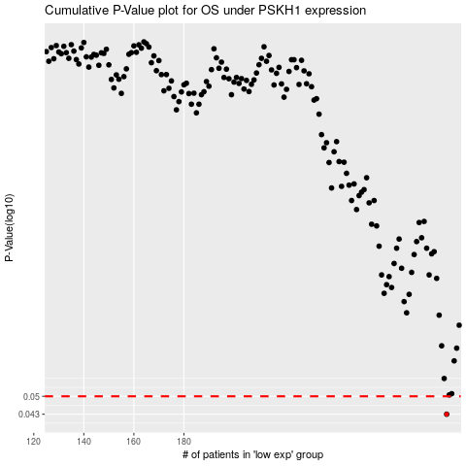

 |  |  |  |  |  | cases_OS | p_OS | rank | exp
 |  |  |  |  |  | 285 | 0.043 | 268 | 0.31241684787
 |  |  |  |  |  |  | cases_RFS | p_RFS | rank | exp
 |  |  |  |  |  |  | 284 | 0.043 | 207 | 0.30542416727

