PSMA4 _multivariate
Reported by Tex Li-Hsing Chi. tex@gate.sinica.edu.tw 2019-08-16

Table 2. The clinicopathological features of HNSCC cohort and PSMA4 expression. (Chi square test)
Cutoff at -0.324 (44.4%)
 |  | PSMA4 expression |  | PSMA4 expression |  | (Optimised)
 | Features | Low | (%) | High | (%) | Case no | P-value | Remark | Matthews
Gender | Female | 140 | 33.7 | 166 | 40 | 415 | 0.3901 | 0 | 0
2 | Male | 44 | 10.6 | 65 | 15.7
Age at diagnosis | <=65y | 124 | 29.9 | 150 | 36.1 | 415 | 0.6741 | 0 | 0
4 | >65y | 60 | 14.5 | 81 | 19.5
Clinical T Status | T1+T2 | 62 | 14.9 | 87 | 21 | 415 | 0.4631 | 0 | 0
6 | T3+T4 | 122 | 29.4 | 144 | 34.7
Clinical N Status | N0 | 91 | 21.9 | 125 | 30.1 | 415 | 0.3985 | 0 | 0
8 | N1-3 | 93 | 22.4 | 106 | 25.5
Clinical M Status | M0 | 184 | 44.3 | 228 | 54.9 | 415 | 0.2578 | 0 | 0
10 | M1 | 0 | 0 | 3 | 0.7
Clinical Stage | Stage I+II | 40 | 9.6 | 62 | 14.9 | 415 | 0.2783 | 0 | 0
12 | Stage III+IV | 144 | 34.7 | 169 | 40.7
Surgical Margin status | Negative | 153 | 36.9 | 165 | 39.8 | 415 | 0.0052 | 1 | 0
14 | Positive | 31 | 7.5 | 66 | 15.9
Tobacco Exposure | Low | 71 | 17.1 | 90 | 21.7 | 415 | 1 | 0 | 0
16 | High | 113 | 27.2 | 141 | 34

Table 3. Univariate/Multivariate Cox's proportional hazards regression analyses on OS time of PSMA4 gene expression in HNSCC

 |  | Univariate |  |  |  | Multivariate
 | Features | HR | CI95%(L) | CI95%(H) | P-value | HR | CI95%(L) | CI95%(H) | P-value
1 | Female | 1 |  |  |  | 1
Gender | Male | 1.157 | 0.843 | 1.587 | 0.367 | 1.177 | 0.839 | 1.649 | 0.345
11 | <=65y | 1 |  |  |  | 1
Age at diagnosis | >65y | 1.329 | 0.99 | 1.784 | 0.058 | 1.379 | 1.014 | 1.874 | 0.04
12 | T1+T2 | 1 |  |  |  | 1
Clinical T Status | T3+T4 | 1.409 | 1.028 | 1.931 | 0.033 | 2.155 | 1.138 | 4.079 | 0.018
13 | N0 | 1 |  |  |  | 1
Clinical N Status | N1-3 | 1.185 | 0.89 | 1.577 | 0.246 | 1.238 | 0.867 | 1.766 | 0.24
14 | M0 | 1 |  |  |  | 1
Clinical M Status | M1 | 4.097 | 1.009 | 16.644 | 0.049 | 8.377 | 1.809 | 38.784 | 0.007
15 | Stage I+II | 1 |  |  |  | 1
Clinical Stage | Stage III+IV | 1.245 | 0.882 | 1.759 | 0.213 | 0.526 | 0.244 | 1.133 | 0.101
16 | Negative | 1 |  |  |  | 1
Surgical Margin status | Positive | 1.591 | 1.155 | 2.191 | 0.004 | 1.605 | 1.155 | 2.231 | 0.005
17 | Low | 1 |  |  |  | 1
Tobacco Exposure | High | 1.364 | 1.008 | 1.844 | 0.044 | 1.446 | 1.048 | 1.995 | 0.025
18 | Low | 1 |  |  |  | 1
RNAseq(z-score) | High | 1.364 | 1.02 | 1.824 | 0.036 | 1.21 | 0.896 | 1.635 | 0.213

Table 4. Univariate/Multivariate Cox's proportional hazards regression analyses on RFS time of PSMA4 gene expression in HNSCC

 |  | Univariate |  |  |  | Multivariate
 | Features | HR | CI95%(L) | CI95%(H) | P-value | HR | CI95%(L) | CI95%(H) | P-value
1 | Female | 1 |  |  |  | 1
Gender | Male | 1.157 | 0.843 | 1.587 | 0.367 | 1.177 | 0.839 | 1.649 | 0.345
11 | <=65y | 1 |  |  |  | 1
Age at diagnosis | >65y | 1.329 | 0.99 | 1.784 | 0.058 | 1.379 | 1.014 | 1.874 | 0.04
12 | T1+T2 | 1 |  |  |  | 1
Clinical T Status | T3+T4 | 1.409 | 1.028 | 1.931 | 0.033 | 2.155 | 1.138 | 4.079 | 0.018
13 | N0 | 1 |  |  |  | 1
Clinical N Status | N1-3 | 1.185 | 0.89 | 1.577 | 0.246 | 1.238 | 0.867 | 1.766 | 0.24
14 | M0 | 1 |  |  |  | 1
Clinical M Status | M1 | 4.097 | 1.009 | 16.644 | 0.049 | 8.377 | 1.809 | 38.784 | 0.007
15 | Stage I+II | 1 |  |  |  | 1
Clinical Stage | Stage III+IV | 1.245 | 0.882 | 1.759 | 0.213 | 0.526 | 0.244 | 1.133 | 0.101
16 | Negative | 1 |  |  |  | 1
Surgical Margin status | Positive | 1.591 | 1.155 | 2.191 | 0.004 | 1.605 | 1.155 | 2.231 | 0.005
17 | Low | 1 |  |  |  | 1
Tobacco Exposure | High | 1.364 | 1.008 | 1.844 | 0.044 | 1.446 | 1.048 | 1.995 | 0.025
18 | Low | 1 |  |  |  | 1
RNAseq(z-score) | High | 1.364 | 1.02 | 1.824 | 0.036 | 1.21 | 0.896 | 1.635 | 0.213

Kaplan-Meier survival estimate: Cutoff at -0.324 (44.4%)



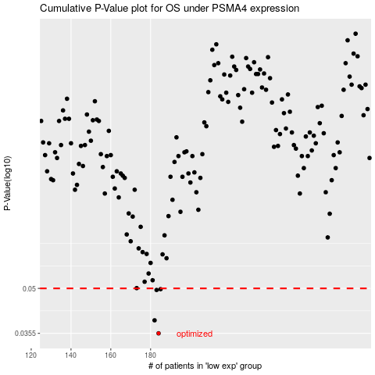

 |  |  |  |  |  | cases_OS | p_OS | rank | exp
 |  |  |  |  |  | 184 | 0.0355 | 217 | -0.323559086
 |  |  |  |  |  | 182 | 0.0392 | 220 | -0.33249164023
 |  |  |  |  |  | 183 | 0.0494 | 35 | -0.3238027192
 |  |  |  |  |  | 185 | 0.0497 | 387 | -0.31632920507
 |  |  |  |  |  |  | cases_RFS | p_RFS | rank | exp
 |  |  |  |  |  |  | 183 | 0.0355 | 35 | -0.3238027192
 |  |  |  |  |  |  | 181 | 0.0392 | 120 | -0.33755185748
 |  |  |  |  |  |  | 182 | 0.0494 | 220 | -0.33249164023
 |  |  |  |  |  |  | 184 | 0.0497 | 217 | -0.323559086

