PSMA5 _multivariate
Reported by Tex Li-Hsing Chi. tex@gate.sinica.edu.tw 2019-08-16

Table 2. The clinicopathological features of HNSCC cohort and PSMA5 expression. (Chi square test)
Cutoff at 0.219 (66.9%)
 |  | PSMA5 expression |  | PSMA5 expression |  | (Optimised)
 | Features | Low | (%) | High | (%) | Case no | P-value | Remark | Matthews
Gender | Female | 207 | 49.9 | 99 | 23.9 | 415 | 0.5935 | 0 | 0
2 | Male | 70 | 16.9 | 39 | 9.4
Age at diagnosis | <=65y | 184 | 44.3 | 90 | 21.7 | 415 | 0.8927 | 0 | 0
4 | >65y | 93 | 22.4 | 48 | 11.6
Clinical T Status | T1+T2 | 99 | 23.9 | 50 | 12 | 415 | 1 | 0 | 0
6 | T3+T4 | 178 | 42.9 | 88 | 21.2
Clinical N Status | N0 | 150 | 36.1 | 66 | 15.9 | 415 | 0.2666 | 0 | 0
8 | N1-3 | 127 | 30.6 | 72 | 17.3
Clinical M Status | M0 | 276 | 66.5 | 136 | 32.8 | 415 | 0.2576 | 0 | 0
10 | M1 | 1 | 0.2 | 2 | 0.5
Clinical Stage | Stage I+II | 70 | 16.9 | 32 | 7.7 | 415 | 0.7315 | 0 | 0
12 | Stage III+IV | 207 | 49.9 | 106 | 25.5
Surgical Margin status | Negative | 217 | 52.3 | 101 | 24.3 | 415 | 0.2683 | 0 | 0
14 | Positive | 60 | 14.5 | 37 | 8.9
Tobacco Exposure | Low | 108 | 26 | 53 | 12.8 | 415 | 1 | 0 | 0
16 | High | 169 | 40.7 | 85 | 20.5

Table 3. Univariate/Multivariate Cox's proportional hazards regression analyses on OS time of PSMA5 gene expression in HNSCC

 |  | Univariate |  |  |  | Multivariate
 | Features | HR | CI95%(L) | CI95%(H) | P-value | HR | CI95%(L) | CI95%(H) | P-value
1 | Female | 1 |  |  |  | 1
Gender | Male | 1.157 | 0.843 | 1.587 | 0.367 | 1.181 | 0.843 | 1.654 | 0.333
11 | <=65y | 1 |  |  |  | 1
Age at diagnosis | >65y | 1.329 | 0.99 | 1.784 | 0.058 | 1.37 | 1.007 | 1.863 | 0.045
12 | T1+T2 | 1 |  |  |  | 1
Clinical T Status | T3+T4 | 1.409 | 1.028 | 1.931 | 0.033 | 2.205 | 1.166 | 4.169 | 0.015
13 | N0 | 1 |  |  |  | 1
Clinical N Status | N1-3 | 1.185 | 0.89 | 1.577 | 0.246 | 1.202 | 0.841 | 1.72 | 0.313
14 | M0 | 1 |  |  |  | 1
Clinical M Status | M1 | 4.097 | 1.009 | 16.644 | 0.049 | 8.885 | 1.935 | 40.8 | 0.005
15 | Stage I+II | 1 |  |  |  | 1
Clinical Stage | Stage III+IV | 1.245 | 0.882 | 1.759 | 0.213 | 0.517 | 0.241 | 1.112 | 0.091
16 | Negative | 1 |  |  |  | 1
Surgical Margin status | Positive | 1.591 | 1.155 | 2.191 | 0.004 | 1.637 | 1.183 | 2.264 | 0.003
17 | Low | 1 |  |  |  | 1
Tobacco Exposure | High | 1.364 | 1.008 | 1.844 | 0.044 | 1.439 | 1.043 | 1.986 | 0.027
18 | Low | 1 |  |  |  | 1
RNAseq(z-score) | High | 1.372 | 1.015 | 1.854 | 0.04 | 1.259 | 0.925 | 1.715 | 0.143

Table 4. Univariate/Multivariate Cox's proportional hazards regression analyses on RFS time of PSMA5 gene expression in HNSCC

 |  | Univariate |  |  |  | Multivariate
 | Features | HR | CI95%(L) | CI95%(H) | P-value | HR | CI95%(L) | CI95%(H) | P-value
1 | Female | 1 |  |  |  | 1
Gender | Male | 1.157 | 0.843 | 1.587 | 0.367 | 1.181 | 0.843 | 1.654 | 0.333
11 | <=65y | 1 |  |  |  | 1
Age at diagnosis | >65y | 1.329 | 0.99 | 1.784 | 0.058 | 1.37 | 1.007 | 1.863 | 0.045
12 | T1+T2 | 1 |  |  |  | 1
Clinical T Status | T3+T4 | 1.409 | 1.028 | 1.931 | 0.033 | 2.205 | 1.166 | 4.169 | 0.015
13 | N0 | 1 |  |  |  | 1
Clinical N Status | N1-3 | 1.185 | 0.89 | 1.577 | 0.246 | 1.202 | 0.841 | 1.72 | 0.313
14 | M0 | 1 |  |  |  | 1
Clinical M Status | M1 | 4.097 | 1.009 | 16.644 | 0.049 | 8.885 | 1.935 | 40.8 | 0.005
15 | Stage I+II | 1 |  |  |  | 1
Clinical Stage | Stage III+IV | 1.245 | 0.882 | 1.759 | 0.213 | 0.517 | 0.241 | 1.112 | 0.091
16 | Negative | 1 |  |  |  | 1
Surgical Margin status | Positive | 1.591 | 1.155 | 2.191 | 0.004 | 1.637 | 1.183 | 2.264 | 0.003
17 | Low | 1 |  |  |  | 1
Tobacco Exposure | High | 1.364 | 1.008 | 1.844 | 0.044 | 1.439 | 1.043 | 1.986 | 0.027
18 | Low | 1 |  |  |  | 1
RNAseq(z-score) | High | 1.372 | 1.015 | 1.854 | 0.04 | 1.259 | 0.925 | 1.715 | 0.143

Kaplan-Meier survival estimate: Cutoff at 0.219 (66.9%)

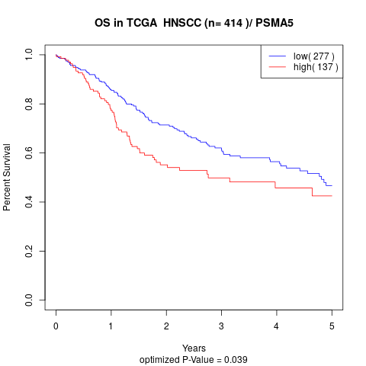

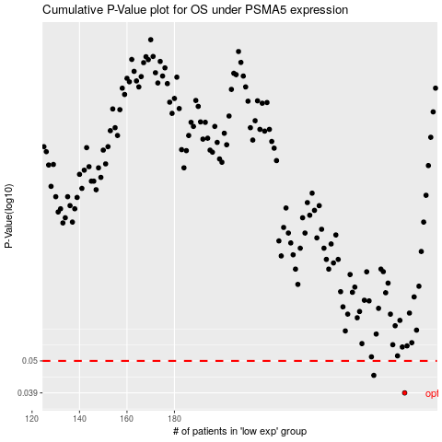

 |  |  |  |  |  | cases_OS | p_OS | rank | exp
 |  |  |  |  |  | 277 | 0.039 | 257 | 0.21871556005
 |  |  |  |  |  | 264 | 0.0447 | 70 | 0.1460680003
 |  |  |  |  |  |  | cases_RFS | p_RFS | rank | exp
 |  |  |  |  |  |  | 276 | 0.039 | 120 | 0.21639552011
 |  |  |  |  |  |  | 263 | 0.0447 | 252 | 0.14013905264

