PSMB3 _multivariate
Reported by Tex Li-Hsing Chi. tex@gate.sinica.edu.tw 2019-08-16

Table 2. The clinicopathological features of HNSCC cohort and PSMB3 expression. (Chi square test)
Cutoff at -0.23 (50.0%)
 |  | PSMB3 expression |  | PSMB3 expression |  | (Optimised)
 | Features | Low | (%) | High | (%) | Case no | P-value | Remark | Matthews
Gender | Female | 146 | 35.2 | 160 | 38.6 | 415 | 0.1714 | 0 | 0
2 | Male | 61 | 14.7 | 48 | 11.6
Age at diagnosis | <=65y | 139 | 33.5 | 135 | 32.5 | 415 | 0.7044 | 0 | 0
4 | >65y | 68 | 16.4 | 73 | 17.6
Clinical T Status | T1+T2 | 82 | 19.8 | 67 | 16.1 | 415 | 0.1417 | 0 | 0
6 | T3+T4 | 125 | 30.1 | 141 | 34
Clinical N Status | N0 | 112 | 27 | 104 | 25.1 | 415 | 0.4599 | 0 | 0
8 | N1-3 | 95 | 22.9 | 104 | 25.1
Clinical M Status | M0 | 207 | 49.9 | 205 | 49.4 | 415 | 0.2482 | 0 | 0
10 | M1 | 0 | 0 | 3 | 0.7
Clinical Stage | Stage I+II | 53 | 12.8 | 49 | 11.8 | 415 | 0.7113 | 0 | 0
12 | Stage III+IV | 154 | 37.1 | 159 | 38.3
Surgical Margin status | Negative | 162 | 39 | 156 | 37.6 | 415 | 0.4867 | 0 | 0
14 | Positive | 45 | 10.8 | 52 | 12.5
Tobacco Exposure | Low | 91 | 21.9 | 70 | 16.9 | 415 | 0.0346 | 1 | 0
16 | High | 116 | 28 | 138 | 33.3

Table 3. Univariate/Multivariate Cox's proportional hazards regression analyses on OS time of PSMB3 gene expression in HNSCC

 |  | Univariate |  |  |  | Multivariate
 | Features | HR | CI95%(L) | CI95%(H) | P-value | HR | CI95%(L) | CI95%(H) | P-value
1 | Female | 1 |  |  |  | 1
Gender | Male | 1.157 | 0.843 | 1.587 | 0.367 | 1.206 | 0.862 | 1.686 | 0.274
11 | <=65y | 1 |  |  |  | 1
Age at diagnosis | >65y | 1.329 | 0.99 | 1.784 | 0.058 | 1.39 | 1.023 | 1.89 | 0.035
12 | T1+T2 | 1 |  |  |  | 1
Clinical T Status | T3+T4 | 1.409 | 1.028 | 1.931 | 0.033 | 2.164 | 1.139 | 4.113 | 0.018
13 | N0 | 1 |  |  |  | 1
Clinical N Status | N1-3 | 1.185 | 0.89 | 1.577 | 0.246 | 1.232 | 0.862 | 1.76 | 0.252
14 | M0 | 1 |  |  |  | 1
Clinical M Status | M1 | 4.097 | 1.009 | 16.644 | 0.049 | 8.999 | 1.936 | 41.817 | 0.005
15 | Stage I+II | 1 |  |  |  | 1
Clinical Stage | Stage III+IV | 1.245 | 0.882 | 1.759 | 0.213 | 0.516 | 0.239 | 1.114 | 0.092
16 | Negative | 1 |  |  |  | 1
Surgical Margin status | Positive | 1.591 | 1.155 | 2.191 | 0.004 | 1.664 | 1.204 | 2.301 | 0.002
17 | Low | 1 |  |  |  | 1
Tobacco Exposure | High | 1.364 | 1.008 | 1.844 | 0.044 | 1.44 | 1.041 | 1.99 | 0.027
18 | Low | 1 |  |  |  | 1
RNAseq(z-score) | High | 1.216 | 0.912 | 1.621 | 0.182 | 1.065 | 0.792 | 1.433 | 0.675

Table 4. Univariate/Multivariate Cox's proportional hazards regression analyses on RFS time of PSMB3 gene expression in HNSCC

 |  | Univariate |  |  |  | Multivariate
 | Features | HR | CI95%(L) | CI95%(H) | P-value | HR | CI95%(L) | CI95%(H) | P-value
1 | Female | 1 |  |  |  | 1
Gender | Male | 1.157 | 0.843 | 1.587 | 0.367 | 1.206 | 0.862 | 1.686 | 0.274
11 | <=65y | 1 |  |  |  | 1
Age at diagnosis | >65y | 1.329 | 0.99 | 1.784 | 0.058 | 1.39 | 1.023 | 1.89 | 0.035
12 | T1+T2 | 1 |  |  |  | 1
Clinical T Status | T3+T4 | 1.409 | 1.028 | 1.931 | 0.033 | 2.164 | 1.139 | 4.113 | 0.018
13 | N0 | 1 |  |  |  | 1
Clinical N Status | N1-3 | 1.185 | 0.89 | 1.577 | 0.246 | 1.232 | 0.862 | 1.76 | 0.252
14 | M0 | 1 |  |  |  | 1
Clinical M Status | M1 | 4.097 | 1.009 | 16.644 | 0.049 | 8.999 | 1.936 | 41.817 | 0.005
15 | Stage I+II | 1 |  |  |  | 1
Clinical Stage | Stage III+IV | 1.245 | 0.882 | 1.759 | 0.213 | 0.516 | 0.239 | 1.114 | 0.092
16 | Negative | 1 |  |  |  | 1
Surgical Margin status | Positive | 1.591 | 1.155 | 2.191 | 0.004 | 1.664 | 1.204 | 2.301 | 0.002
17 | Low | 1 |  |  |  | 1
Tobacco Exposure | High | 1.364 | 1.008 | 1.844 | 0.044 | 1.44 | 1.041 | 1.99 | 0.027
18 | Low | 1 |  |  |  | 1
RNAseq(z-score) | High | 1.216 | 0.912 | 1.621 | 0.182 | 1.065 | 0.792 | 1.433 | 0.675

Kaplan-Meier survival estimate: Cutoff at -0.23 (50.0%)



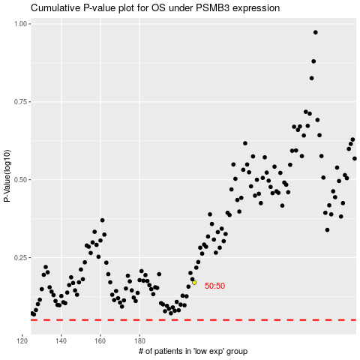

 |  |  |  |  |  | cases_OS | p_OS | rank | exp
 |  |  |  |  |  |  | cases_RFS | p_RFS | rank | exp

