PSMB8 _multivariate
Reported by Tex Li-Hsing Chi. tex@gate.sinica.edu.tw 2019-08-16

Table 2. The clinicopathological features of HNSCC cohort and PSMB8 expression. (Chi square test)
Cutoff at -0.193 (50.0%)
 |  | PSMB8 expression |  | PSMB8 expression |  | (Optimised)
 | Features | Low | (%) | High | (%) | Case no | P-value | Remark | Matthews
Gender | Female | 157 | 37.8 | 149 | 35.9 | 415 | 0.3881 | 0 | 0
2 | Male | 50 | 12 | 59 | 14.2
Age at diagnosis | <=65y | 143 | 34.5 | 131 | 31.6 | 415 | 0.2269 | 0 | 0
4 | >65y | 64 | 15.4 | 77 | 18.6
Clinical T Status | T1+T2 | 66 | 15.9 | 83 | 20 | 415 | 0.1095 | 0 | 0
6 | T3+T4 | 141 | 34 | 125 | 30.1
Clinical N Status | N0 | 107 | 25.8 | 109 | 26.3 | 415 | 0.9624 | 0 | 0
8 | N1-3 | 100 | 24.1 | 99 | 23.9
Clinical M Status | M0 | 207 | 49.9 | 205 | 49.4 | 415 | 0.2482 | 0 | 0
10 | M1 | 0 | 0 | 3 | 0.7
Clinical Stage | Stage I+II | 45 | 10.8 | 57 | 13.7 | 415 | 0.2202 | 0 | 0
12 | Stage III+IV | 162 | 39 | 151 | 36.4
Surgical Margin status | Negative | 160 | 38.6 | 158 | 38.1 | 415 | 0.8167 | 0 | 0
14 | Positive | 47 | 11.3 | 50 | 12
Tobacco Exposure | Low | 74 | 17.8 | 87 | 21 | 415 | 0.227 | 0 | 0
16 | High | 133 | 32 | 121 | 29.2

Table 3. Univariate/Multivariate Cox's proportional hazards regression analyses on OS time of PSMB8 gene expression in HNSCC

 |  | Univariate |  |  |  | Multivariate
 | Features | HR | CI95%(L) | CI95%(H) | P-value | HR | CI95%(L) | CI95%(H) | P-value
1 | Female | 1 |  |  |  | 1
Gender | Male | 1.157 | 0.843 | 1.587 | 0.367 | 1.193 | 0.853 | 1.668 | 0.303
11 | <=65y | 1 |  |  |  | 1
Age at diagnosis | >65y | 1.329 | 0.99 | 1.784 | 0.058 | 1.378 | 1.012 | 1.877 | 0.042
12 | T1+T2 | 1 |  |  |  | 1
Clinical T Status | T3+T4 | 1.409 | 1.028 | 1.931 | 0.033 | 2.216 | 1.171 | 4.191 | 0.014
13 | N0 | 1 |  |  |  | 1
Clinical N Status | N1-3 | 1.185 | 0.89 | 1.577 | 0.246 | 1.233 | 0.864 | 1.76 | 0.248
14 | M0 | 1 |  |  |  | 1
Clinical M Status | M1 | 4.097 | 1.009 | 16.644 | 0.049 | 8.999 | 1.95 | 41.528 | 0.005
15 | Stage I+II | 1 |  |  |  | 1
Clinical Stage | Stage III+IV | 1.245 | 0.882 | 1.759 | 0.213 | 0.51 | 0.237 | 1.097 | 0.085
16 | Negative | 1 |  |  |  | 1
Surgical Margin status | Positive | 1.591 | 1.155 | 2.191 | 0.004 | 1.654 | 1.194 | 2.289 | 0.002
17 | Low | 1 |  |  |  | 1
Tobacco Exposure | High | 1.364 | 1.008 | 1.844 | 0.044 | 1.468 | 1.063 | 2.027 | 0.02
18 | Low | 1 |  |  |  | 1
RNAseq(z-score) | High | 1.14 | 0.855 | 1.519 | 0.373 | 1.096 | 0.812 | 1.479 | 0.55

Table 4. Univariate/Multivariate Cox's proportional hazards regression analyses on RFS time of PSMB8 gene expression in HNSCC

 |  | Univariate |  |  |  | Multivariate
 | Features | HR | CI95%(L) | CI95%(H) | P-value | HR | CI95%(L) | CI95%(H) | P-value
1 | Female | 1 |  |  |  | 1
Gender | Male | 1.157 | 0.843 | 1.587 | 0.367 | 1.193 | 0.853 | 1.668 | 0.303
11 | <=65y | 1 |  |  |  | 1
Age at diagnosis | >65y | 1.329 | 0.99 | 1.784 | 0.058 | 1.378 | 1.012 | 1.877 | 0.042
12 | T1+T2 | 1 |  |  |  | 1
Clinical T Status | T3+T4 | 1.409 | 1.028 | 1.931 | 0.033 | 2.216 | 1.171 | 4.191 | 0.014
13 | N0 | 1 |  |  |  | 1
Clinical N Status | N1-3 | 1.185 | 0.89 | 1.577 | 0.246 | 1.233 | 0.864 | 1.76 | 0.248
14 | M0 | 1 |  |  |  | 1
Clinical M Status | M1 | 4.097 | 1.009 | 16.644 | 0.049 | 8.999 | 1.95 | 41.528 | 0.005
15 | Stage I+II | 1 |  |  |  | 1
Clinical Stage | Stage III+IV | 1.245 | 0.882 | 1.759 | 0.213 | 0.51 | 0.237 | 1.097 | 0.085
16 | Negative | 1 |  |  |  | 1
Surgical Margin status | Positive | 1.591 | 1.155 | 2.191 | 0.004 | 1.654 | 1.194 | 2.289 | 0.002
17 | Low | 1 |  |  |  | 1
Tobacco Exposure | High | 1.364 | 1.008 | 1.844 | 0.044 | 1.468 | 1.063 | 2.027 | 0.02
18 | Low | 1 |  |  |  | 1
RNAseq(z-score) | High | 1.14 | 0.855 | 1.519 | 0.373 | 1.096 | 0.812 | 1.479 | 0.55

Kaplan-Meier survival estimate: Cutoff at -0.193 (50.0%)

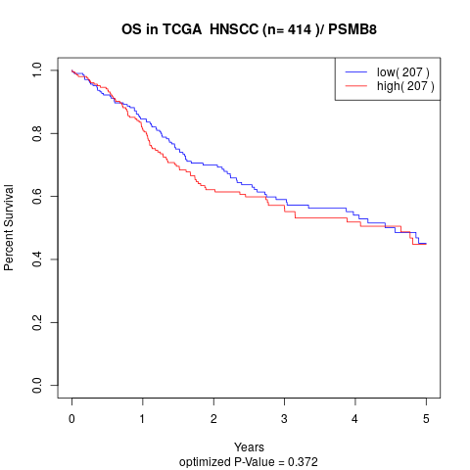

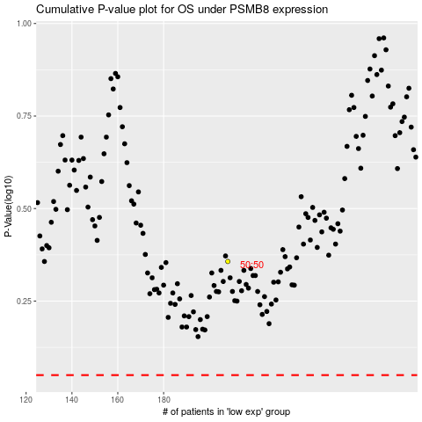

 |  |  |  |  |  | cases_OS | p_OS | rank | exp
 |  |  |  |  |  |  | cases_RFS | p_RFS | rank | exp

