PSMD14 _multivariate
Reported by Tex Li-Hsing Chi. tex@gate.sinica.edu.tw 2019-08-16

Table 2. The clinicopathological features of HNSCC cohort and PSMD14 expression. (Chi square test)
Cutoff at -0.134 (50.0%)
 |  | PSMD14 expression |  | PSMD14 expression |  | (Optimised)
 | Features | Low | (%) | High | (%) | Case no | P-value | Remark | Matthews
Gender | Female | 153 | 36.9 | 153 | 36.9 | 415 | 1 | 0 | 0
2 | Male | 54 | 13 | 55 | 13.3
Age at diagnosis | <=65y | 136 | 32.8 | 138 | 33.3 | 415 | 0.9719 | 0 | 0
4 | >65y | 71 | 17.1 | 70 | 16.9
Clinical T Status | T1+T2 | 83 | 20 | 66 | 15.9 | 415 | 0.0941 | 0 | 0
6 | T3+T4 | 124 | 29.9 | 142 | 34.2
Clinical N Status | N0 | 102 | 24.6 | 114 | 27.5 | 415 | 0.3031 | 0 | 0
8 | N1-3 | 105 | 25.3 | 94 | 22.7
Clinical M Status | M0 | 206 | 49.6 | 206 | 49.6 | 415 | 1 | 0 | 0
10 | M1 | 1 | 0.2 | 2 | 0.5
Clinical Stage | Stage I+II | 52 | 12.5 | 50 | 12 | 415 | 0.8871 | 0 | 0
12 | Stage III+IV | 155 | 37.3 | 158 | 38.1
Surgical Margin status | Negative | 153 | 36.9 | 165 | 39.8 | 415 | 0.2036 | 0 | 0
14 | Positive | 54 | 13 | 43 | 10.4
Tobacco Exposure | Low | 93 | 22.4 | 68 | 16.4 | 415 | 0.0118 | 1 | 0
16 | High | 114 | 27.5 | 140 | 33.7

Table 3. Univariate/Multivariate Cox's proportional hazards regression analyses on OS time of PSMD14 gene expression in HNSCC

 |  | Univariate |  |  |  | Multivariate
 | Features | HR | CI95%(L) | CI95%(H) | P-value | HR | CI95%(L) | CI95%(H) | P-value
1 | Female | 1 |  |  |  | 1
Gender | Male | 1.157 | 0.843 | 1.587 | 0.367 | 1.198 | 0.857 | 1.673 | 0.29
11 | <=65y | 1 |  |  |  | 1
Age at diagnosis | >65y | 1.329 | 0.99 | 1.784 | 0.058 | 1.386 | 1.02 | 1.885 | 0.037
12 | T1+T2 | 1 |  |  |  | 1
Clinical T Status | T3+T4 | 1.409 | 1.028 | 1.931 | 0.033 | 2.172 | 1.147 | 4.114 | 0.017
13 | N0 | 1 |  |  |  | 1
Clinical N Status | N1-3 | 1.185 | 0.89 | 1.577 | 0.246 | 1.246 | 0.873 | 1.778 | 0.225
14 | M0 | 1 |  |  |  | 1
Clinical M Status | M1 | 4.097 | 1.009 | 16.644 | 0.049 | 9.03 | 1.958 | 41.643 | 0.005
15 | Stage I+II | 1 |  |  |  | 1
Clinical Stage | Stage III+IV | 1.245 | 0.882 | 1.759 | 0.213 | 0.51 | 0.238 | 1.096 | 0.085
16 | Negative | 1 |  |  |  | 1
Surgical Margin status | Positive | 1.591 | 1.155 | 2.191 | 0.004 | 1.687 | 1.219 | 2.335 | 0.002
17 | Low | 1 |  |  |  | 1
Tobacco Exposure | High | 1.364 | 1.008 | 1.844 | 0.044 | 1.439 | 1.043 | 1.986 | 0.027
18 | Low | 1 |  |  |  | 1
RNAseq(z-score) | High | 1.136 | 0.851 | 1.518 | 0.387 | 1.093 | 0.814 | 1.468 | 0.555

Table 4. Univariate/Multivariate Cox's proportional hazards regression analyses on RFS time of PSMD14 gene expression in HNSCC

 |  | Univariate |  |  |  | Multivariate
 | Features | HR | CI95%(L) | CI95%(H) | P-value | HR | CI95%(L) | CI95%(H) | P-value
1 | Female | 1 |  |  |  | 1
Gender | Male | 1.157 | 0.843 | 1.587 | 0.367 | 1.198 | 0.857 | 1.673 | 0.29
11 | <=65y | 1 |  |  |  | 1
Age at diagnosis | >65y | 1.329 | 0.99 | 1.784 | 0.058 | 1.386 | 1.02 | 1.885 | 0.037
12 | T1+T2 | 1 |  |  |  | 1
Clinical T Status | T3+T4 | 1.409 | 1.028 | 1.931 | 0.033 | 2.172 | 1.147 | 4.114 | 0.017
13 | N0 | 1 |  |  |  | 1
Clinical N Status | N1-3 | 1.185 | 0.89 | 1.577 | 0.246 | 1.246 | 0.873 | 1.778 | 0.225
14 | M0 | 1 |  |  |  | 1
Clinical M Status | M1 | 4.097 | 1.009 | 16.644 | 0.049 | 9.03 | 1.958 | 41.643 | 0.005
15 | Stage I+II | 1 |  |  |  | 1
Clinical Stage | Stage III+IV | 1.245 | 0.882 | 1.759 | 0.213 | 0.51 | 0.238 | 1.096 | 0.085
16 | Negative | 1 |  |  |  | 1
Surgical Margin status | Positive | 1.591 | 1.155 | 2.191 | 0.004 | 1.687 | 1.219 | 2.335 | 0.002
17 | Low | 1 |  |  |  | 1
Tobacco Exposure | High | 1.364 | 1.008 | 1.844 | 0.044 | 1.439 | 1.043 | 1.986 | 0.027
18 | Low | 1 |  |  |  | 1
RNAseq(z-score) | High | 1.136 | 0.851 | 1.518 | 0.387 | 1.093 | 0.814 | 1.468 | 0.555

Kaplan-Meier survival estimate: Cutoff at -0.134 (50.0%)



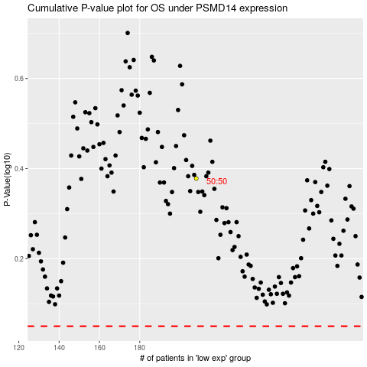

 |  |  |  |  |  | cases_OS | p_OS | rank | exp
 |  |  |  |  |  |  | cases_RFS | p_RFS | rank | exp

