PSMD3 _multivariate
Reported by Tex Li-Hsing Chi. tex@gate.sinica.edu.tw 2019-08-16

Table 2. The clinicopathological features of HNSCC cohort and PSMD3 expression. (Chi square test)
Cutoff at 0.134 (69.6%)
 |  | PSMD3 expression |  | PSMD3 expression |  | (Optimised)
 | Features | Low | (%) | High | (%) | Case no | P-value | Remark | Matthews
Gender | Female | 207 | 49.9 | 99 | 23.9 | 415 | 0.2398 | 0 | 0
2 | Male | 81 | 19.5 | 28 | 6.7
Age at diagnosis | <=65y | 190 | 45.8 | 84 | 20.2 | 415 | 1 | 0 | 0
4 | >65y | 98 | 23.6 | 43 | 10.4
Clinical T Status | T1+T2 | 110 | 26.5 | 39 | 9.4 | 415 | 0.1758 | 0 | 0
6 | T3+T4 | 178 | 42.9 | 88 | 21.2
Clinical N Status | N0 | 154 | 37.1 | 62 | 14.9 | 415 | 0.4426 | 0 | 0
8 | N1-3 | 134 | 32.3 | 65 | 15.7
Clinical M Status | M0 | 287 | 69.2 | 125 | 30.1 | 415 | 0.223 | 0 | 0
10 | M1 | 1 | 0.2 | 2 | 0.5
Clinical Stage | Stage I+II | 74 | 17.8 | 28 | 6.7 | 415 | 0.5019 | 0 | 0
12 | Stage III+IV | 214 | 51.6 | 99 | 23.9
Surgical Margin status | Negative | 219 | 52.8 | 99 | 23.9 | 415 | 0.7074 | 0 | 0
14 | Positive | 69 | 16.6 | 28 | 6.7
Tobacco Exposure | Low | 123 | 29.6 | 38 | 9.2 | 415 | 0.0161 | 1 | 0
16 | High | 165 | 39.8 | 89 | 21.4

Table 3. Univariate/Multivariate Cox's proportional hazards regression analyses on OS time of PSMD3 gene expression in HNSCC

 |  | Univariate |  |  |  | Multivariate
 | Features | HR | CI95%(L) | CI95%(H) | P-value | HR | CI95%(L) | CI95%(H) | P-value
1 | Female | 1 |  |  |  | 1
Gender | Male | 1.157 | 0.843 | 1.587 | 0.367 | 1.223 | 0.874 | 1.71 | 0.24
11 | <=65y | 1 |  |  |  | 1
Age at diagnosis | >65y | 1.329 | 0.99 | 1.784 | 0.058 | 1.379 | 1.014 | 1.875 | 0.041
12 | T1+T2 | 1 |  |  |  | 1
Clinical T Status | T3+T4 | 1.409 | 1.028 | 1.931 | 0.033 | 2.156 | 1.139 | 4.079 | 0.018
13 | N0 | 1 |  |  |  | 1
Clinical N Status | N1-3 | 1.185 | 0.89 | 1.577 | 0.246 | 1.239 | 0.868 | 1.768 | 0.239
14 | M0 | 1 |  |  |  | 1
Clinical M Status | M1 | 4.097 | 1.009 | 16.644 | 0.049 | 8.158 | 1.761 | 37.788 | 0.007
15 | Stage I+II | 1 |  |  |  | 1
Clinical Stage | Stage III+IV | 1.245 | 0.882 | 1.759 | 0.213 | 0.514 | 0.239 | 1.104 | 0.088
16 | Negative | 1 |  |  |  | 1
Surgical Margin status | Positive | 1.591 | 1.155 | 2.191 | 0.004 | 1.693 | 1.224 | 2.341 | 0.001
17 | Low | 1 |  |  |  | 1
Tobacco Exposure | High | 1.364 | 1.008 | 1.844 | 0.044 | 1.419 | 1.027 | 1.959 | 0.034
18 | Low | 1 |  |  |  | 1
RNAseq(z-score) | High | 1.366 | 1.002 | 1.863 | 0.049 | 1.299 | 0.946 | 1.783 | 0.106

Table 4. Univariate/Multivariate Cox's proportional hazards regression analyses on RFS time of PSMD3 gene expression in HNSCC

 |  | Univariate |  |  |  | Multivariate
 | Features | HR | CI95%(L) | CI95%(H) | P-value | HR | CI95%(L) | CI95%(H) | P-value
1 | Female | 1 |  |  |  | 1
Gender | Male | 1.157 | 0.843 | 1.587 | 0.367 | 1.223 | 0.874 | 1.71 | 0.24
11 | <=65y | 1 |  |  |  | 1
Age at diagnosis | >65y | 1.329 | 0.99 | 1.784 | 0.058 | 1.379 | 1.014 | 1.875 | 0.041
12 | T1+T2 | 1 |  |  |  | 1
Clinical T Status | T3+T4 | 1.409 | 1.028 | 1.931 | 0.033 | 2.156 | 1.139 | 4.079 | 0.018
13 | N0 | 1 |  |  |  | 1
Clinical N Status | N1-3 | 1.185 | 0.89 | 1.577 | 0.246 | 1.239 | 0.868 | 1.768 | 0.239
14 | M0 | 1 |  |  |  | 1
Clinical M Status | M1 | 4.097 | 1.009 | 16.644 | 0.049 | 8.158 | 1.761 | 37.788 | 0.007
15 | Stage I+II | 1 |  |  |  | 1
Clinical Stage | Stage III+IV | 1.245 | 0.882 | 1.759 | 0.213 | 0.514 | 0.239 | 1.104 | 0.088
16 | Negative | 1 |  |  |  | 1
Surgical Margin status | Positive | 1.591 | 1.155 | 2.191 | 0.004 | 1.693 | 1.224 | 2.341 | 0.001
17 | Low | 1 |  |  |  | 1
Tobacco Exposure | High | 1.364 | 1.008 | 1.844 | 0.044 | 1.419 | 1.027 | 1.959 | 0.034
18 | Low | 1 |  |  |  | 1
RNAseq(z-score) | High | 1.366 | 1.002 | 1.863 | 0.049 | 1.299 | 0.946 | 1.783 | 0.106

Kaplan-Meier survival estimate: Cutoff at 0.134 (69.6%)



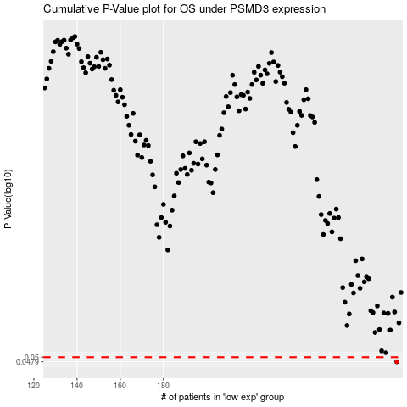

 |  |  |  |  |  | cases_OS | p_OS | rank | exp
 |  |  |  |  |  | 288 | 0.0479 | 124 | 0.13433152527
 |  |  |  |  |  |  | cases_RFS | p_RFS | rank | exp
 |  |  |  |  |  |  | 287 | 0.0479 | 232 | 0.13259474913

