PSMD6 _multivariate
Reported by Tex Li-Hsing Chi. tex@gate.sinica.edu.tw 2019-08-16

Table 2. The clinicopathological features of HNSCC cohort and PSMD6 expression. (Chi square test)
Cutoff at -0.365 (49.8%)
 |  | PSMD6 expression |  | PSMD6 expression |  | (Optimised)
 | Features | Low | (%) | High | (%) | Case no | P-value | Remark | Matthews
Gender | Female | 165 | 39.8 | 141 | 34 | 415 | 0.0081 | 1 | 0
2 | Male | 42 | 10.1 | 67 | 16.1
Age at diagnosis | <=65y | 143 | 34.5 | 131 | 31.6 | 415 | 0.2269 | 0 | 0
4 | >65y | 64 | 15.4 | 77 | 18.6
Clinical T Status | T1+T2 | 70 | 16.9 | 79 | 19 | 415 | 0.4343 | 0 | 0
6 | T3+T4 | 137 | 33 | 129 | 31.1
Clinical N Status | N0 | 106 | 25.5 | 110 | 26.5 | 415 | 0.8075 | 0 | 0
8 | N1-3 | 101 | 24.3 | 98 | 23.6
Clinical M Status | M0 | 206 | 49.6 | 206 | 49.6 | 415 | 1 | 0 | 0
10 | M1 | 1 | 0.2 | 2 | 0.5
Clinical Stage | Stage I+II | 48 | 11.6 | 54 | 13 | 415 | 0.5878 | 0 | 0
12 | Stage III+IV | 159 | 38.3 | 154 | 37.1
Surgical Margin status | Negative | 166 | 40 | 152 | 36.6 | 415 | 0.1042 | 0 | 0
14 | Positive | 41 | 9.9 | 56 | 13.5
Tobacco Exposure | Low | 67 | 16.1 | 94 | 22.7 | 415 | 0.0088 | 1 | 0
16 | High | 140 | 33.7 | 114 | 27.5

Table 3. Univariate/Multivariate Cox's proportional hazards regression analyses on OS time of PSMD6 gene expression in HNSCC

 |  | Univariate |  |  |  | Multivariate
 | Features | HR | CI95%(L) | CI95%(H) | P-value | HR | CI95%(L) | CI95%(H) | P-value
1 | Female | 1 |  |  |  | 1
Gender | Male | 1.157 | 0.843 | 1.587 | 0.367 | 1.178 | 0.839 | 1.653 | 0.345
11 | <=65y | 1 |  |  |  | 1
Age at diagnosis | >65y | 1.329 | 0.99 | 1.784 | 0.058 | 1.386 | 1.02 | 1.884 | 0.037
12 | T1+T2 | 1 |  |  |  | 1
Clinical T Status | T3+T4 | 1.409 | 1.028 | 1.931 | 0.033 | 2.207 | 1.167 | 4.175 | 0.015
13 | N0 | 1 |  |  |  | 1
Clinical N Status | N1-3 | 1.185 | 0.89 | 1.577 | 0.246 | 1.243 | 0.872 | 1.773 | 0.229
14 | M0 | 1 |  |  |  | 1
Clinical M Status | M1 | 4.097 | 1.009 | 16.644 | 0.049 | 9.259 | 2.019 | 42.468 | 0.004
15 | Stage I+II | 1 |  |  |  | 1
Clinical Stage | Stage III+IV | 1.245 | 0.882 | 1.759 | 0.213 | 0.508 | 0.237 | 1.092 | 0.083
16 | Negative | 1 |  |  |  | 1
Surgical Margin status | Positive | 1.591 | 1.155 | 2.191 | 0.004 | 1.652 | 1.194 | 2.287 | 0.002
17 | Low | 1 |  |  |  | 1
Tobacco Exposure | High | 1.364 | 1.008 | 1.844 | 0.044 | 1.467 | 1.063 | 2.023 | 0.02
18 | Low | 1 |  |  |  | 1
RNAseq(z-score) | High | 1.119 | 0.84 | 1.49 | 0.441 | 1.11 | 0.824 | 1.495 | 0.493

Table 4. Univariate/Multivariate Cox's proportional hazards regression analyses on RFS time of PSMD6 gene expression in HNSCC

 |  | Univariate |  |  |  | Multivariate
 | Features | HR | CI95%(L) | CI95%(H) | P-value | HR | CI95%(L) | CI95%(H) | P-value
1 | Female | 1 |  |  |  | 1
Gender | Male | 1.157 | 0.843 | 1.587 | 0.367 | 1.178 | 0.839 | 1.653 | 0.345
11 | <=65y | 1 |  |  |  | 1
Age at diagnosis | >65y | 1.329 | 0.99 | 1.784 | 0.058 | 1.386 | 1.02 | 1.884 | 0.037
12 | T1+T2 | 1 |  |  |  | 1
Clinical T Status | T3+T4 | 1.409 | 1.028 | 1.931 | 0.033 | 2.207 | 1.167 | 4.175 | 0.015
13 | N0 | 1 |  |  |  | 1
Clinical N Status | N1-3 | 1.185 | 0.89 | 1.577 | 0.246 | 1.243 | 0.872 | 1.773 | 0.229
14 | M0 | 1 |  |  |  | 1
Clinical M Status | M1 | 4.097 | 1.009 | 16.644 | 0.049 | 9.259 | 2.019 | 42.468 | 0.004
15 | Stage I+II | 1 |  |  |  | 1
Clinical Stage | Stage III+IV | 1.245 | 0.882 | 1.759 | 0.213 | 0.508 | 0.237 | 1.092 | 0.083
16 | Negative | 1 |  |  |  | 1
Surgical Margin status | Positive | 1.591 | 1.155 | 2.191 | 0.004 | 1.652 | 1.194 | 2.287 | 0.002
17 | Low | 1 |  |  |  | 1
Tobacco Exposure | High | 1.364 | 1.008 | 1.844 | 0.044 | 1.467 | 1.063 | 2.023 | 0.02
18 | Low | 1 |  |  |  | 1
RNAseq(z-score) | High | 1.119 | 0.84 | 1.49 | 0.441 | 1.11 | 0.824 | 1.495 | 0.493

Kaplan-Meier survival estimate: Cutoff at -0.365 (49.8%)



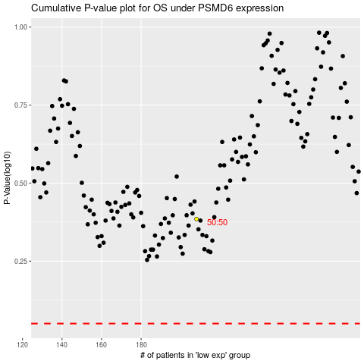

 |  |  |  |  |  | cases_OS | p_OS | rank | exp
 |  |  |  |  |  |  | cases_RFS | p_RFS | rank | exp

