PSMD9 _multivariate
Reported by Tex Li-Hsing Chi. tex@gate.sinica.edu.tw 2019-08-16

Table 2. The clinicopathological features of HNSCC cohort and PSMD9 expression. (Chi square test)
Cutoff at -0.18 (50.0%)
 |  | PSMD9 expression |  | PSMD9 expression |  | (Optimised)
 | Features | Low | (%) | High | (%) | Case no | P-value | Remark | Matthews
Gender | Female | 155 | 37.3 | 151 | 36.4 | 415 | 0.6768 | 0 | 0
2 | Male | 52 | 12.5 | 57 | 13.7
Age at diagnosis | <=65y | 136 | 32.8 | 138 | 33.3 | 415 | 0.9719 | 0 | 0
4 | >65y | 71 | 17.1 | 70 | 16.9
Clinical T Status | T1+T2 | 76 | 18.3 | 73 | 17.6 | 415 | 0.8092 | 0 | 0
6 | T3+T4 | 131 | 31.6 | 135 | 32.5
Clinical N Status | N0 | 113 | 27.2 | 103 | 24.8 | 415 | 0.3495 | 1 | 0
8 | N1-3 | 94 | 22.7 | 105 | 25.3
Clinical M Status | M0 | 207 | 49.9 | 205 | 49.4 | 415 | 0.2482 | 0 | 0
10 | M1 | 0 | 0 | 3 | 0.7
Clinical Stage | Stage I+II | 54 | 13 | 48 | 11.6 | 415 | 0.5498 | 0 | 0
12 | Stage III+IV | 153 | 36.9 | 160 | 38.6
Surgical Margin status | Negative | 168 | 40.5 | 150 | 36.1 | 415 | 0.0366 | 1 | 0
14 | Positive | 39 | 9.4 | 58 | 14
Tobacco Exposure | Low | 82 | 19.8 | 79 | 19 | 415 | 0.763 | 0 | 0
16 | High | 125 | 30.1 | 129 | 31.1

Table 3. Univariate/Multivariate Cox's proportional hazards regression analyses on OS time of PSMD9 gene expression in HNSCC

 |  | Univariate |  |  |  | Multivariate
 | Features | HR | CI95%(L) | CI95%(H) | P-value | HR | CI95%(L) | CI95%(H) | P-value
1 | Female | 1 |  |  |  | 1
Gender | Male | 1.157 | 0.843 | 1.587 | 0.367 | 1.201 | 0.86 | 1.677 | 0.283
11 | <=65y | 1 |  |  |  | 1
Age at diagnosis | >65y | 1.329 | 0.99 | 1.784 | 0.058 | 1.393 | 1.025 | 1.894 | 0.034
12 | T1+T2 | 1 |  |  |  | 1
Clinical T Status | T3+T4 | 1.409 | 1.028 | 1.931 | 0.033 | 2.208 | 1.168 | 4.177 | 0.015
13 | N0 | 1 |  |  |  | 1
Clinical N Status | N1-3 | 1.185 | 0.89 | 1.577 | 0.246 | 1.245 | 0.872 | 1.778 | 0.228
14 | M0 | 1 |  |  |  | 1
Clinical M Status | M1 | 4.097 | 1.009 | 16.644 | 0.049 | 9.661 | 2.09 | 44.661 | 0.004
15 | Stage I+II | 1 |  |  |  | 1
Clinical Stage | Stage III+IV | 1.245 | 0.882 | 1.759 | 0.213 | 0.502 | 0.234 | 1.078 | 0.077
16 | Negative | 1 |  |  |  | 1
Surgical Margin status | Positive | 1.591 | 1.155 | 2.191 | 0.004 | 1.684 | 1.215 | 2.333 | 0.002
17 | Low | 1 |  |  |  | 1
Tobacco Exposure | High | 1.364 | 1.008 | 1.844 | 0.044 | 1.453 | 1.055 | 2.001 | 0.022
18 | Low | 1 |  |  |  | 1
RNAseq(z-score) | High | 1.046 | 0.785 | 1.393 | 0.758 | 0.952 | 0.711 | 1.275 | 0.741

Table 4. Univariate/Multivariate Cox's proportional hazards regression analyses on RFS time of PSMD9 gene expression in HNSCC

 |  | Univariate |  |  |  | Multivariate
 | Features | HR | CI95%(L) | CI95%(H) | P-value | HR | CI95%(L) | CI95%(H) | P-value
1 | Female | 1 |  |  |  | 1
Gender | Male | 1.157 | 0.843 | 1.587 | 0.367 | 1.201 | 0.86 | 1.677 | 0.283
11 | <=65y | 1 |  |  |  | 1
Age at diagnosis | >65y | 1.329 | 0.99 | 1.784 | 0.058 | 1.393 | 1.025 | 1.894 | 0.034
12 | T1+T2 | 1 |  |  |  | 1
Clinical T Status | T3+T4 | 1.409 | 1.028 | 1.931 | 0.033 | 2.208 | 1.168 | 4.177 | 0.015
13 | N0 | 1 |  |  |  | 1
Clinical N Status | N1-3 | 1.185 | 0.89 | 1.577 | 0.246 | 1.245 | 0.872 | 1.778 | 0.228
14 | M0 | 1 |  |  |  | 1
Clinical M Status | M1 | 4.097 | 1.009 | 16.644 | 0.049 | 9.661 | 2.09 | 44.661 | 0.004
15 | Stage I+II | 1 |  |  |  | 1
Clinical Stage | Stage III+IV | 1.245 | 0.882 | 1.759 | 0.213 | 0.502 | 0.234 | 1.078 | 0.077
16 | Negative | 1 |  |  |  | 1
Surgical Margin status | Positive | 1.591 | 1.155 | 2.191 | 0.004 | 1.684 | 1.215 | 2.333 | 0.002
17 | Low | 1 |  |  |  | 1
Tobacco Exposure | High | 1.364 | 1.008 | 1.844 | 0.044 | 1.453 | 1.055 | 2.001 | 0.022
18 | Low | 1 |  |  |  | 1
RNAseq(z-score) | High | 1.046 | 0.785 | 1.393 | 0.758 | 0.952 | 0.711 | 1.275 | 0.741

Kaplan-Meier survival estimate: Cutoff at -0.18 (50.0%)



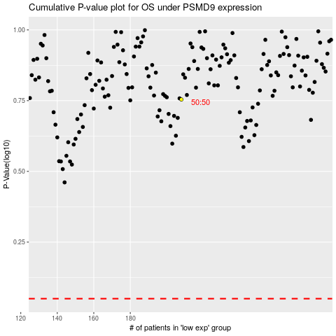

 |  |  |  |  |  | cases_OS | p_OS | rank | exp
 |  |  |  |  |  |  | cases_RFS | p_RFS | rank | exp

