PSME1 _multivariate
Reported by Tex Li-Hsing Chi. tex@gate.sinica.edu.tw 2019-08-16

Table 2. The clinicopathological features of HNSCC cohort and PSME1 expression. (Chi square test)
Cutoff at -0.178 (49.8%)
 |  | PSME1 expression |  | PSME1 expression |  | (Optimised)
 | Features | Low | (%) | High | (%) | Case no | P-value | Remark | Matthews
Gender | Female | 157 | 37.8 | 149 | 35.9 | 415 | 0.3881 | 0 | 0
2 | Male | 50 | 12 | 59 | 14.2
Age at diagnosis | <=65y | 143 | 34.5 | 131 | 31.6 | 415 | 0.2269 | 0 | 0
4 | >65y | 64 | 15.4 | 77 | 18.6
Clinical T Status | T1+T2 | 72 | 17.3 | 77 | 18.6 | 415 | 0.7095 | 0 | 0
6 | T3+T4 | 135 | 32.5 | 131 | 31.6
Clinical N Status | N0 | 116 | 28 | 100 | 24.1 | 415 | 0.1273 | 1 | 0
8 | N1-3 | 91 | 21.9 | 108 | 26
Clinical M Status | M0 | 207 | 49.9 | 205 | 49.4 | 415 | 0.2482 | 0 | 0
10 | M1 | 0 | 0 | 3 | 0.7
Clinical Stage | Stage I+II | 53 | 12.8 | 49 | 11.8 | 415 | 0.7113 | 0 | 0
12 | Stage III+IV | 154 | 37.1 | 159 | 38.3
Surgical Margin status | Negative | 168 | 40.5 | 150 | 36.1 | 415 | 0.0366 | 1 | 0
14 | Positive | 39 | 9.4 | 58 | 14
Tobacco Exposure | Low | 70 | 16.9 | 91 | 21.9 | 415 | 0.0439 | 1 | 0
16 | High | 137 | 33 | 117 | 28.2

Table 3. Univariate/Multivariate Cox's proportional hazards regression analyses on OS time of PSME1 gene expression in HNSCC

 |  | Univariate |  |  |  | Multivariate
 | Features | HR | CI95%(L) | CI95%(H) | P-value | HR | CI95%(L) | CI95%(H) | P-value
1 | Female | 1 |  |  |  | 1
Gender | Male | 1.157 | 0.843 | 1.587 | 0.367 | 1.195 | 0.854 | 1.672 | 0.298
11 | <=65y | 1 |  |  |  | 1
Age at diagnosis | >65y | 1.329 | 0.99 | 1.784 | 0.058 | 1.388 | 1.02 | 1.887 | 0.037
12 | T1+T2 | 1 |  |  |  | 1
Clinical T Status | T3+T4 | 1.409 | 1.028 | 1.931 | 0.033 | 2.2 | 1.164 | 4.161 | 0.015
13 | N0 | 1 |  |  |  | 1
Clinical N Status | N1-3 | 1.185 | 0.89 | 1.577 | 0.246 | 1.23 | 0.86 | 1.76 | 0.258
14 | M0 | 1 |  |  |  | 1
Clinical M Status | M1 | 4.097 | 1.009 | 16.644 | 0.049 | 9.155 | 1.984 | 42.242 | 0.005
15 | Stage I+II | 1 |  |  |  | 1
Clinical Stage | Stage III+IV | 1.245 | 0.882 | 1.759 | 0.213 | 0.507 | 0.236 | 1.089 | 0.082
16 | Negative | 1 |  |  |  | 1
Surgical Margin status | Positive | 1.591 | 1.155 | 2.191 | 0.004 | 1.654 | 1.191 | 2.296 | 0.003
17 | Low | 1 |  |  |  | 1
Tobacco Exposure | High | 1.364 | 1.008 | 1.844 | 0.044 | 1.465 | 1.06 | 2.025 | 0.021
18 | Low | 1 |  |  |  | 1
RNAseq(z-score) | High | 1.158 | 0.869 | 1.542 | 0.316 | 1.059 | 0.783 | 1.431 | 0.711

Table 4. Univariate/Multivariate Cox's proportional hazards regression analyses on RFS time of PSME1 gene expression in HNSCC

 |  | Univariate |  |  |  | Multivariate
 | Features | HR | CI95%(L) | CI95%(H) | P-value | HR | CI95%(L) | CI95%(H) | P-value
1 | Female | 1 |  |  |  | 1
Gender | Male | 1.157 | 0.843 | 1.587 | 0.367 | 1.195 | 0.854 | 1.672 | 0.298
11 | <=65y | 1 |  |  |  | 1
Age at diagnosis | >65y | 1.329 | 0.99 | 1.784 | 0.058 | 1.388 | 1.02 | 1.887 | 0.037
12 | T1+T2 | 1 |  |  |  | 1
Clinical T Status | T3+T4 | 1.409 | 1.028 | 1.931 | 0.033 | 2.2 | 1.164 | 4.161 | 0.015
13 | N0 | 1 |  |  |  | 1
Clinical N Status | N1-3 | 1.185 | 0.89 | 1.577 | 0.246 | 1.23 | 0.86 | 1.76 | 0.258
14 | M0 | 1 |  |  |  | 1
Clinical M Status | M1 | 4.097 | 1.009 | 16.644 | 0.049 | 9.155 | 1.984 | 42.242 | 0.005
15 | Stage I+II | 1 |  |  |  | 1
Clinical Stage | Stage III+IV | 1.245 | 0.882 | 1.759 | 0.213 | 0.507 | 0.236 | 1.089 | 0.082
16 | Negative | 1 |  |  |  | 1
Surgical Margin status | Positive | 1.591 | 1.155 | 2.191 | 0.004 | 1.654 | 1.191 | 2.296 | 0.003
17 | Low | 1 |  |  |  | 1
Tobacco Exposure | High | 1.364 | 1.008 | 1.844 | 0.044 | 1.465 | 1.06 | 2.025 | 0.021
18 | Low | 1 |  |  |  | 1
RNAseq(z-score) | High | 1.158 | 0.869 | 1.542 | 0.316 | 1.059 | 0.783 | 1.431 | 0.711

Kaplan-Meier survival estimate: Cutoff at -0.178 (49.8%)



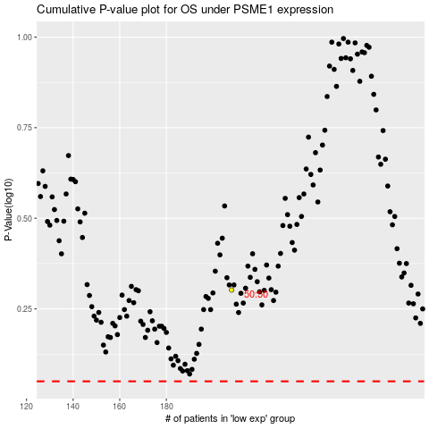

 |  |  |  |  |  | cases_OS | p_OS | rank | exp
 |  |  |  |  |  |  | cases_RFS | p_RFS | rank | exp

