PSME2 _multivariate
Reported by Tex Li-Hsing Chi. tex@gate.sinica.edu.tw 2019-08-16

Table 2. The clinicopathological features of HNSCC cohort and PSME2 expression. (Chi square test)
Cutoff at -0.262 (49.8%)
 |  | PSME2 expression |  | PSME2 expression |  | (Optimised)
 | Features | Low | (%) | High | (%) | Case no | P-value | Remark | Matthews
Gender | Female | 156 | 37.6 | 150 | 36.1 | 415 | 0.5222 | 0 | 0
2 | Male | 51 | 12.3 | 58 | 14
Age at diagnosis | <=65y | 141 | 34 | 133 | 32 | 415 | 0.4272 | 0 | 0
4 | >65y | 66 | 15.9 | 75 | 18.1
Clinical T Status | T1+T2 | 72 | 17.3 | 77 | 18.6 | 415 | 0.7095 | 0 | 0
6 | T3+T4 | 135 | 32.5 | 131 | 31.6
Clinical N Status | N0 | 114 | 27.5 | 102 | 24.6 | 415 | 0.2576 | 1 | 0
8 | N1-3 | 93 | 22.4 | 106 | 25.5
Clinical M Status | M0 | 207 | 49.9 | 205 | 49.4 | 415 | 0.2482 | 0 | 0
10 | M1 | 0 | 0 | 3 | 0.7
Clinical Stage | Stage I+II | 51 | 12.3 | 51 | 12.3 | 415 | 1 | 0 | 0
12 | Stage III+IV | 156 | 37.6 | 157 | 37.8
Surgical Margin status | Negative | 169 | 40.7 | 149 | 35.9 | 415 | 0.0201 | 1 | 0
14 | Positive | 38 | 9.2 | 59 | 14.2
Tobacco Exposure | Low | 71 | 17.1 | 90 | 21.7 | 415 | 0.0698 | 0 | 0
16 | High | 136 | 32.8 | 118 | 28.4

Table 3. Univariate/Multivariate Cox's proportional hazards regression analyses on OS time of PSME2 gene expression in HNSCC

 |  | Univariate |  |  |  | Multivariate
 | Features | HR | CI95%(L) | CI95%(H) | P-value | HR | CI95%(L) | CI95%(H) | P-value
1 | Female | 1 |  |  |  | 1
Gender | Male | 1.157 | 0.843 | 1.587 | 0.367 | 1.196 | 0.855 | 1.672 | 0.296
11 | <=65y | 1 |  |  |  | 1
Age at diagnosis | >65y | 1.329 | 0.99 | 1.784 | 0.058 | 1.387 | 1.02 | 1.886 | 0.037
12 | T1+T2 | 1 |  |  |  | 1
Clinical T Status | T3+T4 | 1.409 | 1.028 | 1.931 | 0.033 | 2.184 | 1.154 | 4.132 | 0.016
13 | N0 | 1 |  |  |  | 1
Clinical N Status | N1-3 | 1.185 | 0.89 | 1.577 | 0.246 | 1.222 | 0.854 | 1.749 | 0.273
14 | M0 | 1 |  |  |  | 1
Clinical M Status | M1 | 4.097 | 1.009 | 16.644 | 0.049 | 8.936 | 1.934 | 41.29 | 0.005
15 | Stage I+II | 1 |  |  |  | 1
Clinical Stage | Stage III+IV | 1.245 | 0.882 | 1.759 | 0.213 | 0.514 | 0.239 | 1.106 | 0.089
16 | Negative | 1 |  |  |  | 1
Surgical Margin status | Positive | 1.591 | 1.155 | 2.191 | 0.004 | 1.642 | 1.183 | 2.279 | 0.003
17 | Low | 1 |  |  |  | 1
Tobacco Exposure | High | 1.364 | 1.008 | 1.844 | 0.044 | 1.469 | 1.064 | 2.029 | 0.019
18 | Low | 1 |  |  |  | 1
RNAseq(z-score) | High | 1.209 | 0.908 | 1.611 | 0.195 | 1.101 | 0.817 | 1.484 | 0.526

Table 4. Univariate/Multivariate Cox's proportional hazards regression analyses on RFS time of PSME2 gene expression in HNSCC

 |  | Univariate |  |  |  | Multivariate
 | Features | HR | CI95%(L) | CI95%(H) | P-value | HR | CI95%(L) | CI95%(H) | P-value
1 | Female | 1 |  |  |  | 1
Gender | Male | 1.157 | 0.843 | 1.587 | 0.367 | 1.196 | 0.855 | 1.672 | 0.296
11 | <=65y | 1 |  |  |  | 1
Age at diagnosis | >65y | 1.329 | 0.99 | 1.784 | 0.058 | 1.387 | 1.02 | 1.886 | 0.037
12 | T1+T2 | 1 |  |  |  | 1
Clinical T Status | T3+T4 | 1.409 | 1.028 | 1.931 | 0.033 | 2.184 | 1.154 | 4.132 | 0.016
13 | N0 | 1 |  |  |  | 1
Clinical N Status | N1-3 | 1.185 | 0.89 | 1.577 | 0.246 | 1.222 | 0.854 | 1.749 | 0.273
14 | M0 | 1 |  |  |  | 1
Clinical M Status | M1 | 4.097 | 1.009 | 16.644 | 0.049 | 8.936 | 1.934 | 41.29 | 0.005
15 | Stage I+II | 1 |  |  |  | 1
Clinical Stage | Stage III+IV | 1.245 | 0.882 | 1.759 | 0.213 | 0.514 | 0.239 | 1.106 | 0.089
16 | Negative | 1 |  |  |  | 1
Surgical Margin status | Positive | 1.591 | 1.155 | 2.191 | 0.004 | 1.642 | 1.183 | 2.279 | 0.003
17 | Low | 1 |  |  |  | 1
Tobacco Exposure | High | 1.364 | 1.008 | 1.844 | 0.044 | 1.469 | 1.064 | 2.029 | 0.019
18 | Low | 1 |  |  |  | 1
RNAseq(z-score) | High | 1.209 | 0.908 | 1.611 | 0.195 | 1.101 | 0.817 | 1.484 | 0.526

Kaplan-Meier survival estimate: Cutoff at -0.262 (49.8%)



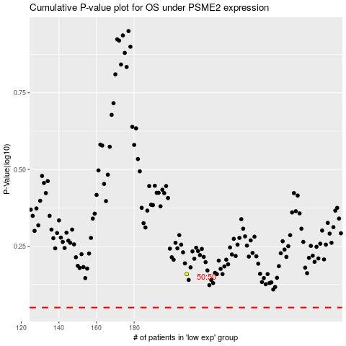

 |  |  |  |  |  | cases_OS | p_OS | rank | exp
 |  |  |  |  |  |  | cases_RFS | p_RFS | rank | exp

