PSME4 _multivariate
Reported by Tex Li-Hsing Chi. tex@gate.sinica.edu.tw 2019-08-16

Table 2. The clinicopathological features of HNSCC cohort and PSME4 expression. (Chi square test)
Cutoff at -0.039 (50.0%)
 |  | PSME4 expression |  | PSME4 expression |  | (Optimised)
 | Features | Low | (%) | High | (%) | Case no | P-value | Remark | Matthews
Gender | Female | 147 | 35.4 | 159 | 38.3 | 415 | 0.2523 | 0 | 0
2 | Male | 60 | 14.5 | 49 | 11.8
Age at diagnosis | <=65y | 137 | 33 | 137 | 33 | 415 | 1 | 0 | 0
4 | >65y | 70 | 16.9 | 71 | 17.1
Clinical T Status | T1+T2 | 88 | 21.2 | 61 | 14.7 | 415 | 0.007 | 1 | 0
6 | T3+T4 | 119 | 28.7 | 147 | 35.4
Clinical N Status | N0 | 110 | 26.5 | 106 | 25.5 | 415 | 0.7294 | 0 | 0
8 | N1-3 | 97 | 23.4 | 102 | 24.6
Clinical M Status | M0 | 204 | 49.2 | 208 | 50.1 | 415 | 0.1232 | 0 | 0
10 | M1 | 3 | 0.7 | 0 | 0
Clinical Stage | Stage I+II | 62 | 14.9 | 40 | 9.6 | 415 | 0.0154 | 1 | 0
12 | Stage III+IV | 145 | 34.9 | 168 | 40.5
Surgical Margin status | Negative | 160 | 38.6 | 158 | 38.1 | 415 | 0.8167 | 0 | 0
14 | Positive | 47 | 11.3 | 50 | 12
Tobacco Exposure | Low | 95 | 22.9 | 66 | 15.9 | 415 | 0.0035 | 1 | 0
16 | High | 112 | 27 | 142 | 34.2

Table 3. Univariate/Multivariate Cox's proportional hazards regression analyses on OS time of PSME4 gene expression in HNSCC

 |  | Univariate |  |  |  | Multivariate
 | Features | HR | CI95%(L) | CI95%(H) | P-value | HR | CI95%(L) | CI95%(H) | P-value
1 | Female | 1 |  |  |  | 1
Gender | Male | 1.157 | 0.843 | 1.587 | 0.367 | 1.209 | 0.864 | 1.691 | 0.269
11 | <=65y | 1 |  |  |  | 1
Age at diagnosis | >65y | 1.329 | 0.99 | 1.784 | 0.058 | 1.386 | 1.019 | 1.886 | 0.038
12 | T1+T2 | 1 |  |  |  | 1
Clinical T Status | T3+T4 | 1.409 | 1.028 | 1.931 | 0.033 | 2.21 | 1.168 | 4.18 | 0.015
13 | N0 | 1 |  |  |  | 1
Clinical N Status | N1-3 | 1.185 | 0.89 | 1.577 | 0.246 | 1.248 | 0.873 | 1.784 | 0.223
14 | M0 | 1 |  |  |  | 1
Clinical M Status | M1 | 4.097 | 1.009 | 16.644 | 0.049 | 9.695 | 2.093 | 44.901 | 0.004
15 | Stage I+II | 1 |  |  |  | 1
Clinical Stage | Stage III+IV | 1.245 | 0.882 | 1.759 | 0.213 | 0.497 | 0.231 | 1.072 | 0.075
16 | Negative | 1 |  |  |  | 1
Surgical Margin status | Positive | 1.591 | 1.155 | 2.191 | 0.004 | 1.682 | 1.215 | 2.328 | 0.002
17 | Low | 1 |  |  |  | 1
Tobacco Exposure | High | 1.364 | 1.008 | 1.844 | 0.044 | 1.447 | 1.049 | 1.995 | 0.024
18 | Low | 1 |  |  |  | 1
RNAseq(z-score) | High | 1.033 | 0.775 | 1.376 | 0.825 | 1.053 | 0.782 | 1.419 | 0.734

Table 4. Univariate/Multivariate Cox's proportional hazards regression analyses on RFS time of PSME4 gene expression in HNSCC

 |  | Univariate |  |  |  | Multivariate
 | Features | HR | CI95%(L) | CI95%(H) | P-value | HR | CI95%(L) | CI95%(H) | P-value
1 | Female | 1 |  |  |  | 1
Gender | Male | 1.157 | 0.843 | 1.587 | 0.367 | 1.209 | 0.864 | 1.691 | 0.269
11 | <=65y | 1 |  |  |  | 1
Age at diagnosis | >65y | 1.329 | 0.99 | 1.784 | 0.058 | 1.386 | 1.019 | 1.886 | 0.038
12 | T1+T2 | 1 |  |  |  | 1
Clinical T Status | T3+T4 | 1.409 | 1.028 | 1.931 | 0.033 | 2.21 | 1.168 | 4.18 | 0.015
13 | N0 | 1 |  |  |  | 1
Clinical N Status | N1-3 | 1.185 | 0.89 | 1.577 | 0.246 | 1.248 | 0.873 | 1.784 | 0.223
14 | M0 | 1 |  |  |  | 1
Clinical M Status | M1 | 4.097 | 1.009 | 16.644 | 0.049 | 9.695 | 2.093 | 44.901 | 0.004
15 | Stage I+II | 1 |  |  |  | 1
Clinical Stage | Stage III+IV | 1.245 | 0.882 | 1.759 | 0.213 | 0.497 | 0.231 | 1.072 | 0.075
16 | Negative | 1 |  |  |  | 1
Surgical Margin status | Positive | 1.591 | 1.155 | 2.191 | 0.004 | 1.682 | 1.215 | 2.328 | 0.002
17 | Low | 1 |  |  |  | 1
Tobacco Exposure | High | 1.364 | 1.008 | 1.844 | 0.044 | 1.447 | 1.049 | 1.995 | 0.024
18 | Low | 1 |  |  |  | 1
RNAseq(z-score) | High | 1.033 | 0.775 | 1.376 | 0.825 | 1.053 | 0.782 | 1.419 | 0.734

Kaplan-Meier survival estimate: Cutoff at -0.039 (50.0%)



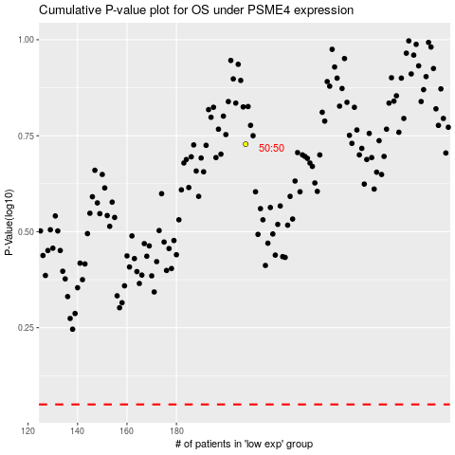

 |  |  |  |  |  | cases_OS | p_OS | rank | exp
 |  |  |  |  |  |  | cases_RFS | p_RFS | rank | exp

