PSMG3 _multivariate
Reported by Tex Li-Hsing Chi. tex@gate.sinica.edu.tw 2019-08-16

Table 2. The clinicopathological features of HNSCC cohort and PSMG3 expression. (Chi square test)
Cutoff at -0.261 (49.8%)
 |  | PSMG3 expression |  | PSMG3 expression |  | (Optimised)
 | Features | Low | (%) | High | (%) | Case no | P-value | Remark | Matthews
Gender | Female | 151 | 36.4 | 155 | 37.3 | 415 | 0.8007 | 0 | 0
2 | Male | 56 | 13.5 | 53 | 12.8
Age at diagnosis | <=65y | 140 | 33.7 | 134 | 32.3 | 415 | 0.5574 | 0 | 0
4 | >65y | 67 | 16.1 | 74 | 17.8
Clinical T Status | T1+T2 | 76 | 18.3 | 73 | 17.6 | 415 | 0.8092 | 0 | 0
6 | T3+T4 | 131 | 31.6 | 135 | 32.5
Clinical N Status | N0 | 106 | 25.5 | 110 | 26.5 | 415 | 0.8075 | 0 | 0
8 | N1-3 | 101 | 24.3 | 98 | 23.6
Clinical M Status | M0 | 207 | 49.9 | 205 | 49.4 | 415 | 0.2482 | 0 | 0
10 | M1 | 0 | 0 | 3 | 0.7
Clinical Stage | Stage I+II | 52 | 12.5 | 50 | 12 | 415 | 0.8871 | 0 | 0
12 | Stage III+IV | 155 | 37.3 | 158 | 38.1
Surgical Margin status | Negative | 164 | 39.5 | 154 | 37.1 | 415 | 0.2462 | 0 | 0
14 | Positive | 43 | 10.4 | 54 | 13
Tobacco Exposure | Low | 90 | 21.7 | 71 | 17.1 | 415 | 0.0559 | 0 | 0
16 | High | 117 | 28.2 | 137 | 33

Table 3. Univariate/Multivariate Cox's proportional hazards regression analyses on OS time of PSMG3 gene expression in HNSCC

 |  | Univariate |  |  |  | Multivariate
 | Features | HR | CI95%(L) | CI95%(H) | P-value | HR | CI95%(L) | CI95%(H) | P-value
1 | Female | 1 |  |  |  | 1
Gender | Male | 1.157 | 0.843 | 1.587 | 0.367 | 1.192 | 0.852 | 1.669 | 0.305
11 | <=65y | 1 |  |  |  | 1
Age at diagnosis | >65y | 1.329 | 0.99 | 1.784 | 0.058 | 1.383 | 1.016 | 1.882 | 0.039
12 | T1+T2 | 1 |  |  |  | 1
Clinical T Status | T3+T4 | 1.409 | 1.028 | 1.931 | 0.033 | 2.197 | 1.162 | 4.154 | 0.015
13 | N0 | 1 |  |  |  | 1
Clinical N Status | N1-3 | 1.185 | 0.89 | 1.577 | 0.246 | 1.245 | 0.872 | 1.777 | 0.228
14 | M0 | 1 |  |  |  | 1
Clinical M Status | M1 | 4.097 | 1.009 | 16.644 | 0.049 | 9.036 | 1.951 | 41.857 | 0.005
15 | Stage I+II | 1 |  |  |  | 1
Clinical Stage | Stage III+IV | 1.245 | 0.882 | 1.759 | 0.213 | 0.505 | 0.235 | 1.084 | 0.08
16 | Negative | 1 |  |  |  | 1
Surgical Margin status | Positive | 1.591 | 1.155 | 2.191 | 0.004 | 1.654 | 1.194 | 2.293 | 0.003
17 | Low | 1 |  |  |  | 1
Tobacco Exposure | High | 1.364 | 1.008 | 1.844 | 0.044 | 1.439 | 1.042 | 1.988 | 0.027
18 | Low | 1 |  |  |  | 1
RNAseq(z-score) | High | 1.241 | 0.931 | 1.653 | 0.141 | 1.068 | 0.794 | 1.436 | 0.663

Table 4. Univariate/Multivariate Cox's proportional hazards regression analyses on RFS time of PSMG3 gene expression in HNSCC

 |  | Univariate |  |  |  | Multivariate
 | Features | HR | CI95%(L) | CI95%(H) | P-value | HR | CI95%(L) | CI95%(H) | P-value
1 | Female | 1 |  |  |  | 1
Gender | Male | 1.157 | 0.843 | 1.587 | 0.367 | 1.192 | 0.852 | 1.669 | 0.305
11 | <=65y | 1 |  |  |  | 1
Age at diagnosis | >65y | 1.329 | 0.99 | 1.784 | 0.058 | 1.383 | 1.016 | 1.882 | 0.039
12 | T1+T2 | 1 |  |  |  | 1
Clinical T Status | T3+T4 | 1.409 | 1.028 | 1.931 | 0.033 | 2.197 | 1.162 | 4.154 | 0.015
13 | N0 | 1 |  |  |  | 1
Clinical N Status | N1-3 | 1.185 | 0.89 | 1.577 | 0.246 | 1.245 | 0.872 | 1.777 | 0.228
14 | M0 | 1 |  |  |  | 1
Clinical M Status | M1 | 4.097 | 1.009 | 16.644 | 0.049 | 9.036 | 1.951 | 41.857 | 0.005
15 | Stage I+II | 1 |  |  |  | 1
Clinical Stage | Stage III+IV | 1.245 | 0.882 | 1.759 | 0.213 | 0.505 | 0.235 | 1.084 | 0.08
16 | Negative | 1 |  |  |  | 1
Surgical Margin status | Positive | 1.591 | 1.155 | 2.191 | 0.004 | 1.654 | 1.194 | 2.293 | 0.003
17 | Low | 1 |  |  |  | 1
Tobacco Exposure | High | 1.364 | 1.008 | 1.844 | 0.044 | 1.439 | 1.042 | 1.988 | 0.027
18 | Low | 1 |  |  |  | 1
RNAseq(z-score) | High | 1.241 | 0.931 | 1.653 | 0.141 | 1.068 | 0.794 | 1.436 | 0.663

Kaplan-Meier survival estimate: Cutoff at -0.261 (49.8%)



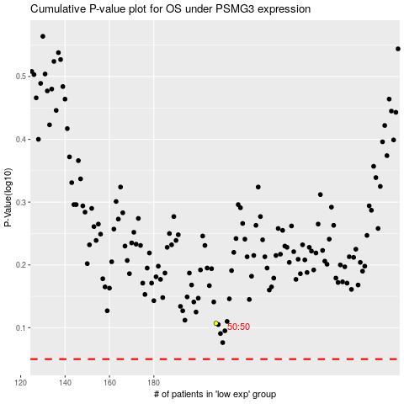

 |  |  |  |  |  | cases_OS | p_OS | rank | exp
 |  |  |  |  |  |  | cases_RFS | p_RFS | rank | exp

