PSORS1C2 _multivariate
Reported by Tex Li-Hsing Chi. tex@gate.sinica.edu.tw 2019-08-16

Table 2. The clinicopathological features of HNSCC cohort and PSORS1C2 expression. (Chi square test)
Cutoff at -0.272 (50.0%)
 |  | PSORS1C2 expression |  | PSORS1C2 expression |  | (Optimised)
 | Features | Low | (%) | High | (%) | Case no | P-value | Remark | Matthews
Gender | Female | 160 | 38.6 | 146 | 35.2 | 415 | 0.1254 | 0 | 0
2 | Male | 47 | 11.3 | 62 | 14.9
Age at diagnosis | <=65y | 138 | 33.3 | 136 | 32.8 | 415 | 0.8634 | 0 | 0
4 | >65y | 69 | 16.6 | 72 | 17.3
Clinical T Status | T1+T2 | 81 | 19.5 | 68 | 16.4 | 415 | 0.206 | 0 | 0
6 | T3+T4 | 126 | 30.4 | 140 | 33.7
Clinical N Status | N0 | 96 | 23.1 | 120 | 28.9 | 415 | 0.0272 | 1 | 0
8 | N1-3 | 111 | 26.7 | 88 | 21.2
Clinical M Status | M0 | 206 | 49.6 | 206 | 49.6 | 415 | 1 | 0 | 0
10 | M1 | 1 | 0.2 | 2 | 0.5
Clinical Stage | Stage I+II | 50 | 12 | 52 | 12.5 | 415 | 0.9315 | 0 | 0
12 | Stage III+IV | 157 | 37.8 | 156 | 37.6
Surgical Margin status | Negative | 151 | 36.4 | 167 | 40.2 | 415 | 0.0828 | 0 | 0
14 | Positive | 56 | 13.5 | 41 | 9.9
Tobacco Exposure | Low | 76 | 18.3 | 85 | 20.5 | 415 | 0.4207 | 0 | 0
16 | High | 131 | 31.6 | 123 | 29.6

Table 3. Univariate/Multivariate Cox's proportional hazards regression analyses on OS time of PSORS1C2 gene expression in HNSCC

 |  | Univariate |  |  |  | Multivariate
 | Features | HR | CI95%(L) | CI95%(H) | P-value | HR | CI95%(L) | CI95%(H) | P-value
1 | Female | 1 |  |  |  | 1
Gender | Male | 1.157 | 0.843 | 1.587 | 0.367 | 1.235 | 0.883 | 1.728 | 0.217
11 | <=65y | 1 |  |  |  | 1
Age at diagnosis | >65y | 1.329 | 0.99 | 1.784 | 0.058 | 1.396 | 1.027 | 1.897 | 0.033
12 | T1+T2 | 1 |  |  |  | 1
Clinical T Status | T3+T4 | 1.409 | 1.028 | 1.931 | 0.033 | 2.26 | 1.194 | 4.279 | 0.012
13 | N0 | 1 |  |  |  | 1
Clinical N Status | N1-3 | 1.185 | 0.89 | 1.577 | 0.246 | 1.198 | 0.836 | 1.717 | 0.326
14 | M0 | 1 |  |  |  | 1
Clinical M Status | M1 | 4.097 | 1.009 | 16.644 | 0.049 | 10.436 | 2.257 | 48.255 | 0.003
15 | Stage I+II | 1 |  |  |  | 1
Clinical Stage | Stage III+IV | 1.245 | 0.882 | 1.759 | 0.213 | 0.503 | 0.234 | 1.079 | 0.078
16 | Negative | 1 |  |  |  | 1
Surgical Margin status | Positive | 1.591 | 1.155 | 2.191 | 0.004 | 1.642 | 1.188 | 2.272 | 0.003
17 | Low | 1 |  |  |  | 1
Tobacco Exposure | High | 1.364 | 1.008 | 1.844 | 0.044 | 1.457 | 1.058 | 2.006 | 0.021
18 | Low | 1 |  |  |  | 1
RNAseq(z-score) | High | 0.852 | 0.639 | 1.137 | 0.277 | 0.825 | 0.612 | 1.111 | 0.205

Table 4. Univariate/Multivariate Cox's proportional hazards regression analyses on RFS time of PSORS1C2 gene expression in HNSCC

 |  | Univariate |  |  |  | Multivariate
 | Features | HR | CI95%(L) | CI95%(H) | P-value | HR | CI95%(L) | CI95%(H) | P-value
1 | Female | 1 |  |  |  | 1
Gender | Male | 1.157 | 0.843 | 1.587 | 0.367 | 1.235 | 0.883 | 1.728 | 0.217
11 | <=65y | 1 |  |  |  | 1
Age at diagnosis | >65y | 1.329 | 0.99 | 1.784 | 0.058 | 1.396 | 1.027 | 1.897 | 0.033
12 | T1+T2 | 1 |  |  |  | 1
Clinical T Status | T3+T4 | 1.409 | 1.028 | 1.931 | 0.033 | 2.26 | 1.194 | 4.279 | 0.012
13 | N0 | 1 |  |  |  | 1
Clinical N Status | N1-3 | 1.185 | 0.89 | 1.577 | 0.246 | 1.198 | 0.836 | 1.717 | 0.326
14 | M0 | 1 |  |  |  | 1
Clinical M Status | M1 | 4.097 | 1.009 | 16.644 | 0.049 | 10.436 | 2.257 | 48.255 | 0.003
15 | Stage I+II | 1 |  |  |  | 1
Clinical Stage | Stage III+IV | 1.245 | 0.882 | 1.759 | 0.213 | 0.503 | 0.234 | 1.079 | 0.078
16 | Negative | 1 |  |  |  | 1
Surgical Margin status | Positive | 1.591 | 1.155 | 2.191 | 0.004 | 1.642 | 1.188 | 2.272 | 0.003
17 | Low | 1 |  |  |  | 1
Tobacco Exposure | High | 1.364 | 1.008 | 1.844 | 0.044 | 1.457 | 1.058 | 2.006 | 0.021
18 | Low | 1 |  |  |  | 1
RNAseq(z-score) | High | 0.852 | 0.639 | 1.137 | 0.277 | 0.825 | 0.612 | 1.111 | 0.205

Kaplan-Meier survival estimate: Cutoff at -0.272 (50.0%)



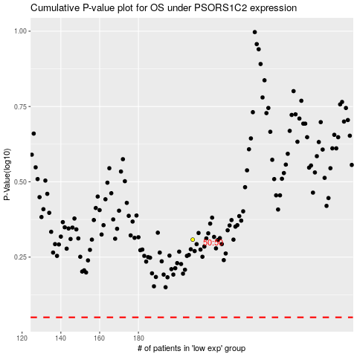

 |  |  |  |  |  | cases_OS | p_OS | rank | exp
 |  |  |  |  |  |  | cases_RFS | p_RFS | rank | exp

