PSPH _multivariate
Reported by Tex Li-Hsing Chi. tex@gate.sinica.edu.tw 2019-08-16

Table 2. The clinicopathological features of HNSCC cohort and PSPH expression. (Chi square test)
Cutoff at -0.21 (50.0%)
 |  | PSPH expression |  | PSPH expression |  | (Optimised)
 | Features | Low | (%) | High | (%) | Case no | P-value | Remark | Matthews
Gender | Female | 151 | 36.4 | 155 | 37.3 | 415 | 0.8007 | 0 | 0
2 | Male | 56 | 13.5 | 53 | 12.8
Age at diagnosis | <=65y | 133 | 32 | 141 | 34 | 415 | 0.5111 | 0 | 0
4 | >65y | 74 | 17.8 | 67 | 16.1
Clinical T Status | T1+T2 | 82 | 19.8 | 67 | 16.1 | 415 | 0.1417 | 0 | 0
6 | T3+T4 | 125 | 30.1 | 141 | 34
Clinical N Status | N0 | 118 | 28.4 | 98 | 23.6 | 415 | 0.0551 | 1 | 0
8 | N1-3 | 89 | 21.4 | 110 | 26.5
Clinical M Status | M0 | 207 | 49.9 | 205 | 49.4 | 415 | 0.2482 | 0 | 0
10 | M1 | 0 | 0 | 3 | 0.7
Clinical Stage | Stage I+II | 62 | 14.9 | 40 | 9.6 | 415 | 0.0154 | 1 | 0
12 | Stage III+IV | 145 | 34.9 | 168 | 40.5
Surgical Margin status | Negative | 161 | 38.8 | 157 | 37.8 | 415 | 0.6429 | 0 | 0
14 | Positive | 46 | 11.1 | 51 | 12.3
Tobacco Exposure | Low | 78 | 18.8 | 83 | 20 | 415 | 0.6873 | 0 | 0
16 | High | 129 | 31.1 | 125 | 30.1

Table 3. Univariate/Multivariate Cox's proportional hazards regression analyses on OS time of PSPH gene expression in HNSCC

 |  | Univariate |  |  |  | Multivariate
 | Features | HR | CI95%(L) | CI95%(H) | P-value | HR | CI95%(L) | CI95%(H) | P-value
1 | Female | 1 |  |  |  | 1
Gender | Male | 1.157 | 0.843 | 1.587 | 0.367 | 1.21 | 0.865 | 1.692 | 0.265
11 | <=65y | 1 |  |  |  | 1
Age at diagnosis | >65y | 1.329 | 0.99 | 1.784 | 0.058 | 1.401 | 1.03 | 1.905 | 0.032
12 | T1+T2 | 1 |  |  |  | 1
Clinical T Status | T3+T4 | 1.409 | 1.028 | 1.931 | 0.033 | 2.215 | 1.171 | 4.189 | 0.014
13 | N0 | 1 |  |  |  | 1
Clinical N Status | N1-3 | 1.185 | 0.89 | 1.577 | 0.246 | 1.241 | 0.87 | 1.77 | 0.234
14 | M0 | 1 |  |  |  | 1
Clinical M Status | M1 | 4.097 | 1.009 | 16.644 | 0.049 | 9.016 | 1.959 | 41.492 | 0.005
15 | Stage I+II | 1 |  |  |  | 1
Clinical Stage | Stage III+IV | 1.245 | 0.882 | 1.759 | 0.213 | 0.491 | 0.228 | 1.058 | 0.069
16 | Negative | 1 |  |  |  | 1
Surgical Margin status | Positive | 1.591 | 1.155 | 2.191 | 0.004 | 1.684 | 1.218 | 2.329 | 0.002
17 | Low | 1 |  |  |  | 1
Tobacco Exposure | High | 1.364 | 1.008 | 1.844 | 0.044 | 1.457 | 1.057 | 2.007 | 0.022
18 | Low | 1 |  |  |  | 1
RNAseq(z-score) | High | 1.104 | 0.829 | 1.47 | 0.499 | 1.118 | 0.834 | 1.5 | 0.456

Table 4. Univariate/Multivariate Cox's proportional hazards regression analyses on RFS time of PSPH gene expression in HNSCC

 |  | Univariate |  |  |  | Multivariate
 | Features | HR | CI95%(L) | CI95%(H) | P-value | HR | CI95%(L) | CI95%(H) | P-value
1 | Female | 1 |  |  |  | 1
Gender | Male | 1.157 | 0.843 | 1.587 | 0.367 | 1.21 | 0.865 | 1.692 | 0.265
11 | <=65y | 1 |  |  |  | 1
Age at diagnosis | >65y | 1.329 | 0.99 | 1.784 | 0.058 | 1.401 | 1.03 | 1.905 | 0.032
12 | T1+T2 | 1 |  |  |  | 1
Clinical T Status | T3+T4 | 1.409 | 1.028 | 1.931 | 0.033 | 2.215 | 1.171 | 4.189 | 0.014
13 | N0 | 1 |  |  |  | 1
Clinical N Status | N1-3 | 1.185 | 0.89 | 1.577 | 0.246 | 1.241 | 0.87 | 1.77 | 0.234
14 | M0 | 1 |  |  |  | 1
Clinical M Status | M1 | 4.097 | 1.009 | 16.644 | 0.049 | 9.016 | 1.959 | 41.492 | 0.005
15 | Stage I+II | 1 |  |  |  | 1
Clinical Stage | Stage III+IV | 1.245 | 0.882 | 1.759 | 0.213 | 0.491 | 0.228 | 1.058 | 0.069
16 | Negative | 1 |  |  |  | 1
Surgical Margin status | Positive | 1.591 | 1.155 | 2.191 | 0.004 | 1.684 | 1.218 | 2.329 | 0.002
17 | Low | 1 |  |  |  | 1
Tobacco Exposure | High | 1.364 | 1.008 | 1.844 | 0.044 | 1.457 | 1.057 | 2.007 | 0.022
18 | Low | 1 |  |  |  | 1
RNAseq(z-score) | High | 1.104 | 0.829 | 1.47 | 0.499 | 1.118 | 0.834 | 1.5 | 0.456

Kaplan-Meier survival estimate: Cutoff at -0.21 (50.0%)



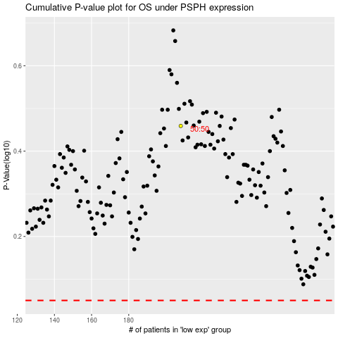

 |  |  |  |  |  | cases_OS | p_OS | rank | exp
 |  |  |  |  |  |  | cases_RFS | p_RFS | rank | exp

