PSRC1 _multivariate
Reported by Tex Li-Hsing Chi. tex@gate.sinica.edu.tw 2019-08-16

Table 2. The clinicopathological features of HNSCC cohort and PSRC1 expression. (Chi square test)
Cutoff at -0.435 (36.7%)
 |  | PSRC1 expression |  | PSRC1 expression |  | (Optimised)
 | Features | Low | (%) | High | (%) | Case no | P-value | Remark | Matthews
Gender | Female | 105 | 25.3 | 201 | 48.4 | 415 | 0.0908 | 0 | 0
2 | Male | 48 | 11.6 | 61 | 14.7
Age at diagnosis | <=65y | 99 | 23.9 | 175 | 42.2 | 415 | 0.7445 | 0 | 0
4 | >65y | 54 | 13 | 87 | 21
Clinical T Status | T1+T2 | 59 | 14.2 | 90 | 21.7 | 415 | 0.4493 | 0 | 0
6 | T3+T4 | 94 | 22.7 | 172 | 41.4
Clinical N Status | N0 | 94 | 22.7 | 122 | 29.4 | 415 | 0.0047 | 1 | 0
8 | N1-3 | 59 | 14.2 | 140 | 33.7
Clinical M Status | M0 | 152 | 36.6 | 260 | 62.7 | 415 | 1 | 0 | 0
10 | M1 | 1 | 0.2 | 2 | 0.5
Clinical Stage | Stage I+II | 45 | 10.8 | 57 | 13.7 | 415 | 0.1032 | 0 | 0
12 | Stage III+IV | 108 | 26 | 205 | 49.4
Surgical Margin status | Negative | 123 | 29.6 | 195 | 47 | 415 | 0.1867 | 0 | 0
14 | Positive | 30 | 7.2 | 67 | 16.1
Tobacco Exposure | Low | 75 | 18.1 | 86 | 20.7 | 415 | 0.0012 | 1 | 0
16 | High | 78 | 18.8 | 176 | 42.4

Table 3. Univariate/Multivariate Cox's proportional hazards regression analyses on OS time of PSRC1 gene expression in HNSCC

 |  | Univariate |  |  |  | Multivariate
 | Features | HR | CI95%(L) | CI95%(H) | P-value | HR | CI95%(L) | CI95%(H) | P-value
1 | Female | 1 |  |  |  | 1
Gender | Male | 1.157 | 0.843 | 1.587 | 0.367 | 1.21 | 0.865 | 1.691 | 0.266
11 | <=65y | 1 |  |  |  | 1
Age at diagnosis | >65y | 1.329 | 0.99 | 1.784 | 0.058 | 1.358 | 0.998 | 1.847 | 0.051
12 | T1+T2 | 1 |  |  |  | 1
Clinical T Status | T3+T4 | 1.409 | 1.028 | 1.931 | 0.033 | 2.227 | 1.177 | 4.213 | 0.014
13 | N0 | 1 |  |  |  | 1
Clinical N Status | N1-3 | 1.185 | 0.89 | 1.577 | 0.246 | 1.198 | 0.837 | 1.715 | 0.323
14 | M0 | 1 |  |  |  | 1
Clinical M Status | M1 | 4.097 | 1.009 | 16.644 | 0.049 | 9.747 | 2.124 | 44.727 | 0.003
15 | Stage I+II | 1 |  |  |  | 1
Clinical Stage | Stage III+IV | 1.245 | 0.882 | 1.759 | 0.213 | 0.5 | 0.233 | 1.074 | 0.076
16 | Negative | 1 |  |  |  | 1
Surgical Margin status | Positive | 1.591 | 1.155 | 2.191 | 0.004 | 1.643 | 1.188 | 2.272 | 0.003
17 | Low | 1 |  |  |  | 1
Tobacco Exposure | High | 1.364 | 1.008 | 1.844 | 0.044 | 1.401 | 1.014 | 1.936 | 0.041
18 | Low | 1 |  |  |  | 1
RNAseq(z-score) | High | 1.37 | 1.01 | 1.858 | 0.043 | 1.25 | 0.913 | 1.712 | 0.164

Table 4. Univariate/Multivariate Cox's proportional hazards regression analyses on RFS time of PSRC1 gene expression in HNSCC

 |  | Univariate |  |  |  | Multivariate
 | Features | HR | CI95%(L) | CI95%(H) | P-value | HR | CI95%(L) | CI95%(H) | P-value
1 | Female | 1 |  |  |  | 1
Gender | Male | 1.157 | 0.843 | 1.587 | 0.367 | 1.21 | 0.865 | 1.691 | 0.266
11 | <=65y | 1 |  |  |  | 1
Age at diagnosis | >65y | 1.329 | 0.99 | 1.784 | 0.058 | 1.358 | 0.998 | 1.847 | 0.051
12 | T1+T2 | 1 |  |  |  | 1
Clinical T Status | T3+T4 | 1.409 | 1.028 | 1.931 | 0.033 | 2.227 | 1.177 | 4.213 | 0.014
13 | N0 | 1 |  |  |  | 1
Clinical N Status | N1-3 | 1.185 | 0.89 | 1.577 | 0.246 | 1.198 | 0.837 | 1.715 | 0.323
14 | M0 | 1 |  |  |  | 1
Clinical M Status | M1 | 4.097 | 1.009 | 16.644 | 0.049 | 9.747 | 2.124 | 44.727 | 0.003
15 | Stage I+II | 1 |  |  |  | 1
Clinical Stage | Stage III+IV | 1.245 | 0.882 | 1.759 | 0.213 | 0.5 | 0.233 | 1.074 | 0.076
16 | Negative | 1 |  |  |  | 1
Surgical Margin status | Positive | 1.591 | 1.155 | 2.191 | 0.004 | 1.643 | 1.188 | 2.272 | 0.003
17 | Low | 1 |  |  |  | 1
Tobacco Exposure | High | 1.364 | 1.008 | 1.844 | 0.044 | 1.401 | 1.014 | 1.936 | 0.041
18 | Low | 1 |  |  |  | 1
RNAseq(z-score) | High | 1.37 | 1.01 | 1.858 | 0.043 | 1.25 | 0.913 | 1.712 | 0.164

Kaplan-Meier survival estimate: Cutoff at -0.435 (36.7%)



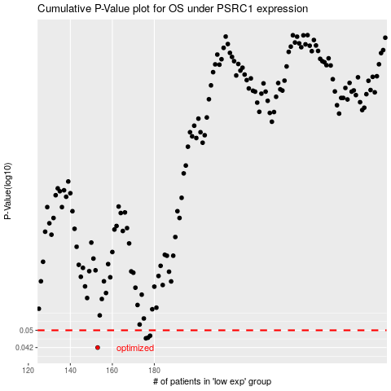

 |  |  |  |  |  | cases_OS | p_OS | rank | exp
 |  |  |  |  |  | 153 | 0.042 | 210 | -0.43458832707
 |  |  |  |  |  | 176 | 0.0461 | 179 | -0.32941273707
 |  |  |  |  |  | 177 | 0.0464 | 228 | -0.32791320987
 |  |  |  |  |  | 178 | 0.0473 | 387 | -0.32765217309
 |  |  |  |  |  |  | cases_RFS | p_RFS | rank | exp
 |  |  |  |  |  |  | 152 | 0.042 | 245 | -0.43508171526
 |  |  |  |  |  |  | 175 | 0.0461 | 139 | -0.34684411328
 |  |  |  |  |  |  | 176 | 0.0464 | 179 | -0.32941273707
 |  |  |  |  |  |  | 177 | 0.0473 | 228 | -0.32791320987

