PTBP1 _multivariate
Reported by Tex Li-Hsing Chi. tex@gate.sinica.edu.tw 2019-08-16

Table 2. The clinicopathological features of HNSCC cohort and PTBP1 expression. (Chi square test)
Cutoff at -0.266 (34.8%)
 |  | PTBP1 expression |  | PTBP1 expression |  | (Optimised)
 | Features | Low | (%) | High | (%) | Case no | P-value | Remark | Matthews
Gender | Female | 107 | 25.8 | 199 | 48 | 415 | 1 | 0 | 0
2 | Male | 38 | 9.2 | 71 | 17.1
Age at diagnosis | <=65y | 100 | 24.1 | 174 | 41.9 | 415 | 0.4131 | 0 | 0
4 | >65y | 45 | 10.8 | 96 | 23.1
Clinical T Status | T1+T2 | 48 | 11.6 | 101 | 24.3 | 415 | 0.4448 | 0 | 0
6 | T3+T4 | 97 | 23.4 | 169 | 40.7
Clinical N Status | N0 | 71 | 17.1 | 145 | 34.9 | 415 | 0.4133 | 0 | 0
8 | N1-3 | 74 | 17.8 | 125 | 30.1
Clinical M Status | M0 | 144 | 34.7 | 268 | 64.6 | 415 | 1 | 0 | 0
10 | M1 | 1 | 0.2 | 2 | 0.5
Clinical Stage | Stage I+II | 30 | 7.2 | 72 | 17.3 | 415 | 0.2192 | 0 | 0
12 | Stage III+IV | 115 | 27.7 | 198 | 47.7
Surgical Margin status | Negative | 110 | 26.5 | 208 | 50.1 | 415 | 0.8084 | 0 | 0
14 | Positive | 35 | 8.4 | 62 | 14.9
Tobacco Exposure | Low | 55 | 13.3 | 106 | 25.5 | 415 | 0.833 | 0 | 0
16 | High | 90 | 21.7 | 164 | 39.5

Table 3. Univariate/Multivariate Cox's proportional hazards regression analyses on OS time of PTBP1 gene expression in HNSCC

 |  | Univariate |  |  |  | Multivariate
 | Features | HR | CI95%(L) | CI95%(H) | P-value | HR | CI95%(L) | CI95%(H) | P-value
1 | Female | 1 |  |  |  | 1
Gender | Male | 1.157 | 0.843 | 1.587 | 0.367 | 1.209 | 0.863 | 1.694 | 0.269
11 | <=65y | 1 |  |  |  | 1
Age at diagnosis | >65y | 1.329 | 0.99 | 1.784 | 0.058 | 1.384 | 1.017 | 1.882 | 0.039
12 | T1+T2 | 1 |  |  |  | 1
Clinical T Status | T3+T4 | 1.409 | 1.028 | 1.931 | 0.033 | 2.218 | 1.173 | 4.191 | 0.014
13 | N0 | 1 |  |  |  | 1
Clinical N Status | N1-3 | 1.185 | 0.89 | 1.577 | 0.246 | 1.23 | 0.862 | 1.756 | 0.253
14 | M0 | 1 |  |  |  | 1
Clinical M Status | M1 | 4.097 | 1.009 | 16.644 | 0.049 | 9.636 | 2.1 | 44.224 | 0.004
15 | Stage I+II | 1 |  |  |  | 1
Clinical Stage | Stage III+IV | 1.245 | 0.882 | 1.759 | 0.213 | 0.505 | 0.235 | 1.084 | 0.079
16 | Negative | 1 |  |  |  | 1
Surgical Margin status | Positive | 1.591 | 1.155 | 2.191 | 0.004 | 1.687 | 1.221 | 2.332 | 0.002
17 | Low | 1 |  |  |  | 1
Tobacco Exposure | High | 1.364 | 1.008 | 1.844 | 0.044 | 1.501 | 1.085 | 2.077 | 0.014
18 | Low | 1 |  |  |  | 1
RNAseq(z-score) | High | 1.379 | 1.006 | 1.892 | 0.046 | 1.406 | 1.024 | 1.931 | 0.035

Table 4. Univariate/Multivariate Cox's proportional hazards regression analyses on RFS time of PTBP1 gene expression in HNSCC

 |  | Univariate |  |  |  | Multivariate
 | Features | HR | CI95%(L) | CI95%(H) | P-value | HR | CI95%(L) | CI95%(H) | P-value
1 | Female | 1 |  |  |  | 1
Gender | Male | 1.157 | 0.843 | 1.587 | 0.367 | 1.209 | 0.863 | 1.694 | 0.269
11 | <=65y | 1 |  |  |  | 1
Age at diagnosis | >65y | 1.329 | 0.99 | 1.784 | 0.058 | 1.384 | 1.017 | 1.882 | 0.039
12 | T1+T2 | 1 |  |  |  | 1
Clinical T Status | T3+T4 | 1.409 | 1.028 | 1.931 | 0.033 | 2.218 | 1.173 | 4.191 | 0.014
13 | N0 | 1 |  |  |  | 1
Clinical N Status | N1-3 | 1.185 | 0.89 | 1.577 | 0.246 | 1.23 | 0.862 | 1.756 | 0.253
14 | M0 | 1 |  |  |  | 1
Clinical M Status | M1 | 4.097 | 1.009 | 16.644 | 0.049 | 9.636 | 2.1 | 44.224 | 0.004
15 | Stage I+II | 1 |  |  |  | 1
Clinical Stage | Stage III+IV | 1.245 | 0.882 | 1.759 | 0.213 | 0.505 | 0.235 | 1.084 | 0.079
16 | Negative | 1 |  |  |  | 1
Surgical Margin status | Positive | 1.591 | 1.155 | 2.191 | 0.004 | 1.687 | 1.221 | 2.332 | 0.002
17 | Low | 1 |  |  |  | 1
Tobacco Exposure | High | 1.364 | 1.008 | 1.844 | 0.044 | 1.501 | 1.085 | 2.077 | 0.014
18 | Low | 1 |  |  |  | 1
RNAseq(z-score) | High | 1.379 | 1.006 | 1.892 | 0.046 | 1.406 | 1.024 | 1.931 | 0.035

Kaplan-Meier survival estimate: Cutoff at -0.266 (34.8%)



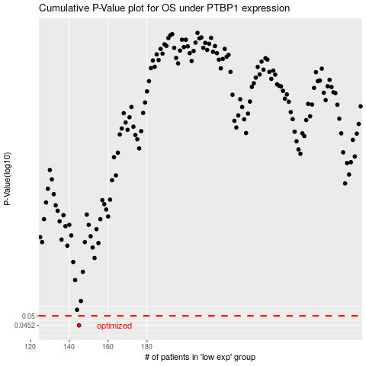

 |  |  |  |  |  | cases_OS | p_OS | rank | exp
 |  |  |  |  |  | 145 | 0.0452 | 361 | -0.26611893248
 |  |  |  |  |  |  | cases_RFS | p_RFS | rank | exp
 |  |  |  |  |  |  | 144 | 0.0452 | 357 | -0.26736467634

