PTCD1 _multivariate
Reported by Tex Li-Hsing Chi. tex@gate.sinica.edu.tw 2019-08-16

Table 2. The clinicopathological features of HNSCC cohort and PTCD1 expression. (Chi square test)
Cutoff at -0.205 (49.8%)
 |  | PTCD1 expression |  | PTCD1 expression |  | (Optimised)
 | Features | Low | (%) | High | (%) | Case no | P-value | Remark | Matthews
Gender | Female | 145 | 34.9 | 161 | 38.8 | 415 | 0.1116 | 0 | 0
2 | Male | 62 | 14.9 | 47 | 11.3
Age at diagnosis | <=65y | 139 | 33.5 | 135 | 32.5 | 415 | 0.7044 | 0 | 0
4 | >65y | 68 | 16.4 | 73 | 17.6
Clinical T Status | T1+T2 | 86 | 20.7 | 63 | 15.2 | 415 | 0.0221 | 1 | 0
6 | T3+T4 | 121 | 29.2 | 145 | 34.9
Clinical N Status | N0 | 113 | 27.2 | 103 | 24.8 | 415 | 0.3495 | 1 | 0
8 | N1-3 | 94 | 22.7 | 105 | 25.3
Clinical M Status | M0 | 207 | 49.9 | 205 | 49.4 | 415 | 0.2482 | 0 | 0
10 | M1 | 0 | 0 | 3 | 0.7
Clinical Stage | Stage I+II | 64 | 15.4 | 38 | 9.2 | 415 | 0.004 | 1 | 0
12 | Stage III+IV | 143 | 34.5 | 170 | 41
Surgical Margin status | Negative | 158 | 38.1 | 160 | 38.6 | 415 | 0.9081 | 0 | 0
14 | Positive | 49 | 11.8 | 48 | 11.6
Tobacco Exposure | Low | 98 | 23.6 | 63 | 15.2 | 415 | 4e-04 | 1 | 0
16 | High | 109 | 26.3 | 145 | 34.9

Table 3. Univariate/Multivariate Cox's proportional hazards regression analyses on OS time of PTCD1 gene expression in HNSCC

 |  | Univariate |  |  |  | Multivariate
 | Features | HR | CI95%(L) | CI95%(H) | P-value | HR | CI95%(L) | CI95%(H) | P-value
1 | Female | 1 |  |  |  | 1
Gender | Male | 1.157 | 0.843 | 1.587 | 0.367 | 1.175 | 0.841 | 1.641 | 0.345
11 | <=65y | 1 |  |  |  | 1
Age at diagnosis | >65y | 1.329 | 0.99 | 1.784 | 0.058 | 1.401 | 1.03 | 1.906 | 0.032
12 | T1+T2 | 1 |  |  |  | 1
Clinical T Status | T3+T4 | 1.409 | 1.028 | 1.931 | 0.033 | 2.238 | 1.182 | 4.238 | 0.013
13 | N0 | 1 |  |  |  | 1
Clinical N Status | N1-3 | 1.185 | 0.89 | 1.577 | 0.246 | 1.229 | 0.862 | 1.754 | 0.255
14 | M0 | 1 |  |  |  | 1
Clinical M Status | M1 | 4.097 | 1.009 | 16.644 | 0.049 | 10.805 | 2.331 | 50.086 | 0.002
15 | Stage I+II | 1 |  |  |  | 1
Clinical Stage | Stage III+IV | 1.245 | 0.882 | 1.759 | 0.213 | 0.511 | 0.238 | 1.098 | 0.086
16 | Negative | 1 |  |  |  | 1
Surgical Margin status | Positive | 1.591 | 1.155 | 2.191 | 0.004 | 1.71 | 1.235 | 2.367 | 0.001
17 | Low | 1 |  |  |  | 1
Tobacco Exposure | High | 1.364 | 1.008 | 1.844 | 0.044 | 1.516 | 1.096 | 2.098 | 0.012
18 | Low | 1 |  |  |  | 1
RNAseq(z-score) | High | 0.904 | 0.679 | 1.204 | 0.491 | 0.787 | 0.584 | 1.059 | 0.114

Table 4. Univariate/Multivariate Cox's proportional hazards regression analyses on RFS time of PTCD1 gene expression in HNSCC

 |  | Univariate |  |  |  | Multivariate
 | Features | HR | CI95%(L) | CI95%(H) | P-value | HR | CI95%(L) | CI95%(H) | P-value
1 | Female | 1 |  |  |  | 1
Gender | Male | 1.157 | 0.843 | 1.587 | 0.367 | 1.175 | 0.841 | 1.641 | 0.345
11 | <=65y | 1 |  |  |  | 1
Age at diagnosis | >65y | 1.329 | 0.99 | 1.784 | 0.058 | 1.401 | 1.03 | 1.906 | 0.032
12 | T1+T2 | 1 |  |  |  | 1
Clinical T Status | T3+T4 | 1.409 | 1.028 | 1.931 | 0.033 | 2.238 | 1.182 | 4.238 | 0.013
13 | N0 | 1 |  |  |  | 1
Clinical N Status | N1-3 | 1.185 | 0.89 | 1.577 | 0.246 | 1.229 | 0.862 | 1.754 | 0.255
14 | M0 | 1 |  |  |  | 1
Clinical M Status | M1 | 4.097 | 1.009 | 16.644 | 0.049 | 10.805 | 2.331 | 50.086 | 0.002
15 | Stage I+II | 1 |  |  |  | 1
Clinical Stage | Stage III+IV | 1.245 | 0.882 | 1.759 | 0.213 | 0.511 | 0.238 | 1.098 | 0.086
16 | Negative | 1 |  |  |  | 1
Surgical Margin status | Positive | 1.591 | 1.155 | 2.191 | 0.004 | 1.71 | 1.235 | 2.367 | 0.001
17 | Low | 1 |  |  |  | 1
Tobacco Exposure | High | 1.364 | 1.008 | 1.844 | 0.044 | 1.516 | 1.096 | 2.098 | 0.012
18 | Low | 1 |  |  |  | 1
RNAseq(z-score) | High | 0.904 | 0.679 | 1.204 | 0.491 | 0.787 | 0.584 | 1.059 | 0.114

Kaplan-Meier survival estimate: Cutoff at -0.205 (49.8%)



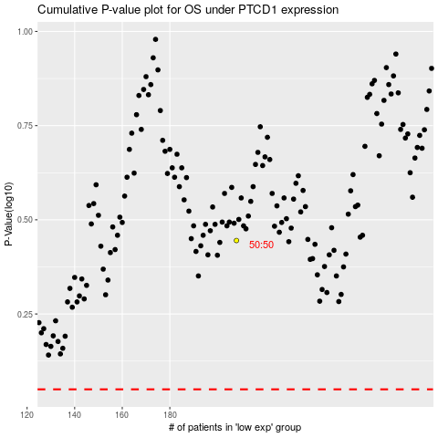

 |  |  |  |  |  | cases_OS | p_OS | rank | exp
 |  |  |  |  |  |  | cases_RFS | p_RFS | rank | exp

