PTCD2 _multivariate
Reported by Tex Li-Hsing Chi. tex@gate.sinica.edu.tw 2019-08-16

Table 2. The clinicopathological features of HNSCC cohort and PTCD2 expression. (Chi square test)
Cutoff at -0.116 (50.0%)
 |  | PTCD2 expression |  | PTCD2 expression |  | (Optimised)
 | Features | Low | (%) | High | (%) | Case no | P-value | Remark | Matthews
Gender | Female | 160 | 38.6 | 146 | 35.2 | 415 | 0.1254 | 0 | 0
2 | Male | 47 | 11.3 | 62 | 14.9
Age at diagnosis | <=65y | 136 | 32.8 | 138 | 33.3 | 415 | 0.9719 | 0 | 0
4 | >65y | 71 | 17.1 | 70 | 16.9
Clinical T Status | T1+T2 | 60 | 14.5 | 89 | 21.4 | 415 | 0.0047 | 1 | 0
6 | T3+T4 | 147 | 35.4 | 119 | 28.7
Clinical N Status | N0 | 106 | 25.5 | 110 | 26.5 | 415 | 0.8075 | 0 | 0
8 | N1-3 | 101 | 24.3 | 98 | 23.6
Clinical M Status | M0 | 206 | 49.6 | 206 | 49.6 | 415 | 1 | 0 | 0
10 | M1 | 1 | 0.2 | 2 | 0.5
Clinical Stage | Stage I+II | 44 | 10.6 | 58 | 14 | 415 | 0.1459 | 0 | 0
12 | Stage III+IV | 163 | 39.3 | 150 | 36.1
Surgical Margin status | Negative | 161 | 38.8 | 157 | 37.8 | 415 | 0.6429 | 0 | 0
14 | Positive | 46 | 11.1 | 51 | 12.3
Tobacco Exposure | Low | 73 | 17.6 | 88 | 21.2 | 415 | 0.1587 | 0 | 0
16 | High | 134 | 32.3 | 120 | 28.9

Table 3. Univariate/Multivariate Cox's proportional hazards regression analyses on OS time of PTCD2 gene expression in HNSCC

 |  | Univariate |  |  |  | Multivariate
 | Features | HR | CI95%(L) | CI95%(H) | P-value | HR | CI95%(L) | CI95%(H) | P-value
1 | Female | 1 |  |  |  | 1
Gender | Male | 1.157 | 0.843 | 1.587 | 0.367 | 1.197 | 0.857 | 1.671 | 0.292
11 | <=65y | 1 |  |  |  | 1
Age at diagnosis | >65y | 1.329 | 0.99 | 1.784 | 0.058 | 1.394 | 1.025 | 1.895 | 0.034
12 | T1+T2 | 1 |  |  |  | 1
Clinical T Status | T3+T4 | 1.409 | 1.028 | 1.931 | 0.033 | 2.279 | 1.202 | 4.322 | 0.012
13 | N0 | 1 |  |  |  | 1
Clinical N Status | N1-3 | 1.185 | 0.89 | 1.577 | 0.246 | 1.249 | 0.875 | 1.783 | 0.221
14 | M0 | 1 |  |  |  | 1
Clinical M Status | M1 | 4.097 | 1.009 | 16.644 | 0.049 | 9.505 | 2.073 | 43.573 | 0.004
15 | Stage I+II | 1 |  |  |  | 1
Clinical Stage | Stage III+IV | 1.245 | 0.882 | 1.759 | 0.213 | 0.493 | 0.23 | 1.06 | 0.07
16 | Negative | 1 |  |  |  | 1
Surgical Margin status | Positive | 1.591 | 1.155 | 2.191 | 0.004 | 1.664 | 1.204 | 2.3 | 0.002
17 | Low | 1 |  |  |  | 1
Tobacco Exposure | High | 1.364 | 1.008 | 1.844 | 0.044 | 1.476 | 1.07 | 2.036 | 0.018
18 | Low | 1 |  |  |  | 1
RNAseq(z-score) | High | 1.067 | 0.801 | 1.422 | 0.658 | 1.164 | 0.869 | 1.56 | 0.309

Table 4. Univariate/Multivariate Cox's proportional hazards regression analyses on RFS time of PTCD2 gene expression in HNSCC

 |  | Univariate |  |  |  | Multivariate
 | Features | HR | CI95%(L) | CI95%(H) | P-value | HR | CI95%(L) | CI95%(H) | P-value
1 | Female | 1 |  |  |  | 1
Gender | Male | 1.157 | 0.843 | 1.587 | 0.367 | 1.197 | 0.857 | 1.671 | 0.292
11 | <=65y | 1 |  |  |  | 1
Age at diagnosis | >65y | 1.329 | 0.99 | 1.784 | 0.058 | 1.394 | 1.025 | 1.895 | 0.034
12 | T1+T2 | 1 |  |  |  | 1
Clinical T Status | T3+T4 | 1.409 | 1.028 | 1.931 | 0.033 | 2.279 | 1.202 | 4.322 | 0.012
13 | N0 | 1 |  |  |  | 1
Clinical N Status | N1-3 | 1.185 | 0.89 | 1.577 | 0.246 | 1.249 | 0.875 | 1.783 | 0.221
14 | M0 | 1 |  |  |  | 1
Clinical M Status | M1 | 4.097 | 1.009 | 16.644 | 0.049 | 9.505 | 2.073 | 43.573 | 0.004
15 | Stage I+II | 1 |  |  |  | 1
Clinical Stage | Stage III+IV | 1.245 | 0.882 | 1.759 | 0.213 | 0.493 | 0.23 | 1.06 | 0.07
16 | Negative | 1 |  |  |  | 1
Surgical Margin status | Positive | 1.591 | 1.155 | 2.191 | 0.004 | 1.664 | 1.204 | 2.3 | 0.002
17 | Low | 1 |  |  |  | 1
Tobacco Exposure | High | 1.364 | 1.008 | 1.844 | 0.044 | 1.476 | 1.07 | 2.036 | 0.018
18 | Low | 1 |  |  |  | 1
RNAseq(z-score) | High | 1.067 | 0.801 | 1.422 | 0.658 | 1.164 | 0.869 | 1.56 | 0.309

Kaplan-Meier survival estimate: Cutoff at -0.116 (50.0%)

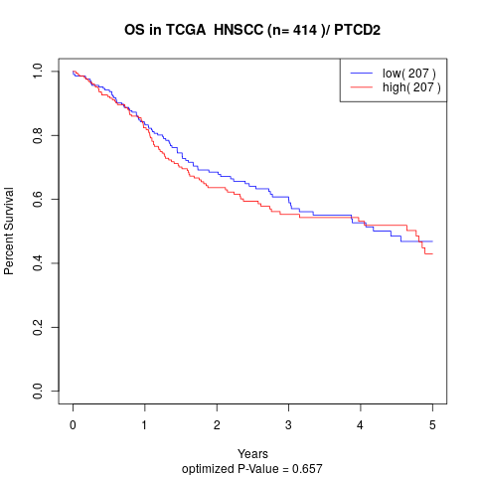

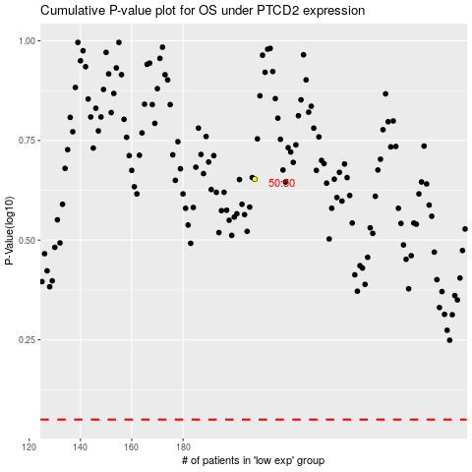

 |  |  |  |  |  | cases_OS | p_OS | rank | exp
 |  |  |  |  |  |  | cases_RFS | p_RFS | rank | exp

