PTCRA _multivariate
Reported by Tex Li-Hsing Chi. tex@gate.sinica.edu.tw 2019-08-16

Table 2. The clinicopathological features of HNSCC cohort and PTCRA expression. (Chi square test)
Cutoff at -0.345 (50.0%)
 |  | PTCRA expression |  | PTCRA expression |  | (Optimised)
 | Features | Low | (%) | High | (%) | Case no | P-value | Remark | Matthews
Gender | Female | 160 | 38.6 | 146 | 35.2 | 415 | 0.1254 | 0 | 0
2 | Male | 47 | 11.3 | 62 | 14.9
Age at diagnosis | <=65y | 138 | 33.3 | 136 | 32.8 | 415 | 0.8634 | 0 | 0
4 | >65y | 69 | 16.6 | 72 | 17.3
Clinical T Status | T1+T2 | 69 | 16.6 | 80 | 19.3 | 415 | 0.3239 | 0 | 0
6 | T3+T4 | 138 | 33.3 | 128 | 30.8
Clinical N Status | N0 | 112 | 27 | 104 | 25.1 | 415 | 0.4599 | 0 | 0
8 | N1-3 | 95 | 22.9 | 104 | 25.1
Clinical M Status | M0 | 206 | 49.6 | 206 | 49.6 | 415 | 1 | 0 | 0
10 | M1 | 1 | 0.2 | 2 | 0.5
Clinical Stage | Stage I+II | 49 | 11.8 | 53 | 12.8 | 415 | 0.7535 | 0 | 0
12 | Stage III+IV | 158 | 38.1 | 155 | 37.3
Surgical Margin status | Negative | 153 | 36.9 | 165 | 39.8 | 415 | 0.2036 | 0 | 0
14 | Positive | 54 | 13 | 43 | 10.4
Tobacco Exposure | Low | 68 | 16.4 | 93 | 22.4 | 415 | 0.0156 | 1 | 0
16 | High | 139 | 33.5 | 115 | 27.7

Table 3. Univariate/Multivariate Cox's proportional hazards regression analyses on OS time of PTCRA gene expression in HNSCC

 |  | Univariate |  |  |  | Multivariate
 | Features | HR | CI95%(L) | CI95%(H) | P-value | HR | CI95%(L) | CI95%(H) | P-value
1 | Female | 1 |  |  |  | 1
Gender | Male | 1.157 | 0.843 | 1.587 | 0.367 | 1.22 | 0.873 | 1.707 | 0.245
11 | <=65y | 1 |  |  |  | 1
Age at diagnosis | >65y | 1.329 | 0.99 | 1.784 | 0.058 | 1.4 | 1.03 | 1.902 | 0.032
12 | T1+T2 | 1 |  |  |  | 1
Clinical T Status | T3+T4 | 1.409 | 1.028 | 1.931 | 0.033 | 2.214 | 1.171 | 4.186 | 0.014
13 | N0 | 1 |  |  |  | 1
Clinical N Status | N1-3 | 1.185 | 0.89 | 1.577 | 0.246 | 1.27 | 0.888 | 1.816 | 0.19
14 | M0 | 1 |  |  |  | 1
Clinical M Status | M1 | 4.097 | 1.009 | 16.644 | 0.049 | 9.963 | 2.167 | 45.812 | 0.003
15 | Stage I+II | 1 |  |  |  | 1
Clinical Stage | Stage III+IV | 1.245 | 0.882 | 1.759 | 0.213 | 0.493 | 0.23 | 1.059 | 0.07
16 | Negative | 1 |  |  |  | 1
Surgical Margin status | Positive | 1.591 | 1.155 | 2.191 | 0.004 | 1.663 | 1.203 | 2.298 | 0.002
17 | Low | 1 |  |  |  | 1
Tobacco Exposure | High | 1.364 | 1.008 | 1.844 | 0.044 | 1.433 | 1.039 | 1.977 | 0.028
18 | Low | 1 |  |  |  | 1
RNAseq(z-score) | High | 0.853 | 0.638 | 1.14 | 0.282 | 0.836 | 0.622 | 1.125 | 0.237

Table 4. Univariate/Multivariate Cox's proportional hazards regression analyses on RFS time of PTCRA gene expression in HNSCC

 |  | Univariate |  |  |  | Multivariate
 | Features | HR | CI95%(L) | CI95%(H) | P-value | HR | CI95%(L) | CI95%(H) | P-value
1 | Female | 1 |  |  |  | 1
Gender | Male | 1.157 | 0.843 | 1.587 | 0.367 | 1.22 | 0.873 | 1.707 | 0.245
11 | <=65y | 1 |  |  |  | 1
Age at diagnosis | >65y | 1.329 | 0.99 | 1.784 | 0.058 | 1.4 | 1.03 | 1.902 | 0.032
12 | T1+T2 | 1 |  |  |  | 1
Clinical T Status | T3+T4 | 1.409 | 1.028 | 1.931 | 0.033 | 2.214 | 1.171 | 4.186 | 0.014
13 | N0 | 1 |  |  |  | 1
Clinical N Status | N1-3 | 1.185 | 0.89 | 1.577 | 0.246 | 1.27 | 0.888 | 1.816 | 0.19
14 | M0 | 1 |  |  |  | 1
Clinical M Status | M1 | 4.097 | 1.009 | 16.644 | 0.049 | 9.963 | 2.167 | 45.812 | 0.003
15 | Stage I+II | 1 |  |  |  | 1
Clinical Stage | Stage III+IV | 1.245 | 0.882 | 1.759 | 0.213 | 0.493 | 0.23 | 1.059 | 0.07
16 | Negative | 1 |  |  |  | 1
Surgical Margin status | Positive | 1.591 | 1.155 | 2.191 | 0.004 | 1.663 | 1.203 | 2.298 | 0.002
17 | Low | 1 |  |  |  | 1
Tobacco Exposure | High | 1.364 | 1.008 | 1.844 | 0.044 | 1.433 | 1.039 | 1.977 | 0.028
18 | Low | 1 |  |  |  | 1
RNAseq(z-score) | High | 0.853 | 0.638 | 1.14 | 0.282 | 0.836 | 0.622 | 1.125 | 0.237

Kaplan-Meier survival estimate: Cutoff at -0.345 (50.0%)



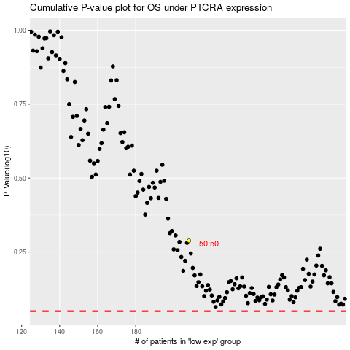

 |  |  |  |  |  | cases_OS | p_OS | rank | exp
 |  |  |  |  |  |  | cases_RFS | p_RFS | rank | exp

