PTDSS2 _multivariate
Reported by Tex Li-Hsing Chi. tex@gate.sinica.edu.tw 2019-08-16

Table 2. The clinicopathological features of HNSCC cohort and PTDSS2 expression. (Chi square test)
Cutoff at -0.201 (50.0%)
 |  | PTDSS2 expression |  | PTDSS2 expression |  | (Optimised)
 | Features | Low | (%) | High | (%) | Case no | P-value | Remark | Matthews
Gender | Female | 149 | 35.9 | 157 | 37.8 | 415 | 0.4848 | 0 | 0
2 | Male | 58 | 14 | 51 | 12.3
Age at diagnosis | <=65y | 136 | 32.8 | 138 | 33.3 | 415 | 0.9719 | 0 | 0
4 | >65y | 71 | 17.1 | 70 | 16.9
Clinical T Status | T1+T2 | 71 | 17.1 | 78 | 18.8 | 415 | 0.5638 | 0 | 0
6 | T3+T4 | 136 | 32.8 | 130 | 31.3
Clinical N Status | N0 | 109 | 26.3 | 107 | 25.8 | 415 | 0.8812 | 0 | 0
8 | N1-3 | 98 | 23.6 | 101 | 24.3
Clinical M Status | M0 | 205 | 49.4 | 207 | 49.9 | 415 | 0.6232 | 0 | 0
10 | M1 | 2 | 0.5 | 1 | 0.2
Clinical Stage | Stage I+II | 47 | 11.3 | 55 | 13.3 | 415 | 0.4413 | 0 | 0
12 | Stage III+IV | 160 | 38.6 | 153 | 36.9
Surgical Margin status | Negative | 157 | 37.8 | 161 | 38.8 | 415 | 0.729 | 0 | 0
14 | Positive | 50 | 12 | 47 | 11.3
Tobacco Exposure | Low | 71 | 17.1 | 90 | 21.7 | 415 | 0.0698 | 0 | 0
16 | High | 136 | 32.8 | 118 | 28.4

Table 3. Univariate/Multivariate Cox's proportional hazards regression analyses on OS time of PTDSS2 gene expression in HNSCC

 |  | Univariate |  |  |  | Multivariate
 | Features | HR | CI95%(L) | CI95%(H) | P-value | HR | CI95%(L) | CI95%(H) | P-value
1 | Female | 1 |  |  |  | 1
Gender | Male | 1.157 | 0.843 | 1.587 | 0.367 | 1.196 | 0.856 | 1.672 | 0.293
11 | <=65y | 1 |  |  |  | 1
Age at diagnosis | >65y | 1.329 | 0.99 | 1.784 | 0.058 | 1.391 | 1.023 | 1.891 | 0.035
12 | T1+T2 | 1 |  |  |  | 1
Clinical T Status | T3+T4 | 1.409 | 1.028 | 1.931 | 0.033 | 2.207 | 1.167 | 4.175 | 0.015
13 | N0 | 1 |  |  |  | 1
Clinical N Status | N1-3 | 1.185 | 0.89 | 1.577 | 0.246 | 1.248 | 0.874 | 1.783 | 0.223
14 | M0 | 1 |  |  |  | 1
Clinical M Status | M1 | 4.097 | 1.009 | 16.644 | 0.049 | 9.361 | 2.042 | 42.918 | 0.004
15 | Stage I+II | 1 |  |  |  | 1
Clinical Stage | Stage III+IV | 1.245 | 0.882 | 1.759 | 0.213 | 0.5 | 0.233 | 1.075 | 0.076
16 | Negative | 1 |  |  |  | 1
Surgical Margin status | Positive | 1.591 | 1.155 | 2.191 | 0.004 | 1.676 | 1.212 | 2.316 | 0.002
17 | Low | 1 |  |  |  | 1
Tobacco Exposure | High | 1.364 | 1.008 | 1.844 | 0.044 | 1.448 | 1.051 | 1.996 | 0.024
18 | Low | 1 |  |  |  | 1
RNAseq(z-score) | High | 0.934 | 0.701 | 1.244 | 0.64 | 0.941 | 0.704 | 1.256 | 0.678

Table 4. Univariate/Multivariate Cox's proportional hazards regression analyses on RFS time of PTDSS2 gene expression in HNSCC

 |  | Univariate |  |  |  | Multivariate
 | Features | HR | CI95%(L) | CI95%(H) | P-value | HR | CI95%(L) | CI95%(H) | P-value
1 | Female | 1 |  |  |  | 1
Gender | Male | 1.157 | 0.843 | 1.587 | 0.367 | 1.196 | 0.856 | 1.672 | 0.293
11 | <=65y | 1 |  |  |  | 1
Age at diagnosis | >65y | 1.329 | 0.99 | 1.784 | 0.058 | 1.391 | 1.023 | 1.891 | 0.035
12 | T1+T2 | 1 |  |  |  | 1
Clinical T Status | T3+T4 | 1.409 | 1.028 | 1.931 | 0.033 | 2.207 | 1.167 | 4.175 | 0.015
13 | N0 | 1 |  |  |  | 1
Clinical N Status | N1-3 | 1.185 | 0.89 | 1.577 | 0.246 | 1.248 | 0.874 | 1.783 | 0.223
14 | M0 | 1 |  |  |  | 1
Clinical M Status | M1 | 4.097 | 1.009 | 16.644 | 0.049 | 9.361 | 2.042 | 42.918 | 0.004
15 | Stage I+II | 1 |  |  |  | 1
Clinical Stage | Stage III+IV | 1.245 | 0.882 | 1.759 | 0.213 | 0.5 | 0.233 | 1.075 | 0.076
16 | Negative | 1 |  |  |  | 1
Surgical Margin status | Positive | 1.591 | 1.155 | 2.191 | 0.004 | 1.676 | 1.212 | 2.316 | 0.002
17 | Low | 1 |  |  |  | 1
Tobacco Exposure | High | 1.364 | 1.008 | 1.844 | 0.044 | 1.448 | 1.051 | 1.996 | 0.024
18 | Low | 1 |  |  |  | 1
RNAseq(z-score) | High | 0.934 | 0.701 | 1.244 | 0.64 | 0.941 | 0.704 | 1.256 | 0.678

Kaplan-Meier survival estimate: Cutoff at -0.201 (50.0%)



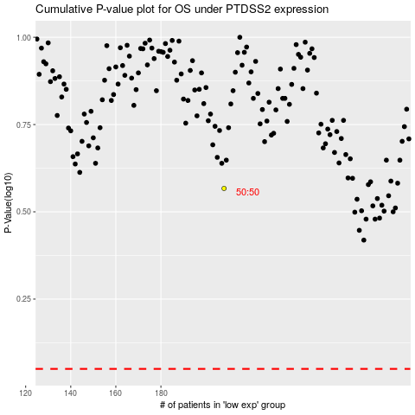

 |  |  |  |  |  | cases_OS | p_OS | rank | exp
 |  |  |  |  |  |  | cases_RFS | p_RFS | rank | exp

