PTEN _multivariate
Reported by Tex Li-Hsing Chi. tex@gate.sinica.edu.tw 2019-08-16

Table 2. The clinicopathological features of HNSCC cohort and PTEN expression. (Chi square test)
Cutoff at -0.138 (49.8%)
 |  | PTEN expression |  | PTEN expression |  | (Optimised)
 | Features | Low | (%) | High | (%) | Case no | P-value | Remark | Matthews
Gender | Female | 163 | 39.3 | 143 | 34.5 | 415 | 0.0277 | 1 | 0
2 | Male | 44 | 10.6 | 65 | 15.7
Age at diagnosis | <=65y | 136 | 32.8 | 138 | 33.3 | 415 | 0.9719 | 0 | 0
4 | >65y | 71 | 17.1 | 70 | 16.9
Clinical T Status | T1+T2 | 67 | 16.1 | 82 | 19.8 | 415 | 0.1628 | 0 | 0
6 | T3+T4 | 140 | 33.7 | 126 | 30.4
Clinical N Status | N0 | 102 | 24.6 | 114 | 27.5 | 415 | 0.3031 | 0 | 0
8 | N1-3 | 105 | 25.3 | 94 | 22.7
Clinical M Status | M0 | 205 | 49.4 | 207 | 49.9 | 415 | 0.6232 | 0 | 0
10 | M1 | 2 | 0.5 | 1 | 0.2
Clinical Stage | Stage I+II | 37 | 8.9 | 65 | 15.7 | 415 | 0.0023 | 1 | 0
12 | Stage III+IV | 170 | 41 | 143 | 34.5
Surgical Margin status | Negative | 162 | 39 | 156 | 37.6 | 415 | 0.4867 | 0 | 0
14 | Positive | 45 | 10.8 | 52 | 12.5
Tobacco Exposure | Low | 68 | 16.4 | 93 | 22.4 | 415 | 0.0156 | 1 | 0
16 | High | 139 | 33.5 | 115 | 27.7

Table 3. Univariate/Multivariate Cox's proportional hazards regression analyses on OS time of PTEN gene expression in HNSCC

 |  | Univariate |  |  |  | Multivariate
 | Features | HR | CI95%(L) | CI95%(H) | P-value | HR | CI95%(L) | CI95%(H) | P-value
1 | Female | 1 |  |  |  | 1
Gender | Male | 1.157 | 0.843 | 1.587 | 0.367 | 1.207 | 0.863 | 1.688 | 0.273
11 | <=65y | 1 |  |  |  | 1
Age at diagnosis | >65y | 1.329 | 0.99 | 1.784 | 0.058 | 1.383 | 1.014 | 1.885 | 0.041
12 | T1+T2 | 1 |  |  |  | 1
Clinical T Status | T3+T4 | 1.409 | 1.028 | 1.931 | 0.033 | 2.217 | 1.171 | 4.198 | 0.015
13 | N0 | 1 |  |  |  | 1
Clinical N Status | N1-3 | 1.185 | 0.89 | 1.577 | 0.246 | 1.242 | 0.87 | 1.772 | 0.232
14 | M0 | 1 |  |  |  | 1
Clinical M Status | M1 | 4.097 | 1.009 | 16.644 | 0.049 | 9.356 | 2.04 | 42.906 | 0.004
15 | Stage I+II | 1 |  |  |  | 1
Clinical Stage | Stage III+IV | 1.245 | 0.882 | 1.759 | 0.213 | 0.496 | 0.229 | 1.074 | 0.075
16 | Negative | 1 |  |  |  | 1
Surgical Margin status | Positive | 1.591 | 1.155 | 2.191 | 0.004 | 1.678 | 1.213 | 2.321 | 0.002
17 | Low | 1 |  |  |  | 1
Tobacco Exposure | High | 1.364 | 1.008 | 1.844 | 0.044 | 1.447 | 1.048 | 1.996 | 0.025
18 | Low | 1 |  |  |  | 1
RNAseq(z-score) | High | 0.923 | 0.692 | 1.23 | 0.583 | 0.957 | 0.709 | 1.292 | 0.773

Table 4. Univariate/Multivariate Cox's proportional hazards regression analyses on RFS time of PTEN gene expression in HNSCC

 |  | Univariate |  |  |  | Multivariate
 | Features | HR | CI95%(L) | CI95%(H) | P-value | HR | CI95%(L) | CI95%(H) | P-value
1 | Female | 1 |  |  |  | 1
Gender | Male | 1.157 | 0.843 | 1.587 | 0.367 | 1.207 | 0.863 | 1.688 | 0.273
11 | <=65y | 1 |  |  |  | 1
Age at diagnosis | >65y | 1.329 | 0.99 | 1.784 | 0.058 | 1.383 | 1.014 | 1.885 | 0.041
12 | T1+T2 | 1 |  |  |  | 1
Clinical T Status | T3+T4 | 1.409 | 1.028 | 1.931 | 0.033 | 2.217 | 1.171 | 4.198 | 0.015
13 | N0 | 1 |  |  |  | 1
Clinical N Status | N1-3 | 1.185 | 0.89 | 1.577 | 0.246 | 1.242 | 0.87 | 1.772 | 0.232
14 | M0 | 1 |  |  |  | 1
Clinical M Status | M1 | 4.097 | 1.009 | 16.644 | 0.049 | 9.356 | 2.04 | 42.906 | 0.004
15 | Stage I+II | 1 |  |  |  | 1
Clinical Stage | Stage III+IV | 1.245 | 0.882 | 1.759 | 0.213 | 0.496 | 0.229 | 1.074 | 0.075
16 | Negative | 1 |  |  |  | 1
Surgical Margin status | Positive | 1.591 | 1.155 | 2.191 | 0.004 | 1.678 | 1.213 | 2.321 | 0.002
17 | Low | 1 |  |  |  | 1
Tobacco Exposure | High | 1.364 | 1.008 | 1.844 | 0.044 | 1.447 | 1.048 | 1.996 | 0.025
18 | Low | 1 |  |  |  | 1
RNAseq(z-score) | High | 0.923 | 0.692 | 1.23 | 0.583 | 0.957 | 0.709 | 1.292 | 0.773

Kaplan-Meier survival estimate: Cutoff at -0.138 (49.8%)



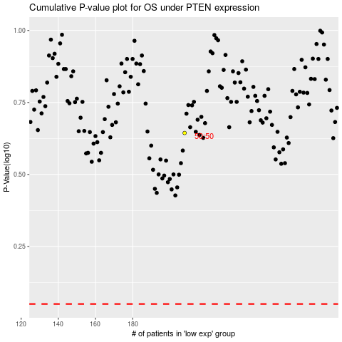

 |  |  |  |  |  | cases_OS | p_OS | rank | exp
 |  |  |  |  |  |  | cases_RFS | p_RFS | rank | exp

