PTGER4 _multivariate
Reported by Tex Li-Hsing Chi. tex@gate.sinica.edu.tw 2019-08-16

Table 2. The clinicopathological features of HNSCC cohort and PTGER4 expression. (Chi square test)
Cutoff at -0.337 (49.8%)
 |  | PTGER4 expression |  | PTGER4 expression |  | (Optimised)
 | Features | Low | (%) | High | (%) | Case no | P-value | Remark | Matthews
Gender | Female | 156 | 37.6 | 150 | 36.1 | 415 | 0.5222 | 0 | 0
2 | Male | 51 | 12.3 | 58 | 14
Age at diagnosis | <=65y | 142 | 34.2 | 132 | 31.8 | 415 | 0.3167 | 0 | 0
4 | >65y | 65 | 15.7 | 76 | 18.3
Clinical T Status | T1+T2 | 59 | 14.2 | 90 | 21.7 | 415 | 0.0024 | 1 | 0
6 | T3+T4 | 148 | 35.7 | 118 | 28.4
Clinical N Status | N0 | 108 | 26 | 108 | 26 | 415 | 1 | 0 | 0
8 | N1-3 | 99 | 23.9 | 100 | 24.1
Clinical M Status | M0 | 204 | 49.2 | 208 | 50.1 | 415 | 0.1232 | 0 | 0
10 | M1 | 3 | 0.7 | 0 | 0
Clinical Stage | Stage I+II | 44 | 10.6 | 58 | 14 | 415 | 0.1459 | 0 | 0
12 | Stage III+IV | 163 | 39.3 | 150 | 36.1
Surgical Margin status | Negative | 161 | 38.8 | 157 | 37.8 | 415 | 0.6429 | 0 | 0
14 | Positive | 46 | 11.1 | 51 | 12.3
Tobacco Exposure | Low | 75 | 18.1 | 86 | 20.7 | 415 | 0.3141 | 0 | 0
16 | High | 132 | 31.8 | 122 | 29.4

Table 3. Univariate/Multivariate Cox's proportional hazards regression analyses on OS time of PTGER4 gene expression in HNSCC

 |  | Univariate |  |  |  | Multivariate
 | Features | HR | CI95%(L) | CI95%(H) | P-value | HR | CI95%(L) | CI95%(H) | P-value
1 | Female | 1 |  |  |  | 1
Gender | Male | 1.157 | 0.843 | 1.587 | 0.367 | 1.203 | 0.861 | 1.681 | 0.278
11 | <=65y | 1 |  |  |  | 1
Age at diagnosis | >65y | 1.329 | 0.99 | 1.784 | 0.058 | 1.391 | 1.023 | 1.891 | 0.035
12 | T1+T2 | 1 |  |  |  | 1
Clinical T Status | T3+T4 | 1.409 | 1.028 | 1.931 | 0.033 | 2.233 | 1.172 | 4.253 | 0.015
13 | N0 | 1 |  |  |  | 1
Clinical N Status | N1-3 | 1.185 | 0.89 | 1.577 | 0.246 | 1.24 | 0.869 | 1.77 | 0.235
14 | M0 | 1 |  |  |  | 1
Clinical M Status | M1 | 4.097 | 1.009 | 16.644 | 0.049 | 9.711 | 2.082 | 45.294 | 0.004
15 | Stage I+II | 1 |  |  |  | 1
Clinical Stage | Stage III+IV | 1.245 | 0.882 | 1.759 | 0.213 | 0.501 | 0.233 | 1.077 | 0.077
16 | Negative | 1 |  |  |  | 1
Surgical Margin status | Positive | 1.591 | 1.155 | 2.191 | 0.004 | 1.668 | 1.207 | 2.306 | 0.002
17 | Low | 1 |  |  |  | 1
Tobacco Exposure | High | 1.364 | 1.008 | 1.844 | 0.044 | 1.455 | 1.056 | 2.004 | 0.022
18 | Low | 1 |  |  |  | 1
RNAseq(z-score) | High | 0.957 | 0.719 | 1.275 | 0.765 | 1.042 | 0.776 | 1.398 | 0.786

Table 4. Univariate/Multivariate Cox's proportional hazards regression analyses on RFS time of PTGER4 gene expression in HNSCC

 |  | Univariate |  |  |  | Multivariate
 | Features | HR | CI95%(L) | CI95%(H) | P-value | HR | CI95%(L) | CI95%(H) | P-value
1 | Female | 1 |  |  |  | 1
Gender | Male | 1.157 | 0.843 | 1.587 | 0.367 | 1.203 | 0.861 | 1.681 | 0.278
11 | <=65y | 1 |  |  |  | 1
Age at diagnosis | >65y | 1.329 | 0.99 | 1.784 | 0.058 | 1.391 | 1.023 | 1.891 | 0.035
12 | T1+T2 | 1 |  |  |  | 1
Clinical T Status | T3+T4 | 1.409 | 1.028 | 1.931 | 0.033 | 2.233 | 1.172 | 4.253 | 0.015
13 | N0 | 1 |  |  |  | 1
Clinical N Status | N1-3 | 1.185 | 0.89 | 1.577 | 0.246 | 1.24 | 0.869 | 1.77 | 0.235
14 | M0 | 1 |  |  |  | 1
Clinical M Status | M1 | 4.097 | 1.009 | 16.644 | 0.049 | 9.711 | 2.082 | 45.294 | 0.004
15 | Stage I+II | 1 |  |  |  | 1
Clinical Stage | Stage III+IV | 1.245 | 0.882 | 1.759 | 0.213 | 0.501 | 0.233 | 1.077 | 0.077
16 | Negative | 1 |  |  |  | 1
Surgical Margin status | Positive | 1.591 | 1.155 | 2.191 | 0.004 | 1.668 | 1.207 | 2.306 | 0.002
17 | Low | 1 |  |  |  | 1
Tobacco Exposure | High | 1.364 | 1.008 | 1.844 | 0.044 | 1.455 | 1.056 | 2.004 | 0.022
18 | Low | 1 |  |  |  | 1
RNAseq(z-score) | High | 0.957 | 0.719 | 1.275 | 0.765 | 1.042 | 0.776 | 1.398 | 0.786

Kaplan-Meier survival estimate: Cutoff at -0.337 (49.8%)



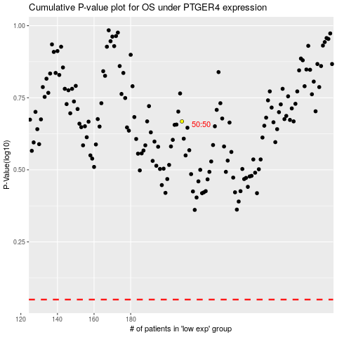

 |  |  |  |  |  | cases_OS | p_OS | rank | exp
 |  |  |  |  |  |  | cases_RFS | p_RFS | rank | exp

