PTGES2 _multivariate
Reported by Tex Li-Hsing Chi. tex@gate.sinica.edu.tw 2019-08-16

Table 2. The clinicopathological features of HNSCC cohort and PTGES2 expression. (Chi square test)
Cutoff at -0.522 (30.2%)
 |  | PTGES2 expression |  | PTGES2 expression |  | (Optimised)
 | Features | Low | (%) | High | (%) | Case no | P-value | Remark | Matthews
Gender | Female | 96 | 23.1 | 210 | 50.6 | 415 | 0.418 | 0 | 0
2 | Male | 29 | 7 | 80 | 19.3
Age at diagnosis | <=65y | 91 | 21.9 | 183 | 44.1 | 415 | 0.0718 | 0 | 0
4 | >65y | 34 | 8.2 | 107 | 25.8
Clinical T Status | T1+T2 | 48 | 11.6 | 101 | 24.3 | 415 | 0.5589 | 0 | 0
6 | T3+T4 | 77 | 18.6 | 189 | 45.5
Clinical N Status | N0 | 63 | 15.2 | 153 | 36.9 | 415 | 0.7383 | 0 | 0
8 | N1-3 | 62 | 14.9 | 137 | 33
Clinical M Status | M0 | 125 | 30.1 | 287 | 69.2 | 415 | 0.5571 | 0 | 0
10 | M1 | 0 | 0 | 3 | 0.7
Clinical Stage | Stage I+II | 33 | 8 | 69 | 16.6 | 415 | 0.6588 | 0 | 0
12 | Stage III+IV | 92 | 22.2 | 221 | 53.3
Surgical Margin status | Negative | 87 | 21 | 231 | 55.7 | 415 | 0.0316 | 1 | 0
14 | Positive | 38 | 9.2 | 59 | 14.2
Tobacco Exposure | Low | 64 | 15.4 | 97 | 23.4 | 415 | 9e-04 | 1 | 0
16 | High | 61 | 14.7 | 193 | 46.5

Table 3. Univariate/Multivariate Cox's proportional hazards regression analyses on OS time of PTGES2 gene expression in HNSCC

 |  | Univariate |  |  |  | Multivariate
 | Features | HR | CI95%(L) | CI95%(H) | P-value | HR | CI95%(L) | CI95%(H) | P-value
1 | Female | 1 |  |  |  | 1
Gender | Male | 1.157 | 0.843 | 1.587 | 0.367 | 1.182 | 0.843 | 1.657 | 0.333
11 | <=65y | 1 |  |  |  | 1
Age at diagnosis | >65y | 1.329 | 0.99 | 1.784 | 0.058 | 1.309 | 0.956 | 1.792 | 0.093
12 | T1+T2 | 1 |  |  |  | 1
Clinical T Status | T3+T4 | 1.409 | 1.028 | 1.931 | 0.033 | 2.216 | 1.173 | 4.187 | 0.014
13 | N0 | 1 |  |  |  | 1
Clinical N Status | N1-3 | 1.185 | 0.89 | 1.577 | 0.246 | 1.267 | 0.887 | 1.809 | 0.193
14 | M0 | 1 |  |  |  | 1
Clinical M Status | M1 | 4.097 | 1.009 | 16.644 | 0.049 | 8.422 | 1.831 | 38.743 | 0.006
15 | Stage I+II | 1 |  |  |  | 1
Clinical Stage | Stage III+IV | 1.245 | 0.882 | 1.759 | 0.213 | 0.492 | 0.229 | 1.057 | 0.069
16 | Negative | 1 |  |  |  | 1
Surgical Margin status | Positive | 1.591 | 1.155 | 2.191 | 0.004 | 1.694 | 1.226 | 2.34 | 0.001
17 | Low | 1 |  |  |  | 1
Tobacco Exposure | High | 1.364 | 1.008 | 1.844 | 0.044 | 1.385 | 0.999 | 1.92 | 0.051
18 | Low | 1 |  |  |  | 1
RNAseq(z-score) | High | 1.538 | 1.107 | 2.138 | 0.01 | 1.398 | 0.996 | 1.961 | 0.053

Table 4. Univariate/Multivariate Cox's proportional hazards regression analyses on RFS time of PTGES2 gene expression in HNSCC

 |  | Univariate |  |  |  | Multivariate
 | Features | HR | CI95%(L) | CI95%(H) | P-value | HR | CI95%(L) | CI95%(H) | P-value
1 | Female | 1 |  |  |  | 1
Gender | Male | 1.157 | 0.843 | 1.587 | 0.367 | 1.182 | 0.843 | 1.657 | 0.333
11 | <=65y | 1 |  |  |  | 1
Age at diagnosis | >65y | 1.329 | 0.99 | 1.784 | 0.058 | 1.309 | 0.956 | 1.792 | 0.093
12 | T1+T2 | 1 |  |  |  | 1
Clinical T Status | T3+T4 | 1.409 | 1.028 | 1.931 | 0.033 | 2.216 | 1.173 | 4.187 | 0.014
13 | N0 | 1 |  |  |  | 1
Clinical N Status | N1-3 | 1.185 | 0.89 | 1.577 | 0.246 | 1.267 | 0.887 | 1.809 | 0.193
14 | M0 | 1 |  |  |  | 1
Clinical M Status | M1 | 4.097 | 1.009 | 16.644 | 0.049 | 8.422 | 1.831 | 38.743 | 0.006
15 | Stage I+II | 1 |  |  |  | 1
Clinical Stage | Stage III+IV | 1.245 | 0.882 | 1.759 | 0.213 | 0.492 | 0.229 | 1.057 | 0.069
16 | Negative | 1 |  |  |  | 1
Surgical Margin status | Positive | 1.591 | 1.155 | 2.191 | 0.004 | 1.694 | 1.226 | 2.34 | 0.001
17 | Low | 1 |  |  |  | 1
Tobacco Exposure | High | 1.364 | 1.008 | 1.844 | 0.044 | 1.385 | 0.999 | 1.92 | 0.051
18 | Low | 1 |  |  |  | 1
RNAseq(z-score) | High | 1.538 | 1.107 | 2.138 | 0.01 | 1.398 | 0.996 | 1.961 | 0.053

Kaplan-Meier survival estimate: Cutoff at -0.522 (30.2%)

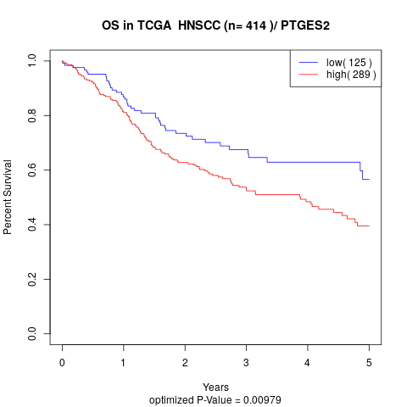

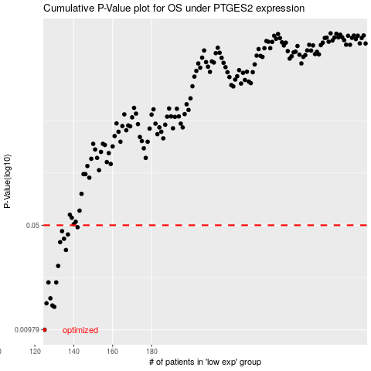

 |  |  |  |  |  | cases_OS | p_OS | rank | exp
 |  |  |  |  |  | 125 | 0.00979 | 201 | -0.52230327834
 |  |  |  |  |  | 130 | 0.014 | 289 | -0.50436292491
 |  |  |  |  |  | 129 | 0.0143 | 28 | -0.50728617091
 |  |  |  |  |  | 126 | 0.0148 | 58 | -0.52135689868
 |  |  |  |  |  | 128 | 0.016 | 307 | -0.50972050089
 |  |  |  |  |  | 127 | 0.0205 | 75 | -0.51918106795
 |  |  |  |  |  | 131 | 0.0205 | 200 | -0.50417828259
 |  |  |  |  |  | 132 | 0.0265 | 108 | -0.50326869099
 |  |  |  |  |  | 136 | 0.034 | 77 | -0.49205212631
 |  |  |  |  |  | 133 | 0.0384 | 244 | -0.50212938468
 |  |  |  |  |  | 135 | 0.0405 | 170 | -0.49398406068
 |  |  |  |  |  | 137 | 0.0433 | 199 | -0.49108089366
 |  |  |  |  |  | 134 | 0.0456 | 309 | -0.49671887322
 |  |  |  |  |  | 142 | 0.0485 | 253 | -0.47081615317
 |  |  |  |  |  |  | cases_RFS | p_RFS | rank | exp
 |  |  |  |  |  |  |  | 0.00979 | 296 | -0.52633901187
 |  |  |  |  |  |  | 129 | 0.014 | 28 | -0.50728617091
 |  |  |  |  |  |  | 128 | 0.0143 | 307 | -0.50972050089
 |  |  |  |  |  |  | 125 | 0.0148 | 201 | -0.52230327834
 |  |  |  |  |  |  | 127 | 0.016 | 75 | -0.51918106795
 |  |  |  |  |  |  | 126 | 0.0205 | 58 | -0.52135689868
 |  |  |  |  |  |  | 130 | 0.0205 | 289 | -0.50436292491
 |  |  |  |  |  |  | 131 | 0.0265 | 200 | -0.50417828259
 |  |  |  |  |  |  | 135 | 0.034 | 170 | -0.49398406068
 |  |  |  |  |  |  | 132 | 0.0384 | 108 | -0.50326869099
 |  |  |  |  |  |  | 134 | 0.0405 | 309 | -0.49671887322
 |  |  |  |  |  |  | 136 | 0.0433 | 77 | -0.49205212631
 |  |  |  |  |  |  | 133 | 0.0456 | 244 | -0.50212938468
 |  |  |  |  |  |  | 141 | 0.0485 | 348 | -0.47137443292

