PTGES3 _multivariate
Reported by Tex Li-Hsing Chi. tex@gate.sinica.edu.tw 2019-08-16

Table 2. The clinicopathological features of HNSCC cohort and PTGES3 expression. (Chi square test)
Cutoff at -0.406 (36.2%)
 |  | PTGES3 expression |  | PTGES3 expression |  | (Optimised)
 | Features | Low | (%) | High | (%) | Case no | P-value | Remark | Matthews
Gender | Female | 110 | 26.5 | 196 | 47.2 | 415 | 0.981 | 0 | 0
2 | Male | 40 | 9.6 | 69 | 16.6
Age at diagnosis | <=65y | 105 | 25.3 | 169 | 40.7 | 415 | 0.2385 | 0 | 0
4 | >65y | 45 | 10.8 | 96 | 23.1
Clinical T Status | T1+T2 | 64 | 15.4 | 85 | 20.5 | 415 | 0.04 | 1 | 0
6 | T3+T4 | 86 | 20.7 | 180 | 43.4
Clinical N Status | N0 | 88 | 21.2 | 128 | 30.8 | 415 | 0.0538 | 0 | 0
8 | N1-3 | 62 | 14.9 | 137 | 33
Clinical M Status | M0 | 150 | 36.1 | 262 | 63.1 | 415 | 0.5563 | 0 | 0
10 | M1 | 0 | 0 | 3 | 0.7
Clinical Stage | Stage I+II | 49 | 11.8 | 53 | 12.8 | 415 | 0.0058 | 1 | 0
12 | Stage III+IV | 101 | 24.3 | 212 | 51.1
Surgical Margin status | Negative | 117 | 28.2 | 201 | 48.4 | 415 | 0.7173 | 0 | 0
14 | Positive | 33 | 8 | 64 | 15.4
Tobacco Exposure | Low | 67 | 16.1 | 94 | 22.7 | 415 | 0.0747 | 0 | 0
16 | High | 83 | 20 | 171 | 41.2

Table 3. Univariate/Multivariate Cox's proportional hazards regression analyses on OS time of PTGES3 gene expression in HNSCC

 |  | Univariate |  |  |  | Multivariate
 | Features | HR | CI95%(L) | CI95%(H) | P-value | HR | CI95%(L) | CI95%(H) | P-value
1 | Female | 1 |  |  |  | 1
Gender | Male | 1.157 | 0.843 | 1.587 | 0.367 | 1.222 | 0.873 | 1.709 | 0.242
11 | <=65y | 1 |  |  |  | 1
Age at diagnosis | >65y | 1.329 | 0.99 | 1.784 | 0.058 | 1.36 | 0.998 | 1.854 | 0.052
12 | T1+T2 | 1 |  |  |  | 1
Clinical T Status | T3+T4 | 1.409 | 1.028 | 1.931 | 0.033 | 2.18 | 1.154 | 4.12 | 0.016
13 | N0 | 1 |  |  |  | 1
Clinical N Status | N1-3 | 1.185 | 0.89 | 1.577 | 0.246 | 1.203 | 0.84 | 1.723 | 0.314
14 | M0 | 1 |  |  |  | 1
Clinical M Status | M1 | 4.097 | 1.009 | 16.644 | 0.049 | 8.896 | 1.936 | 40.879 | 0.005
15 | Stage I+II | 1 |  |  |  | 1
Clinical Stage | Stage III+IV | 1.245 | 0.882 | 1.759 | 0.213 | 0.497 | 0.231 | 1.066 | 0.072
16 | Negative | 1 |  |  |  | 1
Surgical Margin status | Positive | 1.591 | 1.155 | 2.191 | 0.004 | 1.665 | 1.205 | 2.301 | 0.002
17 | Low | 1 |  |  |  | 1
Tobacco Exposure | High | 1.364 | 1.008 | 1.844 | 0.044 | 1.422 | 1.029 | 1.964 | 0.033
18 | Low | 1 |  |  |  | 1
RNAseq(z-score) | High | 1.37 | 1.011 | 1.857 | 0.043 | 1.216 | 0.883 | 1.676 | 0.231

Table 4. Univariate/Multivariate Cox's proportional hazards regression analyses on RFS time of PTGES3 gene expression in HNSCC

 |  | Univariate |  |  |  | Multivariate
 | Features | HR | CI95%(L) | CI95%(H) | P-value | HR | CI95%(L) | CI95%(H) | P-value
1 | Female | 1 |  |  |  | 1
Gender | Male | 1.157 | 0.843 | 1.587 | 0.367 | 1.222 | 0.873 | 1.709 | 0.242
11 | <=65y | 1 |  |  |  | 1
Age at diagnosis | >65y | 1.329 | 0.99 | 1.784 | 0.058 | 1.36 | 0.998 | 1.854 | 0.052
12 | T1+T2 | 1 |  |  |  | 1
Clinical T Status | T3+T4 | 1.409 | 1.028 | 1.931 | 0.033 | 2.18 | 1.154 | 4.12 | 0.016
13 | N0 | 1 |  |  |  | 1
Clinical N Status | N1-3 | 1.185 | 0.89 | 1.577 | 0.246 | 1.203 | 0.84 | 1.723 | 0.314
14 | M0 | 1 |  |  |  | 1
Clinical M Status | M1 | 4.097 | 1.009 | 16.644 | 0.049 | 8.896 | 1.936 | 40.879 | 0.005
15 | Stage I+II | 1 |  |  |  | 1
Clinical Stage | Stage III+IV | 1.245 | 0.882 | 1.759 | 0.213 | 0.497 | 0.231 | 1.066 | 0.072
16 | Negative | 1 |  |  |  | 1
Surgical Margin status | Positive | 1.591 | 1.155 | 2.191 | 0.004 | 1.665 | 1.205 | 2.301 | 0.002
17 | Low | 1 |  |  |  | 1
Tobacco Exposure | High | 1.364 | 1.008 | 1.844 | 0.044 | 1.422 | 1.029 | 1.964 | 0.033
18 | Low | 1 |  |  |  | 1
RNAseq(z-score) | High | 1.37 | 1.011 | 1.857 | 0.043 | 1.216 | 0.883 | 1.676 | 0.231

Kaplan-Meier survival estimate: Cutoff at -0.406 (36.2%)



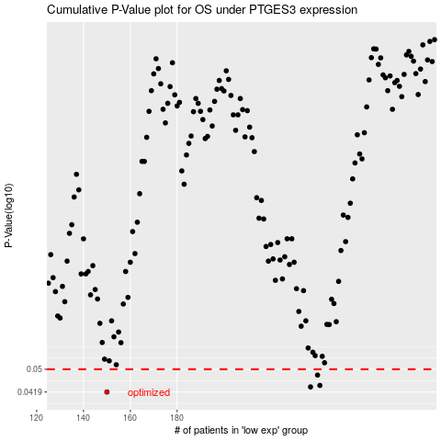

 |  |  |  |  |  | cases_OS | p_OS | rank | exp
 |  |  |  |  |  | 150 | 0.0419 | 92 | -0.4055196957
 |  |  |  |  |  | 237 | 0.0436 | 23 | 0.023281886935
 |  |  |  |  |  | 241 | 0.0441 | 236 | 0.043696157261
 |  |  |  |  |  | 240 | 0.0478 | 384 | 0.02886215812
 |  |  |  |  |  |  | cases_RFS | p_RFS | rank | exp
 |  |  |  |  |  |  | 149 | 0.0419 | 255 | -0.41428039759
 |  |  |  |  |  |  | 236 | 0.0436 | 111 | 0.015062585428
 |  |  |  |  |  |  | 240 | 0.0441 | 384 | 0.02886215812
 |  |  |  |  |  |  | 239 | 0.0478 | 320 | 0.028357373691

