PTGFRN _multivariate
Reported by Tex Li-Hsing Chi. tex@gate.sinica.edu.tw 2019-08-16

Table 2. The clinicopathological features of HNSCC cohort and PTGFRN expression. (Chi square test)
Cutoff at -0.432 (30.4%)
 |  | PTGFRN expression |  | PTGFRN expression |  | (Optimised)
 | Features | Low | (%) | High | (%) | Case no | P-value | Remark | Matthews
Gender | Female | 103 | 24.8 | 203 | 48.9 | 415 | 0.0199 | 1 | 0
2 | Male | 23 | 5.5 | 86 | 20.7
Age at diagnosis | <=65y | 86 | 20.7 | 188 | 45.3 | 415 | 0.6027 | 0 | 0
4 | >65y | 40 | 9.6 | 101 | 24.3
Clinical T Status | T1+T2 | 43 | 10.4 | 106 | 25.5 | 415 | 0.6988 | 0 | 0
6 | T3+T4 | 83 | 20 | 183 | 44.1
Clinical N Status | N0 | 55 | 13.3 | 161 | 38.8 | 415 | 0.0312 | 1 | 0
8 | N1-3 | 71 | 17.1 | 128 | 30.8
Clinical M Status | M0 | 124 | 29.9 | 288 | 69.4 | 415 | 0.22 | 0 | 0
10 | M1 | 2 | 0.5 | 1 | 0.2
Clinical Stage | Stage I+II | 22 | 5.3 | 80 | 19.3 | 415 | 0.0357 | 1 | 0
12 | Stage III+IV | 104 | 25.1 | 209 | 50.4
Surgical Margin status | Negative | 92 | 22.2 | 226 | 54.5 | 415 | 0.2584 | 0 | 0
14 | Positive | 34 | 8.2 | 63 | 15.2
Tobacco Exposure | Low | 51 | 12.3 | 110 | 26.5 | 415 | 0.6622 | 0 | 0
16 | High | 75 | 18.1 | 179 | 43.1

Table 3. Univariate/Multivariate Cox's proportional hazards regression analyses on OS time of PTGFRN gene expression in HNSCC

 |  | Univariate |  |  |  | Multivariate
 | Features | HR | CI95%(L) | CI95%(H) | P-value | HR | CI95%(L) | CI95%(H) | P-value
1 | Female | 1 |  |  |  | 1
Gender | Male | 1.157 | 0.843 | 1.587 | 0.367 | 1.15 | 0.82 | 1.613 | 0.417
11 | <=65y | 1 |  |  |  | 1
Age at diagnosis | >65y | 1.329 | 0.99 | 1.784 | 0.058 | 1.372 | 1.006 | 1.869 | 0.045
12 | T1+T2 | 1 |  |  |  | 1
Clinical T Status | T3+T4 | 1.409 | 1.028 | 1.931 | 0.033 | 2.13 | 1.125 | 4.031 | 0.02
13 | N0 | 1 |  |  |  | 1
Clinical N Status | N1-3 | 1.185 | 0.89 | 1.577 | 0.246 | 1.299 | 0.908 | 1.86 | 0.153
14 | M0 | 1 |  |  |  | 1
Clinical M Status | M1 | 4.097 | 1.009 | 16.644 | 0.049 | 10.023 | 2.185 | 45.986 | 0.003
15 | Stage I+II | 1 |  |  |  | 1
Clinical Stage | Stage III+IV | 1.245 | 0.882 | 1.759 | 0.213 | 0.524 | 0.244 | 1.127 | 0.098
16 | Negative | 1 |  |  |  | 1
Surgical Margin status | Positive | 1.591 | 1.155 | 2.191 | 0.004 | 1.751 | 1.264 | 2.426 | 0.001
17 | Low | 1 |  |  |  | 1
Tobacco Exposure | High | 1.364 | 1.008 | 1.844 | 0.044 | 1.426 | 1.031 | 1.973 | 0.032
18 | Low | 1 |  |  |  | 1
RNAseq(z-score) | High | 1.456 | 1.038 | 2.043 | 0.029 | 1.509 | 1.066 | 2.136 | 0.02

Table 4. Univariate/Multivariate Cox's proportional hazards regression analyses on RFS time of PTGFRN gene expression in HNSCC

 |  | Univariate |  |  |  | Multivariate
 | Features | HR | CI95%(L) | CI95%(H) | P-value | HR | CI95%(L) | CI95%(H) | P-value
1 | Female | 1 |  |  |  | 1
Gender | Male | 1.157 | 0.843 | 1.587 | 0.367 | 1.15 | 0.82 | 1.613 | 0.417
11 | <=65y | 1 |  |  |  | 1
Age at diagnosis | >65y | 1.329 | 0.99 | 1.784 | 0.058 | 1.372 | 1.006 | 1.869 | 0.045
12 | T1+T2 | 1 |  |  |  | 1
Clinical T Status | T3+T4 | 1.409 | 1.028 | 1.931 | 0.033 | 2.13 | 1.125 | 4.031 | 0.02
13 | N0 | 1 |  |  |  | 1
Clinical N Status | N1-3 | 1.185 | 0.89 | 1.577 | 0.246 | 1.299 | 0.908 | 1.86 | 0.153
14 | M0 | 1 |  |  |  | 1
Clinical M Status | M1 | 4.097 | 1.009 | 16.644 | 0.049 | 10.023 | 2.185 | 45.986 | 0.003
15 | Stage I+II | 1 |  |  |  | 1
Clinical Stage | Stage III+IV | 1.245 | 0.882 | 1.759 | 0.213 | 0.524 | 0.244 | 1.127 | 0.098
16 | Negative | 1 |  |  |  | 1
Surgical Margin status | Positive | 1.591 | 1.155 | 2.191 | 0.004 | 1.751 | 1.264 | 2.426 | 0.001
17 | Low | 1 |  |  |  | 1
Tobacco Exposure | High | 1.364 | 1.008 | 1.844 | 0.044 | 1.426 | 1.031 | 1.973 | 0.032
18 | Low | 1 |  |  |  | 1
RNAseq(z-score) | High | 1.456 | 1.038 | 2.043 | 0.029 | 1.509 | 1.066 | 2.136 | 0.02

Kaplan-Meier survival estimate: Cutoff at -0.432 (30.4%)

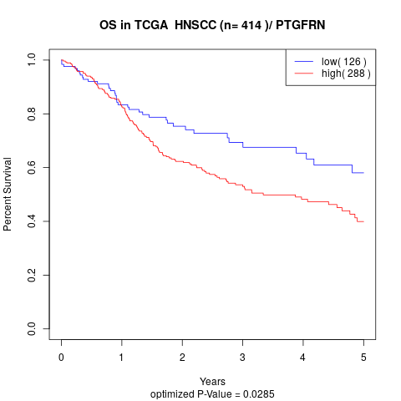

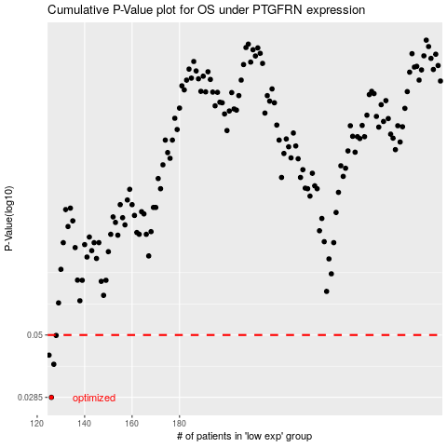

 |  |  |  |  |  | cases_OS | p_OS | rank | exp
 |  |  |  |  |  | 126 | 0.0285 | 339 | -0.43206748052
 |  |  |  |  |  | 127 | 0.0384 | 181 | -0.43085120705
 |  |  |  |  |  | 125 | 0.0417 | 188 | -0.4354034571
 |  |  |  |  |  | 128 | 0.0498 | 97 | -0.42642078538
 |  |  |  |  |  |  | cases_RFS | p_RFS | rank | exp
 |  |  |  |  |  |  | 125 | 0.0285 | 188 | -0.4354034571
 |  |  |  |  |  |  | 126 | 0.0384 | 339 | -0.43206748052
 |  |  |  |  |  |  |  | 0.0417 | 407 | -0.45178727299
 |  |  |  |  |  |  | 127 | 0.0498 | 181 | -0.43085120705

