PTH2R _multivariate
Reported by Tex Li-Hsing Chi. tex@gate.sinica.edu.tw 2019-08-16

Table 2. The clinicopathological features of HNSCC cohort and PTH2R expression. (Chi square test)
Cutoff at -0.497 (49.8%)
 |  | PTH2R expression |  | PTH2R expression |  | (Optimised)
 | Features | Low | (%) | High | (%) | Case no | P-value | Remark | Matthews
Gender | Female | 138 | 33.3 | 168 | 40.5 | 415 | 0.0016 | 1 | 0
2 | Male | 69 | 16.6 | 40 | 9.6
Age at diagnosis | <=65y | 131 | 31.6 | 143 | 34.5 | 415 | 0.2839 | 0 | 0
4 | >65y | 76 | 18.3 | 65 | 15.7
Clinical T Status | T1+T2 | 77 | 18.6 | 72 | 17.3 | 415 | 0.6556 | 0 | 0
6 | T3+T4 | 130 | 31.3 | 136 | 32.8
Clinical N Status | N0 | 119 | 28.7 | 97 | 23.4 | 415 | 0.0345 | 1 | 0
8 | N1-3 | 88 | 21.2 | 111 | 26.7
Clinical M Status | M0 | 205 | 49.4 | 207 | 49.9 | 415 | 0.6232 | 0 | 0
10 | M1 | 2 | 0.5 | 1 | 0.2
Clinical Stage | Stage I+II | 62 | 14.9 | 40 | 9.6 | 415 | 0.0154 | 1 | 0
12 | Stage III+IV | 145 | 34.9 | 168 | 40.5
Surgical Margin status | Negative | 162 | 39 | 156 | 37.6 | 415 | 0.4867 | 0 | 0
14 | Positive | 45 | 10.8 | 52 | 12.5
Tobacco Exposure | Low | 102 | 24.6 | 59 | 14.2 | 415 | 0 | 1 | 0
16 | High | 105 | 25.3 | 149 | 35.9

Table 3. Univariate/Multivariate Cox's proportional hazards regression analyses on OS time of PTH2R gene expression in HNSCC

 |  | Univariate |  |  |  | Multivariate
 | Features | HR | CI95%(L) | CI95%(H) | P-value | HR | CI95%(L) | CI95%(H) | P-value
1 | Female | 1 |  |  |  | 1
Gender | Male | 1.157 | 0.843 | 1.587 | 0.367 | 1.192 | 0.852 | 1.667 | 0.305
11 | <=65y | 1 |  |  |  | 1
Age at diagnosis | >65y | 1.329 | 0.99 | 1.784 | 0.058 | 1.392 | 1.024 | 1.892 | 0.035
12 | T1+T2 | 1 |  |  |  | 1
Clinical T Status | T3+T4 | 1.409 | 1.028 | 1.931 | 0.033 | 2.163 | 1.141 | 4.102 | 0.018
13 | N0 | 1 |  |  |  | 1
Clinical N Status | N1-3 | 1.185 | 0.89 | 1.577 | 0.246 | 1.243 | 0.871 | 1.773 | 0.23
14 | M0 | 1 |  |  |  | 1
Clinical M Status | M1 | 4.097 | 1.009 | 16.644 | 0.049 | 9.105 | 1.979 | 41.885 | 0.005
15 | Stage I+II | 1 |  |  |  | 1
Clinical Stage | Stage III+IV | 1.245 | 0.882 | 1.759 | 0.213 | 0.519 | 0.24 | 1.12 | 0.095
16 | Negative | 1 |  |  |  | 1
Surgical Margin status | Positive | 1.591 | 1.155 | 2.191 | 0.004 | 1.683 | 1.217 | 2.327 | 0.002
17 | Low | 1 |  |  |  | 1
Tobacco Exposure | High | 1.364 | 1.008 | 1.844 | 0.044 | 1.473 | 1.066 | 2.036 | 0.019
18 | Low | 1 |  |  |  | 1
RNAseq(z-score) | High | 0.948 | 0.711 | 1.263 | 0.713 | 0.911 | 0.676 | 1.228 | 0.541

Table 4. Univariate/Multivariate Cox's proportional hazards regression analyses on RFS time of PTH2R gene expression in HNSCC

 |  | Univariate |  |  |  | Multivariate
 | Features | HR | CI95%(L) | CI95%(H) | P-value | HR | CI95%(L) | CI95%(H) | P-value
1 | Female | 1 |  |  |  | 1
Gender | Male | 1.157 | 0.843 | 1.587 | 0.367 | 1.192 | 0.852 | 1.667 | 0.305
11 | <=65y | 1 |  |  |  | 1
Age at diagnosis | >65y | 1.329 | 0.99 | 1.784 | 0.058 | 1.392 | 1.024 | 1.892 | 0.035
12 | T1+T2 | 1 |  |  |  | 1
Clinical T Status | T3+T4 | 1.409 | 1.028 | 1.931 | 0.033 | 2.163 | 1.141 | 4.102 | 0.018
13 | N0 | 1 |  |  |  | 1
Clinical N Status | N1-3 | 1.185 | 0.89 | 1.577 | 0.246 | 1.243 | 0.871 | 1.773 | 0.23
14 | M0 | 1 |  |  |  | 1
Clinical M Status | M1 | 4.097 | 1.009 | 16.644 | 0.049 | 9.105 | 1.979 | 41.885 | 0.005
15 | Stage I+II | 1 |  |  |  | 1
Clinical Stage | Stage III+IV | 1.245 | 0.882 | 1.759 | 0.213 | 0.519 | 0.24 | 1.12 | 0.095
16 | Negative | 1 |  |  |  | 1
Surgical Margin status | Positive | 1.591 | 1.155 | 2.191 | 0.004 | 1.683 | 1.217 | 2.327 | 0.002
17 | Low | 1 |  |  |  | 1
Tobacco Exposure | High | 1.364 | 1.008 | 1.844 | 0.044 | 1.473 | 1.066 | 2.036 | 0.019
18 | Low | 1 |  |  |  | 1
RNAseq(z-score) | High | 0.948 | 0.711 | 1.263 | 0.713 | 0.911 | 0.676 | 1.228 | 0.541

Kaplan-Meier survival estimate: Cutoff at -0.497 (49.8%)



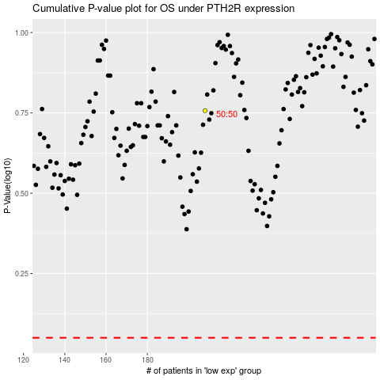

 |  |  |  |  |  | cases_OS | p_OS | rank | exp
 |  |  |  |  |  |  | cases_RFS | p_RFS | rank | exp

