PTK2 _multivariate
Reported by Tex Li-Hsing Chi. tex@gate.sinica.edu.tw 2019-08-16

Table 2. The clinicopathological features of HNSCC cohort and PTK2 expression. (Chi square test)
Cutoff at -0.032 (50.0%)
 |  | PTK2 expression |  | PTK2 expression |  | (Optimised)
 | Features | Low | (%) | High | (%) | Case no | P-value | Remark | Matthews
Gender | Female | 152 | 36.6 | 154 | 37.1 | 415 | 0.9766 | 0 | 0
2 | Male | 55 | 13.3 | 54 | 13
Age at diagnosis | <=65y | 130 | 31.3 | 144 | 34.7 | 415 | 0.2009 | 0 | 0
4 | >65y | 77 | 18.6 | 64 | 15.4
Clinical T Status | T1+T2 | 80 | 19.3 | 69 | 16.6 | 415 | 0.2891 | 0 | 0
6 | T3+T4 | 127 | 30.6 | 139 | 33.5
Clinical N Status | N0 | 116 | 28 | 100 | 24.1 | 415 | 0.1273 | 1 | 0
8 | N1-3 | 91 | 21.9 | 108 | 26
Clinical M Status | M0 | 206 | 49.6 | 206 | 49.6 | 415 | 1 | 0 | 0
10 | M1 | 1 | 0.2 | 2 | 0.5
Clinical Stage | Stage I+II | 57 | 13.7 | 45 | 10.8 | 415 | 0.1998 | 0 | 0
12 | Stage III+IV | 150 | 36.1 | 163 | 39.3
Surgical Margin status | Negative | 156 | 37.6 | 162 | 39 | 415 | 0.5636 | 0 | 0
14 | Positive | 51 | 12.3 | 46 | 11.1
Tobacco Exposure | Low | 78 | 18.8 | 83 | 20 | 415 | 0.6873 | 0 | 0
16 | High | 129 | 31.1 | 125 | 30.1

Table 3. Univariate/Multivariate Cox's proportional hazards regression analyses on OS time of PTK2 gene expression in HNSCC

 |  | Univariate |  |  |  | Multivariate
 | Features | HR | CI95%(L) | CI95%(H) | P-value | HR | CI95%(L) | CI95%(H) | P-value
1 | Female | 1 |  |  |  | 1
Gender | Male | 1.157 | 0.843 | 1.587 | 0.367 | 1.221 | 0.873 | 1.707 | 0.243
11 | <=65y | 1 |  |  |  | 1
Age at diagnosis | >65y | 1.329 | 0.99 | 1.784 | 0.058 | 1.429 | 1.048 | 1.947 | 0.024
12 | T1+T2 | 1 |  |  |  | 1
Clinical T Status | T3+T4 | 1.409 | 1.028 | 1.931 | 0.033 | 2.176 | 1.15 | 4.114 | 0.017
13 | N0 | 1 |  |  |  | 1
Clinical N Status | N1-3 | 1.185 | 0.89 | 1.577 | 0.246 | 1.209 | 0.846 | 1.728 | 0.298
14 | M0 | 1 |  |  |  | 1
Clinical M Status | M1 | 4.097 | 1.009 | 16.644 | 0.049 | 9.357 | 2.041 | 42.895 | 0.004
15 | Stage I+II | 1 |  |  |  | 1
Clinical Stage | Stage III+IV | 1.245 | 0.882 | 1.759 | 0.213 | 0.51 | 0.238 | 1.094 | 0.084
16 | Negative | 1 |  |  |  | 1
Surgical Margin status | Positive | 1.591 | 1.155 | 2.191 | 0.004 | 1.701 | 1.229 | 2.353 | 0.001
17 | Low | 1 |  |  |  | 1
Tobacco Exposure | High | 1.364 | 1.008 | 1.844 | 0.044 | 1.483 | 1.075 | 2.046 | 0.016
18 | Low | 1 |  |  |  | 1
RNAseq(z-score) | High | 1.126 | 0.845 | 1.5 | 0.418 | 1.209 | 0.9 | 1.624 | 0.207

Table 4. Univariate/Multivariate Cox's proportional hazards regression analyses on RFS time of PTK2 gene expression in HNSCC

 |  | Univariate |  |  |  | Multivariate
 | Features | HR | CI95%(L) | CI95%(H) | P-value | HR | CI95%(L) | CI95%(H) | P-value
1 | Female | 1 |  |  |  | 1
Gender | Male | 1.157 | 0.843 | 1.587 | 0.367 | 1.221 | 0.873 | 1.707 | 0.243
11 | <=65y | 1 |  |  |  | 1
Age at diagnosis | >65y | 1.329 | 0.99 | 1.784 | 0.058 | 1.429 | 1.048 | 1.947 | 0.024
12 | T1+T2 | 1 |  |  |  | 1
Clinical T Status | T3+T4 | 1.409 | 1.028 | 1.931 | 0.033 | 2.176 | 1.15 | 4.114 | 0.017
13 | N0 | 1 |  |  |  | 1
Clinical N Status | N1-3 | 1.185 | 0.89 | 1.577 | 0.246 | 1.209 | 0.846 | 1.728 | 0.298
14 | M0 | 1 |  |  |  | 1
Clinical M Status | M1 | 4.097 | 1.009 | 16.644 | 0.049 | 9.357 | 2.041 | 42.895 | 0.004
15 | Stage I+II | 1 |  |  |  | 1
Clinical Stage | Stage III+IV | 1.245 | 0.882 | 1.759 | 0.213 | 0.51 | 0.238 | 1.094 | 0.084
16 | Negative | 1 |  |  |  | 1
Surgical Margin status | Positive | 1.591 | 1.155 | 2.191 | 0.004 | 1.701 | 1.229 | 2.353 | 0.001
17 | Low | 1 |  |  |  | 1
Tobacco Exposure | High | 1.364 | 1.008 | 1.844 | 0.044 | 1.483 | 1.075 | 2.046 | 0.016
18 | Low | 1 |  |  |  | 1
RNAseq(z-score) | High | 1.126 | 0.845 | 1.5 | 0.418 | 1.209 | 0.9 | 1.624 | 0.207

Kaplan-Meier survival estimate: Cutoff at -0.032 (50.0%)



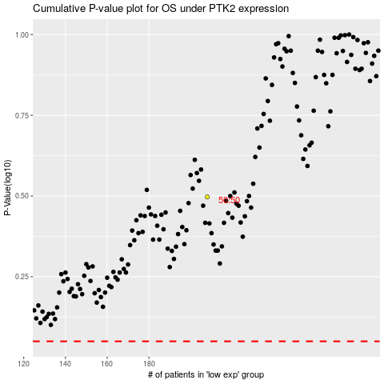

 |  |  |  |  |  | cases_OS | p_OS | rank | exp
 |  |  |  |  |  |  | cases_RFS | p_RFS | rank | exp

