PTMA _multivariate
Reported by Tex Li-Hsing Chi. tex@gate.sinica.edu.tw 2019-08-16

Table 2. The clinicopathological features of HNSCC cohort and PTMA expression. (Chi square test)
Cutoff at -0.247 (49.8%)
 |  | PTMA expression |  | PTMA expression |  | (Optimised)
 | Features | Low | (%) | High | (%) | Case no | P-value | Remark | Matthews
Gender | Female | 146 | 35.2 | 160 | 38.6 | 415 | 0.1714 | 0 | 0
2 | Male | 61 | 14.7 | 48 | 11.6
Age at diagnosis | <=65y | 130 | 31.3 | 144 | 34.7 | 415 | 0.2009 | 0 | 0
4 | >65y | 77 | 18.6 | 64 | 15.4
Clinical T Status | T1+T2 | 65 | 15.7 | 84 | 20.2 | 415 | 0.0711 | 0 | 0
6 | T3+T4 | 142 | 34.2 | 124 | 29.9
Clinical N Status | N0 | 115 | 27.7 | 101 | 24.3 | 415 | 0.184 | 1 | 0
8 | N1-3 | 92 | 22.2 | 107 | 25.8
Clinical M Status | M0 | 205 | 49.4 | 207 | 49.9 | 415 | 0.6232 | 0 | 0
10 | M1 | 2 | 0.5 | 1 | 0.2
Clinical Stage | Stage I+II | 45 | 10.8 | 57 | 13.7 | 415 | 0.2202 | 0 | 0
12 | Stage III+IV | 162 | 39 | 151 | 36.4
Surgical Margin status | Negative | 167 | 40.2 | 151 | 36.4 | 415 | 0.0632 | 0 | 0
14 | Positive | 40 | 9.6 | 57 | 13.7
Tobacco Exposure | Low | 84 | 20.2 | 77 | 18.6 | 415 | 0.4816 | 0 | 0
16 | High | 123 | 29.6 | 131 | 31.6

Table 3. Univariate/Multivariate Cox's proportional hazards regression analyses on OS time of PTMA gene expression in HNSCC

 |  | Univariate |  |  |  | Multivariate
 | Features | HR | CI95%(L) | CI95%(H) | P-value | HR | CI95%(L) | CI95%(H) | P-value
1 | Female | 1 |  |  |  | 1
Gender | Male | 1.157 | 0.843 | 1.587 | 0.367 | 1.175 | 0.841 | 1.642 | 0.344
11 | <=65y | 1 |  |  |  | 1
Age at diagnosis | >65y | 1.329 | 0.99 | 1.784 | 0.058 | 1.376 | 1.011 | 1.872 | 0.042
12 | T1+T2 | 1 |  |  |  | 1
Clinical T Status | T3+T4 | 1.409 | 1.028 | 1.931 | 0.033 | 2.169 | 1.146 | 4.105 | 0.017
13 | N0 | 1 |  |  |  | 1
Clinical N Status | N1-3 | 1.185 | 0.89 | 1.577 | 0.246 | 1.273 | 0.892 | 1.819 | 0.184
14 | M0 | 1 |  |  |  | 1
Clinical M Status | M1 | 4.097 | 1.009 | 16.644 | 0.049 | 8.565 | 1.861 | 39.418 | 0.006
15 | Stage I+II | 1 |  |  |  | 1
Clinical Stage | Stage III+IV | 1.245 | 0.882 | 1.759 | 0.213 | 0.499 | 0.232 | 1.071 | 0.075
16 | Negative | 1 |  |  |  | 1
Surgical Margin status | Positive | 1.591 | 1.155 | 2.191 | 0.004 | 1.763 | 1.267 | 2.453 | 0.001
17 | Low | 1 |  |  |  | 1
Tobacco Exposure | High | 1.364 | 1.008 | 1.844 | 0.044 | 1.472 | 1.068 | 2.029 | 0.018
18 | Low | 1 |  |  |  | 1
RNAseq(z-score) | High | 0.823 | 0.618 | 1.097 | 0.185 | 0.78 | 0.58 | 1.051 | 0.103

Table 4. Univariate/Multivariate Cox's proportional hazards regression analyses on RFS time of PTMA gene expression in HNSCC

 |  | Univariate |  |  |  | Multivariate
 | Features | HR | CI95%(L) | CI95%(H) | P-value | HR | CI95%(L) | CI95%(H) | P-value
1 | Female | 1 |  |  |  | 1
Gender | Male | 1.157 | 0.843 | 1.587 | 0.367 | 1.175 | 0.841 | 1.642 | 0.344
11 | <=65y | 1 |  |  |  | 1
Age at diagnosis | >65y | 1.329 | 0.99 | 1.784 | 0.058 | 1.376 | 1.011 | 1.872 | 0.042
12 | T1+T2 | 1 |  |  |  | 1
Clinical T Status | T3+T4 | 1.409 | 1.028 | 1.931 | 0.033 | 2.169 | 1.146 | 4.105 | 0.017
13 | N0 | 1 |  |  |  | 1
Clinical N Status | N1-3 | 1.185 | 0.89 | 1.577 | 0.246 | 1.273 | 0.892 | 1.819 | 0.184
14 | M0 | 1 |  |  |  | 1
Clinical M Status | M1 | 4.097 | 1.009 | 16.644 | 0.049 | 8.565 | 1.861 | 39.418 | 0.006
15 | Stage I+II | 1 |  |  |  | 1
Clinical Stage | Stage III+IV | 1.245 | 0.882 | 1.759 | 0.213 | 0.499 | 0.232 | 1.071 | 0.075
16 | Negative | 1 |  |  |  | 1
Surgical Margin status | Positive | 1.591 | 1.155 | 2.191 | 0.004 | 1.763 | 1.267 | 2.453 | 0.001
17 | Low | 1 |  |  |  | 1
Tobacco Exposure | High | 1.364 | 1.008 | 1.844 | 0.044 | 1.472 | 1.068 | 2.029 | 0.018
18 | Low | 1 |  |  |  | 1
RNAseq(z-score) | High | 0.823 | 0.618 | 1.097 | 0.185 | 0.78 | 0.58 | 1.051 | 0.103

Kaplan-Meier survival estimate: Cutoff at -0.247 (49.8%)



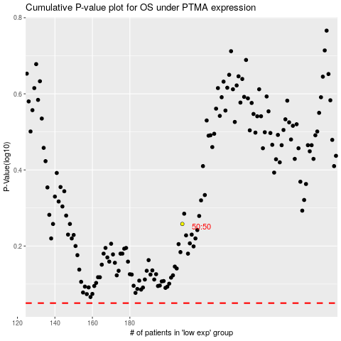

 |  |  |  |  |  | cases_OS | p_OS | rank | exp
 |  |  |  |  |  |  | cases_RFS | p_RFS | rank | exp

