PTN _multivariate
Reported by Tex Li-Hsing Chi. tex@gate.sinica.edu.tw 2019-08-16

Table 2. The clinicopathological features of HNSCC cohort and PTN expression. (Chi square test)
Cutoff at -0.461 (49.8%)
 |  | PTN expression |  | PTN expression |  | (Optimised)
 | Features | Low | (%) | High | (%) | Case no | P-value | Remark | Matthews
Gender | Female | 141 | 34 | 165 | 39.8 | 415 | 0.013 | 1 | 0
2 | Male | 66 | 15.9 | 43 | 10.4
Age at diagnosis | <=65y | 130 | 31.3 | 144 | 34.7 | 415 | 0.2009 | 0 | 0
4 | >65y | 77 | 18.6 | 64 | 15.4
Clinical T Status | T1+T2 | 70 | 16.9 | 79 | 19 | 415 | 0.4343 | 0 | 0
6 | T3+T4 | 137 | 33 | 129 | 31.1
Clinical N Status | N0 | 107 | 25.8 | 109 | 26.3 | 415 | 0.9624 | 0 | 0
8 | N1-3 | 100 | 24.1 | 99 | 23.9
Clinical M Status | M0 | 204 | 49.2 | 208 | 50.1 | 415 | 0.1232 | 0 | 0
10 | M1 | 3 | 0.7 | 0 | 0
Clinical Stage | Stage I+II | 48 | 11.6 | 54 | 13 | 415 | 0.5878 | 0 | 0
12 | Stage III+IV | 159 | 38.3 | 154 | 37.1
Surgical Margin status | Negative | 158 | 38.1 | 160 | 38.6 | 415 | 0.9081 | 0 | 0
14 | Positive | 49 | 11.8 | 48 | 11.6
Tobacco Exposure | Low | 93 | 22.4 | 68 | 16.4 | 415 | 0.0118 | 1 | 0
16 | High | 114 | 27.5 | 140 | 33.7

Table 3. Univariate/Multivariate Cox's proportional hazards regression analyses on OS time of PTN gene expression in HNSCC

 |  | Univariate |  |  |  | Multivariate
 | Features | HR | CI95%(L) | CI95%(H) | P-value | HR | CI95%(L) | CI95%(H) | P-value
1 | Female | 1 |  |  |  | 1
Gender | Male | 1.157 | 0.843 | 1.587 | 0.367 | 1.188 | 0.849 | 1.664 | 0.315
11 | <=65y | 1 |  |  |  | 1
Age at diagnosis | >65y | 1.329 | 0.99 | 1.784 | 0.058 | 1.387 | 1.02 | 1.886 | 0.037
12 | T1+T2 | 1 |  |  |  | 1
Clinical T Status | T3+T4 | 1.409 | 1.028 | 1.931 | 0.033 | 2.18 | 1.152 | 4.124 | 0.017
13 | N0 | 1 |  |  |  | 1
Clinical N Status | N1-3 | 1.185 | 0.89 | 1.577 | 0.246 | 1.242 | 0.871 | 1.772 | 0.232
14 | M0 | 1 |  |  |  | 1
Clinical M Status | M1 | 4.097 | 1.009 | 16.644 | 0.049 | 8.849 | 1.911 | 40.974 | 0.005
15 | Stage I+II | 1 |  |  |  | 1
Clinical Stage | Stage III+IV | 1.245 | 0.882 | 1.759 | 0.213 | 0.508 | 0.236 | 1.091 | 0.082
16 | Negative | 1 |  |  |  | 1
Surgical Margin status | Positive | 1.591 | 1.155 | 2.191 | 0.004 | 1.673 | 1.211 | 2.311 | 0.002
17 | Low | 1 |  |  |  | 1
Tobacco Exposure | High | 1.364 | 1.008 | 1.844 | 0.044 | 1.48 | 1.068 | 2.05 | 0.018
18 | Low | 1 |  |  |  | 1
RNAseq(z-score) | High | 0.903 | 0.678 | 1.203 | 0.486 | 0.904 | 0.672 | 1.216 | 0.506

Table 4. Univariate/Multivariate Cox's proportional hazards regression analyses on RFS time of PTN gene expression in HNSCC

 |  | Univariate |  |  |  | Multivariate
 | Features | HR | CI95%(L) | CI95%(H) | P-value | HR | CI95%(L) | CI95%(H) | P-value
1 | Female | 1 |  |  |  | 1
Gender | Male | 1.157 | 0.843 | 1.587 | 0.367 | 1.188 | 0.849 | 1.664 | 0.315
11 | <=65y | 1 |  |  |  | 1
Age at diagnosis | >65y | 1.329 | 0.99 | 1.784 | 0.058 | 1.387 | 1.02 | 1.886 | 0.037
12 | T1+T2 | 1 |  |  |  | 1
Clinical T Status | T3+T4 | 1.409 | 1.028 | 1.931 | 0.033 | 2.18 | 1.152 | 4.124 | 0.017
13 | N0 | 1 |  |  |  | 1
Clinical N Status | N1-3 | 1.185 | 0.89 | 1.577 | 0.246 | 1.242 | 0.871 | 1.772 | 0.232
14 | M0 | 1 |  |  |  | 1
Clinical M Status | M1 | 4.097 | 1.009 | 16.644 | 0.049 | 8.849 | 1.911 | 40.974 | 0.005
15 | Stage I+II | 1 |  |  |  | 1
Clinical Stage | Stage III+IV | 1.245 | 0.882 | 1.759 | 0.213 | 0.508 | 0.236 | 1.091 | 0.082
16 | Negative | 1 |  |  |  | 1
Surgical Margin status | Positive | 1.591 | 1.155 | 2.191 | 0.004 | 1.673 | 1.211 | 2.311 | 0.002
17 | Low | 1 |  |  |  | 1
Tobacco Exposure | High | 1.364 | 1.008 | 1.844 | 0.044 | 1.48 | 1.068 | 2.05 | 0.018
18 | Low | 1 |  |  |  | 1
RNAseq(z-score) | High | 0.903 | 0.678 | 1.203 | 0.486 | 0.904 | 0.672 | 1.216 | 0.506

Kaplan-Meier survival estimate: Cutoff at -0.461 (49.8%)

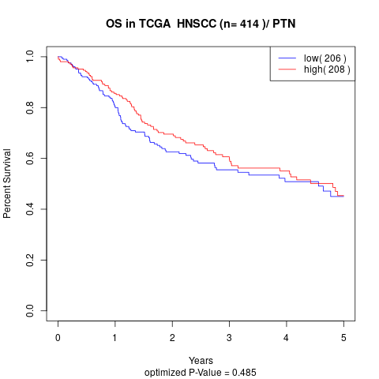

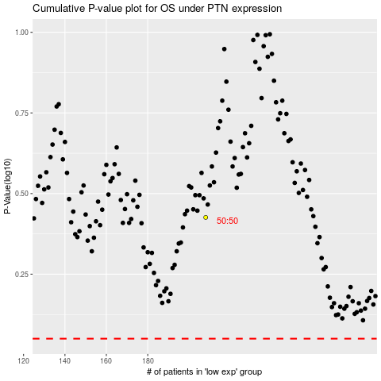

 |  |  |  |  |  | cases_OS | p_OS | rank | exp
 |  |  |  |  |  |  | cases_RFS | p_RFS | rank | exp

