PTP4A1 _multivariate
Reported by Tex Li-Hsing Chi. tex@gate.sinica.edu.tw 2019-08-16

Table 2. The clinicopathological features of HNSCC cohort and PTP4A1 expression. (Chi square test)
Cutoff at -0.124 (50.0%)
 |  | PTP4A1 expression |  | PTP4A1 expression |  | (Optimised)
 | Features | Low | (%) | High | (%) | Case no | P-value | Remark | Matthews
Gender | Female | 160 | 38.6 | 146 | 35.2 | 415 | 0.1254 | 0 | 0
2 | Male | 47 | 11.3 | 62 | 14.9
Age at diagnosis | <=65y | 141 | 34 | 133 | 32 | 415 | 0.4272 | 0 | 0
4 | >65y | 66 | 15.9 | 75 | 18.1
Clinical T Status | T1+T2 | 78 | 18.8 | 71 | 17.1 | 415 | 0.5152 | 0 | 0
6 | T3+T4 | 129 | 31.1 | 137 | 33
Clinical N Status | N0 | 105 | 25.3 | 111 | 26.7 | 415 | 0.6598 | 0 | 0
8 | N1-3 | 102 | 24.6 | 97 | 23.4
Clinical M Status | M0 | 205 | 49.4 | 207 | 49.9 | 415 | 0.6232 | 0 | 0
10 | M1 | 2 | 0.5 | 1 | 0.2
Clinical Stage | Stage I+II | 47 | 11.3 | 55 | 13.3 | 415 | 0.4413 | 0 | 0
12 | Stage III+IV | 160 | 38.6 | 153 | 36.9
Surgical Margin status | Negative | 158 | 38.1 | 160 | 38.6 | 415 | 0.9081 | 0 | 0
14 | Positive | 49 | 11.8 | 48 | 11.6
Tobacco Exposure | Low | 84 | 20.2 | 77 | 18.6 | 415 | 0.4816 | 0 | 0
16 | High | 123 | 29.6 | 131 | 31.6

Table 3. Univariate/Multivariate Cox's proportional hazards regression analyses on OS time of PTP4A1 gene expression in HNSCC

 |  | Univariate |  |  |  | Multivariate
 | Features | HR | CI95%(L) | CI95%(H) | P-value | HR | CI95%(L) | CI95%(H) | P-value
1 | Female | 1 |  |  |  | 1
Gender | Male | 1.157 | 0.843 | 1.587 | 0.367 | 1.198 | 0.857 | 1.673 | 0.29
11 | <=65y | 1 |  |  |  | 1
Age at diagnosis | >65y | 1.329 | 0.99 | 1.784 | 0.058 | 1.39 | 1.022 | 1.889 | 0.036
12 | T1+T2 | 1 |  |  |  | 1
Clinical T Status | T3+T4 | 1.409 | 1.028 | 1.931 | 0.033 | 2.173 | 1.148 | 4.113 | 0.017
13 | N0 | 1 |  |  |  | 1
Clinical N Status | N1-3 | 1.185 | 0.89 | 1.577 | 0.246 | 1.241 | 0.87 | 1.77 | 0.234
14 | M0 | 1 |  |  |  | 1
Clinical M Status | M1 | 4.097 | 1.009 | 16.644 | 0.049 | 9.384 | 2.047 | 43.017 | 0.004
15 | Stage I+II | 1 |  |  |  | 1
Clinical Stage | Stage III+IV | 1.245 | 0.882 | 1.759 | 0.213 | 0.513 | 0.238 | 1.103 | 0.088
16 | Negative | 1 |  |  |  | 1
Surgical Margin status | Positive | 1.591 | 1.155 | 2.191 | 0.004 | 1.676 | 1.213 | 2.317 | 0.002
17 | Low | 1 |  |  |  | 1
Tobacco Exposure | High | 1.364 | 1.008 | 1.844 | 0.044 | 1.452 | 1.054 | 2.001 | 0.023
18 | Low | 1 |  |  |  | 1
RNAseq(z-score) | High | 1.105 | 0.83 | 1.472 | 0.493 | 1.092 | 0.818 | 1.458 | 0.549

Table 4. Univariate/Multivariate Cox's proportional hazards regression analyses on RFS time of PTP4A1 gene expression in HNSCC

 |  | Univariate |  |  |  | Multivariate
 | Features | HR | CI95%(L) | CI95%(H) | P-value | HR | CI95%(L) | CI95%(H) | P-value
1 | Female | 1 |  |  |  | 1
Gender | Male | 1.157 | 0.843 | 1.587 | 0.367 | 1.198 | 0.857 | 1.673 | 0.29
11 | <=65y | 1 |  |  |  | 1
Age at diagnosis | >65y | 1.329 | 0.99 | 1.784 | 0.058 | 1.39 | 1.022 | 1.889 | 0.036
12 | T1+T2 | 1 |  |  |  | 1
Clinical T Status | T3+T4 | 1.409 | 1.028 | 1.931 | 0.033 | 2.173 | 1.148 | 4.113 | 0.017
13 | N0 | 1 |  |  |  | 1
Clinical N Status | N1-3 | 1.185 | 0.89 | 1.577 | 0.246 | 1.241 | 0.87 | 1.77 | 0.234
14 | M0 | 1 |  |  |  | 1
Clinical M Status | M1 | 4.097 | 1.009 | 16.644 | 0.049 | 9.384 | 2.047 | 43.017 | 0.004
15 | Stage I+II | 1 |  |  |  | 1
Clinical Stage | Stage III+IV | 1.245 | 0.882 | 1.759 | 0.213 | 0.513 | 0.238 | 1.103 | 0.088
16 | Negative | 1 |  |  |  | 1
Surgical Margin status | Positive | 1.591 | 1.155 | 2.191 | 0.004 | 1.676 | 1.213 | 2.317 | 0.002
17 | Low | 1 |  |  |  | 1
Tobacco Exposure | High | 1.364 | 1.008 | 1.844 | 0.044 | 1.452 | 1.054 | 2.001 | 0.023
18 | Low | 1 |  |  |  | 1
RNAseq(z-score) | High | 1.105 | 0.83 | 1.472 | 0.493 | 1.092 | 0.818 | 1.458 | 0.549

Kaplan-Meier survival estimate: Cutoff at -0.124 (50.0%)



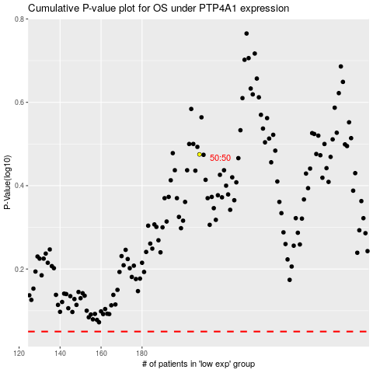

 |  |  |  |  |  | cases_OS | p_OS | rank | exp
 |  |  |  |  |  |  | cases_RFS | p_RFS | rank | exp

