PTP4A3 _multivariate
Reported by Tex Li-Hsing Chi. tex@gate.sinica.edu.tw 2019-08-16

Table 2. The clinicopathological features of HNSCC cohort and PTP4A3 expression. (Chi square test)
Cutoff at -0.259 (50.0%)
 |  | PTP4A3 expression |  | PTP4A3 expression |  | (Optimised)
 | Features | Low | (%) | High | (%) | Case no | P-value | Remark | Matthews
Gender | Female | 149 | 35.9 | 157 | 37.8 | 415 | 0.4848 | 0 | 0
2 | Male | 58 | 14 | 51 | 12.3
Age at diagnosis | <=65y | 131 | 31.6 | 143 | 34.5 | 415 | 0.2839 | 0 | 0
4 | >65y | 76 | 18.3 | 65 | 15.7
Clinical T Status | T1+T2 | 73 | 17.6 | 76 | 18.3 | 415 | 0.8666 | 0 | 0
6 | T3+T4 | 134 | 32.3 | 132 | 31.8
Clinical N Status | N0 | 110 | 26.5 | 106 | 25.5 | 415 | 0.7294 | 0 | 0
8 | N1-3 | 97 | 23.4 | 102 | 24.6
Clinical M Status | M0 | 205 | 49.4 | 207 | 49.9 | 415 | 0.6232 | 0 | 0
10 | M1 | 2 | 0.5 | 1 | 0.2
Clinical Stage | Stage I+II | 51 | 12.3 | 51 | 12.3 | 415 | 1 | 0 | 0
12 | Stage III+IV | 156 | 37.6 | 157 | 37.8
Surgical Margin status | Negative | 159 | 38.3 | 159 | 38.3 | 415 | 1 | 0 | 0
14 | Positive | 48 | 11.6 | 49 | 11.8
Tobacco Exposure | Low | 93 | 22.4 | 68 | 16.4 | 415 | 0.0118 | 1 | 0
16 | High | 114 | 27.5 | 140 | 33.7

Table 3. Univariate/Multivariate Cox's proportional hazards regression analyses on OS time of PTP4A3 gene expression in HNSCC

 |  | Univariate |  |  |  | Multivariate
 | Features | HR | CI95%(L) | CI95%(H) | P-value | HR | CI95%(L) | CI95%(H) | P-value
1 | Female | 1 |  |  |  | 1
Gender | Male | 1.157 | 0.843 | 1.587 | 0.367 | 1.199 | 0.858 | 1.675 | 0.288
11 | <=65y | 1 |  |  |  | 1
Age at diagnosis | >65y | 1.329 | 0.99 | 1.784 | 0.058 | 1.38 | 1.015 | 1.876 | 0.04
12 | T1+T2 | 1 |  |  |  | 1
Clinical T Status | T3+T4 | 1.409 | 1.028 | 1.931 | 0.033 | 2.22 | 1.174 | 4.197 | 0.014
13 | N0 | 1 |  |  |  | 1
Clinical N Status | N1-3 | 1.185 | 0.89 | 1.577 | 0.246 | 1.245 | 0.873 | 1.776 | 0.226
14 | M0 | 1 |  |  |  | 1
Clinical M Status | M1 | 4.097 | 1.009 | 16.644 | 0.049 | 9.026 | 1.965 | 41.465 | 0.005
15 | Stage I+II | 1 |  |  |  | 1
Clinical Stage | Stage III+IV | 1.245 | 0.882 | 1.759 | 0.213 | 0.498 | 0.232 | 1.069 | 0.074
16 | Negative | 1 |  |  |  | 1
Surgical Margin status | Positive | 1.591 | 1.155 | 2.191 | 0.004 | 1.702 | 1.229 | 2.356 | 0.001
17 | Low | 1 |  |  |  | 1
Tobacco Exposure | High | 1.364 | 1.008 | 1.844 | 0.044 | 1.492 | 1.078 | 2.064 | 0.016
18 | Low | 1 |  |  |  | 1
RNAseq(z-score) | High | 0.884 | 0.664 | 1.178 | 0.401 | 0.846 | 0.631 | 1.134 | 0.264

Table 4. Univariate/Multivariate Cox's proportional hazards regression analyses on RFS time of PTP4A3 gene expression in HNSCC

 |  | Univariate |  |  |  | Multivariate
 | Features | HR | CI95%(L) | CI95%(H) | P-value | HR | CI95%(L) | CI95%(H) | P-value
1 | Female | 1 |  |  |  | 1
Gender | Male | 1.157 | 0.843 | 1.587 | 0.367 | 1.199 | 0.858 | 1.675 | 0.288
11 | <=65y | 1 |  |  |  | 1
Age at diagnosis | >65y | 1.329 | 0.99 | 1.784 | 0.058 | 1.38 | 1.015 | 1.876 | 0.04
12 | T1+T2 | 1 |  |  |  | 1
Clinical T Status | T3+T4 | 1.409 | 1.028 | 1.931 | 0.033 | 2.22 | 1.174 | 4.197 | 0.014
13 | N0 | 1 |  |  |  | 1
Clinical N Status | N1-3 | 1.185 | 0.89 | 1.577 | 0.246 | 1.245 | 0.873 | 1.776 | 0.226
14 | M0 | 1 |  |  |  | 1
Clinical M Status | M1 | 4.097 | 1.009 | 16.644 | 0.049 | 9.026 | 1.965 | 41.465 | 0.005
15 | Stage I+II | 1 |  |  |  | 1
Clinical Stage | Stage III+IV | 1.245 | 0.882 | 1.759 | 0.213 | 0.498 | 0.232 | 1.069 | 0.074
16 | Negative | 1 |  |  |  | 1
Surgical Margin status | Positive | 1.591 | 1.155 | 2.191 | 0.004 | 1.702 | 1.229 | 2.356 | 0.001
17 | Low | 1 |  |  |  | 1
Tobacco Exposure | High | 1.364 | 1.008 | 1.844 | 0.044 | 1.492 | 1.078 | 2.064 | 0.016
18 | Low | 1 |  |  |  | 1
RNAseq(z-score) | High | 0.884 | 0.664 | 1.178 | 0.401 | 0.846 | 0.631 | 1.134 | 0.264

Kaplan-Meier survival estimate: Cutoff at -0.259 (50.0%)



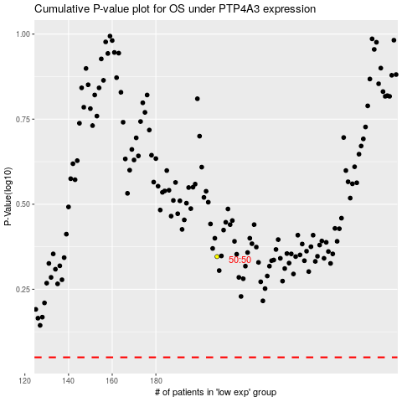

 |  |  |  |  |  | cases_OS | p_OS | rank | exp
 |  |  |  |  |  |  | cases_RFS | p_RFS | rank | exp

