PTPDC1 _multivariate
Reported by Tex Li-Hsing Chi. tex@gate.sinica.edu.tw 2019-08-16

Table 2. The clinicopathological features of HNSCC cohort and PTPDC1 expression. (Chi square test)
Cutoff at -0.367 (35.7%)
 |  | PTPDC1 expression |  | PTPDC1 expression |  | (Optimised)
 | Features | Low | (%) | High | (%) | Case no | P-value | Remark | Matthews
Gender | Female | 103 | 24.8 | 203 | 48.9 | 415 | 0.19 | 0 | 0
2 | Male | 45 | 10.8 | 64 | 15.4
Age at diagnosis | <=65y | 97 | 23.4 | 177 | 42.7 | 415 | 0.9628 | 0 | 0
4 | >65y | 51 | 12.3 | 90 | 21.7
Clinical T Status | T1+T2 | 48 | 11.6 | 101 | 24.3 | 415 | 0.3219 | 0 | 0
6 | T3+T4 | 100 | 24.1 | 166 | 40
Clinical N Status | N0 | 82 | 19.8 | 134 | 32.3 | 415 | 0.3593 | 0 | 0
8 | N1-3 | 66 | 15.9 | 133 | 32
Clinical M Status | M0 | 147 | 35.4 | 265 | 63.9 | 415 | 1 | 0 | 0
10 | M1 | 1 | 0.2 | 2 | 0.5
Clinical Stage | Stage I+II | 34 | 8.2 | 68 | 16.4 | 415 | 0.6552 | 0 | 0
12 | Stage III+IV | 114 | 27.5 | 199 | 48
Surgical Margin status | Negative | 117 | 28.2 | 201 | 48.4 | 415 | 0.3997 | 0 | 0
14 | Positive | 31 | 7.5 | 66 | 15.9
Tobacco Exposure | Low | 62 | 14.9 | 99 | 23.9 | 415 | 0.3456 | 0 | 0
16 | High | 86 | 20.7 | 168 | 40.5

Table 3. Univariate/Multivariate Cox's proportional hazards regression analyses on OS time of PTPDC1 gene expression in HNSCC

 |  | Univariate |  |  |  | Multivariate
 | Features | HR | CI95%(L) | CI95%(H) | P-value | HR | CI95%(L) | CI95%(H) | P-value
1 | Female | 1 |  |  |  | 1
Gender | Male | 1.157 | 0.843 | 1.587 | 0.367 | 1.296 | 0.927 | 1.812 | 0.129
11 | <=65y | 1 |  |  |  | 1
Age at diagnosis | >65y | 1.329 | 0.99 | 1.784 | 0.058 | 1.357 | 1 | 1.843 | 0.05
12 | T1+T2 | 1 |  |  |  | 1
Clinical T Status | T3+T4 | 1.409 | 1.028 | 1.931 | 0.033 | 2.356 | 1.244 | 4.461 | 0.009
13 | N0 | 1 |  |  |  | 1
Clinical N Status | N1-3 | 1.185 | 0.89 | 1.577 | 0.246 | 1.179 | 0.824 | 1.685 | 0.368
14 | M0 | 1 |  |  |  | 1
Clinical M Status | M1 | 4.097 | 1.009 | 16.644 | 0.049 | 10.606 | 2.307 | 48.752 | 0.002
15 | Stage I+II | 1 |  |  |  | 1
Clinical Stage | Stage III+IV | 1.245 | 0.882 | 1.759 | 0.213 | 0.493 | 0.229 | 1.059 | 0.07
16 | Negative | 1 |  |  |  | 1
Surgical Margin status | Positive | 1.591 | 1.155 | 2.191 | 0.004 | 1.659 | 1.2 | 2.293 | 0.002
17 | Low | 1 |  |  |  | 1
Tobacco Exposure | High | 1.364 | 1.008 | 1.844 | 0.044 | 1.478 | 1.073 | 2.034 | 0.017
18 | Low | 1 |  |  |  | 1
RNAseq(z-score) | High | 1.619 | 1.18 | 2.222 | 0.003 | 1.725 | 1.249 | 2.382 | 0.001

Table 4. Univariate/Multivariate Cox's proportional hazards regression analyses on RFS time of PTPDC1 gene expression in HNSCC

 |  | Univariate |  |  |  | Multivariate
 | Features | HR | CI95%(L) | CI95%(H) | P-value | HR | CI95%(L) | CI95%(H) | P-value
1 | Female | 1 |  |  |  | 1
Gender | Male | 1.157 | 0.843 | 1.587 | 0.367 | 1.296 | 0.927 | 1.812 | 0.129
11 | <=65y | 1 |  |  |  | 1
Age at diagnosis | >65y | 1.329 | 0.99 | 1.784 | 0.058 | 1.357 | 1 | 1.843 | 0.05
12 | T1+T2 | 1 |  |  |  | 1
Clinical T Status | T3+T4 | 1.409 | 1.028 | 1.931 | 0.033 | 2.356 | 1.244 | 4.461 | 0.009
13 | N0 | 1 |  |  |  | 1
Clinical N Status | N1-3 | 1.185 | 0.89 | 1.577 | 0.246 | 1.179 | 0.824 | 1.685 | 0.368
14 | M0 | 1 |  |  |  | 1
Clinical M Status | M1 | 4.097 | 1.009 | 16.644 | 0.049 | 10.606 | 2.307 | 48.752 | 0.002
15 | Stage I+II | 1 |  |  |  | 1
Clinical Stage | Stage III+IV | 1.245 | 0.882 | 1.759 | 0.213 | 0.493 | 0.229 | 1.059 | 0.07
16 | Negative | 1 |  |  |  | 1
Surgical Margin status | Positive | 1.591 | 1.155 | 2.191 | 0.004 | 1.659 | 1.2 | 2.293 | 0.002
17 | Low | 1 |  |  |  | 1
Tobacco Exposure | High | 1.364 | 1.008 | 1.844 | 0.044 | 1.478 | 1.073 | 2.034 | 0.017
18 | Low | 1 |  |  |  | 1
RNAseq(z-score) | High | 1.619 | 1.18 | 2.222 | 0.003 | 1.725 | 1.249 | 2.382 | 0.001

Kaplan-Meier survival estimate: Cutoff at -0.367 (35.7%)

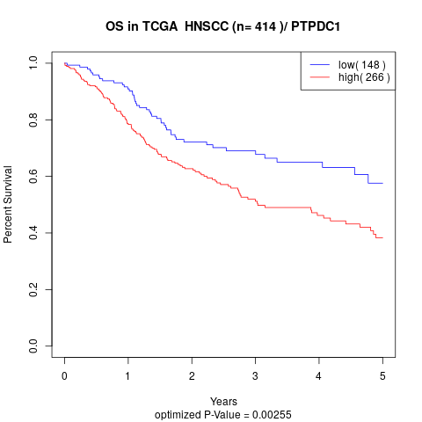

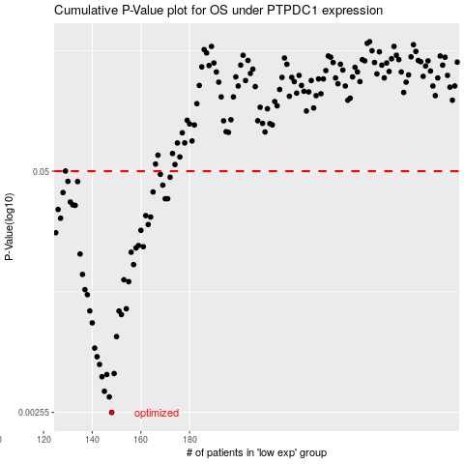

 |  |  |  |  |  | cases_OS | p_OS | rank | exp
 |  |  |  |  |  | 148 | 0.00255 | 281 | -0.36735240967
 |  |  |  |  |  | 147 | 0.00309 | 316 | -0.37133138132
 |  |  |  |  |  | 145 | 0.00331 | 142 | -0.37972389216
 |  |  |  |  |  | 144 | 0.00396 | 269 | -0.38194792538
 |  |  |  |  |  | 146 | 0.00407 | 130 | -0.37965721878
 |  |  |  |  |  | 149 | 0.00412 | 225 | -0.36497002718
 |  |  |  |  |  | 143 | 0.00461 | 309 | -0.38445889224
 |  |  |  |  |  | 142 | 0.00507 | 384 | -0.40636704826
 |  |  |  |  |  | 141 | 0.00564 | 318 | -0.41157471493
 |  |  |  |  |  | 150 | 0.0065 | 263 | -0.36372109203
 |  |  |  |  |  | 140 | 0.0077 | 50 | -0.41355586659
 |  |  |  |  |  | 152 | 0.00853 | 250 | -0.34561331827
 |  |  |  |  |  | 151 | 0.00891 | 145 | -0.3534188653
 |  |  |  |  |  | 139 | 0.00892 | 299 | -0.41483218544
 |  |  |  |  |  | 154 | 0.00916 | 186 | -0.34420484327
 |  |  |  |  |  | 138 | 0.0109 | 170 | -0.42027201832
 |  |  |  |  |  | 137 | 0.0116 | 197 | -0.42513203098
 |  |  |  |  |  | 155 | 0.0128 | 222 | -0.33659574457
 |  |  |  |  |  | 153 | 0.0131 | 120 | -0.34538591444
 |  |  |  |  |  | 136 | 0.014 | 18 | -0.42527609309
 |  |  |  |  |  | 157 | 0.0158 | 82 | -0.32654711477
 |  |  |  |  |  | 135 | 0.018 | 75 | -0.43241966877
 |  |  |  |  |  | 156 | 0.0184 | 11 | -0.32923905221
 |  |  |  |  |  | 158 | 0.0194 | 228 | -0.32641257743
 |  |  |  |  |  | 161 | 0.0197 | 274 | -0.29308184389
 |  |  |  |  |  | 159 | 0.02 | 251 | -0.3111753305
 |  |  |  |  |  | 125 | 0.0234 | 65 | -0.47542756617
 |  |  |  |  |  | 160 | 0.0241 | 168 | -0.29604404661
 |  |  |  |  |  | 163 | 0.0259 | 243 | -0.2835023089
 |  |  |  |  |  | 127 | 0.028 | 88 | -0.46936981399
 |  |  |  |  |  | 164 | 0.0284 | 364 | -0.27902209635
 |  |  |  |  |  | 162 | 0.0289 | 252 | -0.2859108845
 |  |  |  |  |  | 126 | 0.0312 | 307 | -0.47008536216
 |  |  |  |  |  | 133 | 0.0328 | 372 | -0.43839288864
 |  |  |  |  |  | 132 | 0.033 | 358 | -0.44215755302
 |  |  |  |  |  | 131 | 0.0342 | 20 | -0.44306240595
 |  |  |  |  |  | 171 | 0.0356 | 253 | -0.25360882586
 |  |  |  |  |  | 170 | 0.0356 | 333 | -0.26067977519
 |  |  |  |  |  | 128 | 0.0384 | 373 | -0.45054530147
 |  |  |  |  |  | 165 | 0.0387 | 370 | -0.2753086276
 |  |  |  |  |  | 169 | 0.0421 | 334 | -0.26290618961
 |  |  |  |  |  | 134 | 0.044 | 271 | -0.43786545464
 |  |  |  |  |  | 130 | 0.0441 | 406 | -0.4440458382
 |  |  |  |  |  | 172 | 0.0464 | 379 | -0.24774156904
 |  |  |  |  |  | 168 | 0.0481 | 376 | -0.26471470486
 |  |  |  |  |  |  | cases_RFS | p_RFS | rank | exp
 |  |  |  |  |  |  | 147 | 0.00255 | 316 | -0.37133138132
 |  |  |  |  |  |  | 146 | 0.00309 | 130 | -0.37965721878
 |  |  |  |  |  |  | 144 | 0.00331 | 269 | -0.38194792538
 |  |  |  |  |  |  | 143 | 0.00396 | 309 | -0.38445889224
 |  |  |  |  |  |  | 145 | 0.00407 | 142 | -0.37972389216
 |  |  |  |  |  |  | 148 | 0.00412 | 281 | -0.36735240967
 |  |  |  |  |  |  | 142 | 0.00461 | 384 | -0.40636704826
 |  |  |  |  |  |  | 141 | 0.00507 | 318 | -0.41157471493
 |  |  |  |  |  |  | 140 | 0.00564 | 50 | -0.41355586659
 |  |  |  |  |  |  | 149 | 0.0065 | 225 | -0.36497002718
 |  |  |  |  |  |  | 139 | 0.0077 | 299 | -0.41483218544
 |  |  |  |  |  |  | 151 | 0.00853 | 145 | -0.3534188653
 |  |  |  |  |  |  | 150 | 0.00891 | 263 | -0.36372109203
 |  |  |  |  |  |  | 138 | 0.00892 | 170 | -0.42027201832
 |  |  |  |  |  |  | 153 | 0.00916 | 120 | -0.34538591444
 |  |  |  |  |  |  | 137 | 0.0109 | 197 | -0.42513203098
 |  |  |  |  |  |  | 136 | 0.0116 | 18 | -0.42527609309
 |  |  |  |  |  |  | 154 | 0.0128 | 186 | -0.34420484327
 |  |  |  |  |  |  | 152 | 0.0131 | 250 | -0.34561331827
 |  |  |  |  |  |  | 135 | 0.014 | 75 | -0.43241966877
 |  |  |  |  |  |  | 156 | 0.0158 | 11 | -0.32923905221
 |  |  |  |  |  |  | 134 | 0.018 | 271 | -0.43786545464
 |  |  |  |  |  |  | 155 | 0.0184 | 222 | -0.33659574457
 |  |  |  |  |  |  | 157 | 0.0194 | 82 | -0.32654711477
 |  |  |  |  |  |  | 160 | 0.0197 | 168 | -0.29604404661
 |  |  |  |  |  |  | 158 | 0.02 | 228 | -0.32641257743
 |  |  |  |  |  |  |  | 0.0234 | 165 | -0.48107575334
 |  |  |  |  |  |  | 159 | 0.0241 | 251 | -0.3111753305
 |  |  |  |  |  |  | 162 | 0.0259 | 252 | -0.2859108845
 |  |  |  |  |  |  | 126 | 0.028 | 307 | -0.47008536216
 |  |  |  |  |  |  | 163 | 0.0284 | 243 | -0.2835023089
 |  |  |  |  |  |  | 161 | 0.0289 | 274 | -0.29308184389
 |  |  |  |  |  |  | 125 | 0.0312 | 65 | -0.47542756617
 |  |  |  |  |  |  | 132 | 0.0328 | 358 | -0.44215755302
 |  |  |  |  |  |  | 131 | 0.033 | 20 | -0.44306240595
 |  |  |  |  |  |  | 130 | 0.0342 | 406 | -0.4440458382
 |  |  |  |  |  |  | 170 | 0.0356 | 333 | -0.26067977519
 |  |  |  |  |  |  | 169 | 0.0356 | 334 | -0.26290618961
 |  |  |  |  |  |  | 127 | 0.0384 | 88 | -0.46936981399
 |  |  |  |  |  |  | 164 | 0.0387 | 364 | -0.27902209635
 |  |  |  |  |  |  | 168 | 0.0421 | 376 | -0.26471470486
 |  |  |  |  |  |  | 133 | 0.044 | 372 | -0.43839288864
 |  |  |  |  |  |  | 129 | 0.0441 | 101 | -0.45031670705
 |  |  |  |  |  |  | 171 | 0.0464 | 253 | -0.25360882586
 |  |  |  |  |  |  | 167 | 0.0481 | 193 | -0.27167492876

