PTPLA _multivariate
Reported by Tex Li-Hsing Chi. tex@gate.sinica.edu.tw 2019-08-16

Table 2. The clinicopathological features of HNSCC cohort and PTPLA expression. (Chi square test)
Cutoff at -0.198 (50.0%)
 |  | PTPLA expression |  | PTPLA expression |  | (Optimised)
 | Features | Low | (%) | High | (%) | Case no | P-value | Remark | Matthews
Gender | Female | 156 | 37.6 | 150 | 36.1 | 415 | 0.5222 | 0 | 0
2 | Male | 51 | 12.3 | 58 | 14
Age at diagnosis | <=65y | 141 | 34 | 133 | 32 | 415 | 0.4272 | 0 | 0
4 | >65y | 66 | 15.9 | 75 | 18.1
Clinical T Status | T1+T2 | 70 | 16.9 | 79 | 19 | 415 | 0.4343 | 0 | 0
6 | T3+T4 | 137 | 33 | 129 | 31.1
Clinical N Status | N0 | 98 | 23.6 | 118 | 28.4 | 415 | 0.0694 | 0 | 0
8 | N1-3 | 109 | 26.3 | 90 | 21.7
Clinical M Status | M0 | 206 | 49.6 | 206 | 49.6 | 415 | 1 | 0 | 0
10 | M1 | 1 | 0.2 | 2 | 0.5
Clinical Stage | Stage I+II | 41 | 9.9 | 61 | 14.7 | 415 | 0.0325 | 1 | 0
12 | Stage III+IV | 166 | 40 | 147 | 35.4
Surgical Margin status | Negative | 157 | 37.8 | 161 | 38.8 | 415 | 0.729 | 0 | 0
14 | Positive | 50 | 12 | 47 | 11.3
Tobacco Exposure | Low | 73 | 17.6 | 88 | 21.2 | 415 | 0.1587 | 0 | 0
16 | High | 134 | 32.3 | 120 | 28.9

Table 3. Univariate/Multivariate Cox's proportional hazards regression analyses on OS time of PTPLA gene expression in HNSCC

 |  | Univariate |  |  |  | Multivariate
 | Features | HR | CI95%(L) | CI95%(H) | P-value | HR | CI95%(L) | CI95%(H) | P-value
1 | Female | 1 |  |  |  | 1
Gender | Male | 1.157 | 0.843 | 1.587 | 0.367 | 1.198 | 0.857 | 1.673 | 0.29
11 | <=65y | 1 |  |  |  | 1
Age at diagnosis | >65y | 1.329 | 0.99 | 1.784 | 0.058 | 1.398 | 1.028 | 1.901 | 0.033
12 | T1+T2 | 1 |  |  |  | 1
Clinical T Status | T3+T4 | 1.409 | 1.028 | 1.931 | 0.033 | 2.16 | 1.141 | 4.088 | 0.018
13 | N0 | 1 |  |  |  | 1
Clinical N Status | N1-3 | 1.185 | 0.89 | 1.577 | 0.246 | 1.244 | 0.872 | 1.775 | 0.228
14 | M0 | 1 |  |  |  | 1
Clinical M Status | M1 | 4.097 | 1.009 | 16.644 | 0.049 | 8.811 | 1.912 | 40.606 | 0.005
15 | Stage I+II | 1 |  |  |  | 1
Clinical Stage | Stage III+IV | 1.245 | 0.882 | 1.759 | 0.213 | 0.519 | 0.242 | 1.116 | 0.093
16 | Negative | 1 |  |  |  | 1
Surgical Margin status | Positive | 1.591 | 1.155 | 2.191 | 0.004 | 1.67 | 1.209 | 2.308 | 0.002
17 | Low | 1 |  |  |  | 1
Tobacco Exposure | High | 1.364 | 1.008 | 1.844 | 0.044 | 1.453 | 1.054 | 2.002 | 0.022
18 | Low | 1 |  |  |  | 1
RNAseq(z-score) | High | 1.178 | 0.884 | 1.569 | 0.264 | 1.159 | 0.867 | 1.549 | 0.319

Table 4. Univariate/Multivariate Cox's proportional hazards regression analyses on RFS time of PTPLA gene expression in HNSCC

 |  | Univariate |  |  |  | Multivariate
 | Features | HR | CI95%(L) | CI95%(H) | P-value | HR | CI95%(L) | CI95%(H) | P-value
1 | Female | 1 |  |  |  | 1
Gender | Male | 1.157 | 0.843 | 1.587 | 0.367 | 1.198 | 0.857 | 1.673 | 0.29
11 | <=65y | 1 |  |  |  | 1
Age at diagnosis | >65y | 1.329 | 0.99 | 1.784 | 0.058 | 1.398 | 1.028 | 1.901 | 0.033
12 | T1+T2 | 1 |  |  |  | 1
Clinical T Status | T3+T4 | 1.409 | 1.028 | 1.931 | 0.033 | 2.16 | 1.141 | 4.088 | 0.018
13 | N0 | 1 |  |  |  | 1
Clinical N Status | N1-3 | 1.185 | 0.89 | 1.577 | 0.246 | 1.244 | 0.872 | 1.775 | 0.228
14 | M0 | 1 |  |  |  | 1
Clinical M Status | M1 | 4.097 | 1.009 | 16.644 | 0.049 | 8.811 | 1.912 | 40.606 | 0.005
15 | Stage I+II | 1 |  |  |  | 1
Clinical Stage | Stage III+IV | 1.245 | 0.882 | 1.759 | 0.213 | 0.519 | 0.242 | 1.116 | 0.093
16 | Negative | 1 |  |  |  | 1
Surgical Margin status | Positive | 1.591 | 1.155 | 2.191 | 0.004 | 1.67 | 1.209 | 2.308 | 0.002
17 | Low | 1 |  |  |  | 1
Tobacco Exposure | High | 1.364 | 1.008 | 1.844 | 0.044 | 1.453 | 1.054 | 2.002 | 0.022
18 | Low | 1 |  |  |  | 1
RNAseq(z-score) | High | 1.178 | 0.884 | 1.569 | 0.264 | 1.159 | 0.867 | 1.549 | 0.319

Kaplan-Meier survival estimate: Cutoff at -0.198 (50.0%)



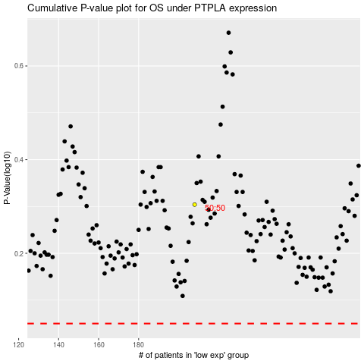

 |  |  |  |  |  | cases_OS | p_OS | rank | exp
 |  |  |  |  |  |  | cases_RFS | p_RFS | rank | exp

