PTPLAD1 _multivariate
Reported by Tex Li-Hsing Chi. tex@gate.sinica.edu.tw 2019-08-16

Table 2. The clinicopathological features of HNSCC cohort and PTPLAD1 expression. (Chi square test)
Cutoff at 0.286 (69.3%)
 |  | PTPLAD1 expression |  | PTPLAD1 expression |  | (Optimised)
 | Features | Low | (%) | High | (%) | Case no | P-value | Remark | Matthews
Gender | Female | 203 | 48.9 | 103 | 24.8 | 415 | 0.0321 | 1 | 0
2 | Male | 85 | 20.5 | 24 | 5.8
Age at diagnosis | <=65y | 189 | 45.5 | 85 | 20.5 | 415 | 0.8839 | 0 | 0
4 | >65y | 99 | 23.9 | 42 | 10.1
Clinical T Status | T1+T2 | 103 | 24.8 | 46 | 11.1 | 415 | 1 | 0 | 0
6 | T3+T4 | 185 | 44.6 | 81 | 19.5
Clinical N Status | N0 | 149 | 35.9 | 67 | 16.1 | 415 | 0.9322 | 0 | 0
8 | N1-3 | 139 | 33.5 | 60 | 14.5
Clinical M Status | M0 | 286 | 68.9 | 126 | 30.4 | 415 | 1 | 0 | 0
10 | M1 | 2 | 0.5 | 1 | 0.2
Clinical Stage | Stage I+II | 71 | 17.1 | 31 | 7.5 | 415 | 1 | 0 | 0
12 | Stage III+IV | 217 | 52.3 | 96 | 23.1
Surgical Margin status | Negative | 225 | 54.2 | 93 | 22.4 | 415 | 0.3141 | 0 | 0
14 | Positive | 63 | 15.2 | 34 | 8.2
Tobacco Exposure | Low | 125 | 30.1 | 36 | 8.7 | 415 | 0.0044 | 1 | 0
16 | High | 163 | 39.3 | 91 | 21.9

Table 3. Univariate/Multivariate Cox's proportional hazards regression analyses on OS time of PTPLAD1 gene expression in HNSCC

 |  | Univariate |  |  |  | Multivariate
 | Features | HR | CI95%(L) | CI95%(H) | P-value | HR | CI95%(L) | CI95%(H) | P-value
1 | Female | 1 |  |  |  | 1
Gender | Male | 1.157 | 0.843 | 1.587 | 0.367 | 1.249 | 0.891 | 1.752 | 0.197
11 | <=65y | 1 |  |  |  | 1
Age at diagnosis | >65y | 1.329 | 0.99 | 1.784 | 0.058 | 1.396 | 1.027 | 1.897 | 0.033
12 | T1+T2 | 1 |  |  |  | 1
Clinical T Status | T3+T4 | 1.409 | 1.028 | 1.931 | 0.033 | 2.23 | 1.179 | 4.216 | 0.014
13 | N0 | 1 |  |  |  | 1
Clinical N Status | N1-3 | 1.185 | 0.89 | 1.577 | 0.246 | 1.279 | 0.894 | 1.831 | 0.178
14 | M0 | 1 |  |  |  | 1
Clinical M Status | M1 | 4.097 | 1.009 | 16.644 | 0.049 | 9.834 | 2.144 | 45.099 | 0.003
15 | Stage I+II | 1 |  |  |  | 1
Clinical Stage | Stage III+IV | 1.245 | 0.882 | 1.759 | 0.213 | 0.496 | 0.231 | 1.065 | 0.072
16 | Negative | 1 |  |  |  | 1
Surgical Margin status | Positive | 1.591 | 1.155 | 2.191 | 0.004 | 1.654 | 1.197 | 2.285 | 0.002
17 | Low | 1 |  |  |  | 1
Tobacco Exposure | High | 1.364 | 1.008 | 1.844 | 0.044 | 1.387 | 1.003 | 1.918 | 0.048
18 | Low | 1 |  |  |  | 1
RNAseq(z-score) | High | 1.398 | 1.032 | 1.894 | 0.031 | 1.405 | 1.029 | 1.919 | 0.032

Table 4. Univariate/Multivariate Cox's proportional hazards regression analyses on RFS time of PTPLAD1 gene expression in HNSCC

 |  | Univariate |  |  |  | Multivariate
 | Features | HR | CI95%(L) | CI95%(H) | P-value | HR | CI95%(L) | CI95%(H) | P-value
1 | Female | 1 |  |  |  | 1
Gender | Male | 1.157 | 0.843 | 1.587 | 0.367 | 1.249 | 0.891 | 1.752 | 0.197
11 | <=65y | 1 |  |  |  | 1
Age at diagnosis | >65y | 1.329 | 0.99 | 1.784 | 0.058 | 1.396 | 1.027 | 1.897 | 0.033
12 | T1+T2 | 1 |  |  |  | 1
Clinical T Status | T3+T4 | 1.409 | 1.028 | 1.931 | 0.033 | 2.23 | 1.179 | 4.216 | 0.014
13 | N0 | 1 |  |  |  | 1
Clinical N Status | N1-3 | 1.185 | 0.89 | 1.577 | 0.246 | 1.279 | 0.894 | 1.831 | 0.178
14 | M0 | 1 |  |  |  | 1
Clinical M Status | M1 | 4.097 | 1.009 | 16.644 | 0.049 | 9.834 | 2.144 | 45.099 | 0.003
15 | Stage I+II | 1 |  |  |  | 1
Clinical Stage | Stage III+IV | 1.245 | 0.882 | 1.759 | 0.213 | 0.496 | 0.231 | 1.065 | 0.072
16 | Negative | 1 |  |  |  | 1
Surgical Margin status | Positive | 1.591 | 1.155 | 2.191 | 0.004 | 1.654 | 1.197 | 2.285 | 0.002
17 | Low | 1 |  |  |  | 1
Tobacco Exposure | High | 1.364 | 1.008 | 1.844 | 0.044 | 1.387 | 1.003 | 1.918 | 0.048
18 | Low | 1 |  |  |  | 1
RNAseq(z-score) | High | 1.398 | 1.032 | 1.894 | 0.031 | 1.405 | 1.029 | 1.919 | 0.032

Kaplan-Meier survival estimate: Cutoff at 0.286 (69.3%)

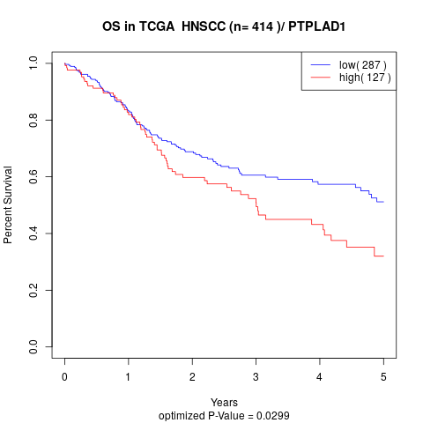

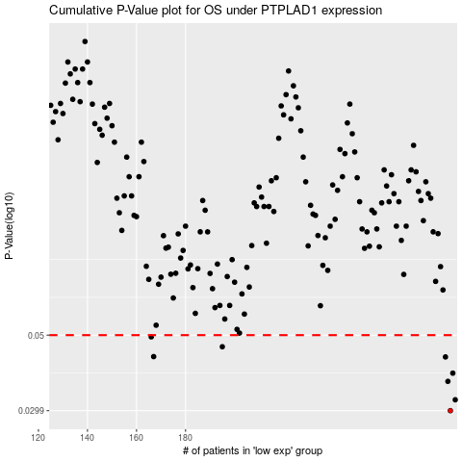

 |  |  |  |  |  | cases_OS | p_OS | rank | exp
 |  |  |  |  |  | 288 | 0.0299 | 220 | 0.28552350248
 |  |  |  |  |  | 290 | 0.0322 | 363 | 0.30983048438
 |  |  |  |  |  | 287 | 0.0365 | 337 | 0.27688818413
 |  |  |  |  |  | 289 | 0.0386 | 295 | 0.30684610698
 |  |  |  |  |  | 286 | 0.0431 | 378 | 0.27683612513
 |  |  |  |  |  | 167 | 0.0432 | 107 | -0.40362376081
 |  |  |  |  |  | 195 | 0.0462 | 4 | -0.24440651562
 |  |  |  |  |  | 166 | 0.0494 | 103 | -0.40517054797
 |  |  |  |  |  |  | cases_RFS | p_RFS | rank | exp
 |  |  |  |  |  |  | 287 | 0.0299 | 337 | 0.27688818413
 |  |  |  |  |  |  | 289 | 0.0322 | 295 | 0.30684610698
 |  |  |  |  |  |  | 286 | 0.0365 | 378 | 0.27683612513
 |  |  |  |  |  |  | 288 | 0.0386 | 220 | 0.28552350248
 |  |  |  |  |  |  | 285 | 0.0431 | 232 | 0.27018184219
 |  |  |  |  |  |  | 166 | 0.0432 | 103 | -0.40517054797
 |  |  |  |  |  |  | 194 | 0.0462 | 190 | -0.24614312767
 |  |  |  |  |  |  | 165 | 0.0494 | 184 | -0.40778873475

