PTPMT1 _multivariate
Reported by Tex Li-Hsing Chi. tex@gate.sinica.edu.tw 2019-08-16

Table 2. The clinicopathological features of HNSCC cohort and PTPMT1 expression. (Chi square test)
Cutoff at -0.214 (49.8%)
 |  | PTPMT1 expression |  | PTPMT1 expression |  | (Optimised)
 | Features | Low | (%) | High | (%) | Case no | P-value | Remark | Matthews
Gender | Female | 156 | 37.6 | 150 | 36.1 | 415 | 0.5222 | 0 | 0
2 | Male | 51 | 12.3 | 58 | 14
Age at diagnosis | <=65y | 144 | 34.7 | 130 | 31.3 | 415 | 0.1568 | 0 | 0
4 | >65y | 63 | 15.2 | 78 | 18.8
Clinical T Status | T1+T2 | 73 | 17.6 | 76 | 18.3 | 415 | 0.8666 | 0 | 0
6 | T3+T4 | 134 | 32.3 | 132 | 31.8
Clinical N Status | N0 | 105 | 25.3 | 111 | 26.7 | 415 | 0.6598 | 0 | 0
8 | N1-3 | 102 | 24.6 | 97 | 23.4
Clinical M Status | M0 | 205 | 49.4 | 207 | 49.9 | 415 | 0.6232 | 0 | 0
10 | M1 | 2 | 0.5 | 1 | 0.2
Clinical Stage | Stage I+II | 47 | 11.3 | 55 | 13.3 | 415 | 0.4413 | 0 | 0
12 | Stage III+IV | 160 | 38.6 | 153 | 36.9
Surgical Margin status | Negative | 166 | 40 | 152 | 36.6 | 415 | 0.1042 | 0 | 0
14 | Positive | 41 | 9.9 | 56 | 13.5
Tobacco Exposure | Low | 71 | 17.1 | 90 | 21.7 | 415 | 0.0698 | 0 | 0
16 | High | 136 | 32.8 | 118 | 28.4

Table 3. Univariate/Multivariate Cox's proportional hazards regression analyses on OS time of PTPMT1 gene expression in HNSCC

 |  | Univariate |  |  |  | Multivariate
 | Features | HR | CI95%(L) | CI95%(H) | P-value | HR | CI95%(L) | CI95%(H) | P-value
1 | Female | 1 |  |  |  | 1
Gender | Male | 1.157 | 0.843 | 1.587 | 0.367 | 1.199 | 0.858 | 1.675 | 0.288
11 | <=65y | 1 |  |  |  | 1
Age at diagnosis | >65y | 1.329 | 0.99 | 1.784 | 0.058 | 1.386 | 1.019 | 1.885 | 0.038
12 | T1+T2 | 1 |  |  |  | 1
Clinical T Status | T3+T4 | 1.409 | 1.028 | 1.931 | 0.033 | 2.178 | 1.15 | 4.127 | 0.017
13 | N0 | 1 |  |  |  | 1
Clinical N Status | N1-3 | 1.185 | 0.89 | 1.577 | 0.246 | 1.235 | 0.865 | 1.763 | 0.246
14 | M0 | 1 |  |  |  | 1
Clinical M Status | M1 | 4.097 | 1.009 | 16.644 | 0.049 | 9.354 | 2.04 | 42.888 | 0.004
15 | Stage I+II | 1 |  |  |  | 1
Clinical Stage | Stage III+IV | 1.245 | 0.882 | 1.759 | 0.213 | 0.514 | 0.238 | 1.109 | 0.09
16 | Negative | 1 |  |  |  | 1
Surgical Margin status | Positive | 1.591 | 1.155 | 2.191 | 0.004 | 1.654 | 1.193 | 2.294 | 0.003
17 | Low | 1 |  |  |  | 1
Tobacco Exposure | High | 1.364 | 1.008 | 1.844 | 0.044 | 1.461 | 1.059 | 2.016 | 0.021
18 | Low | 1 |  |  |  | 1
RNAseq(z-score) | High | 1.129 | 0.847 | 1.505 | 0.407 | 1.065 | 0.792 | 1.432 | 0.677

Table 4. Univariate/Multivariate Cox's proportional hazards regression analyses on RFS time of PTPMT1 gene expression in HNSCC

 |  | Univariate |  |  |  | Multivariate
 | Features | HR | CI95%(L) | CI95%(H) | P-value | HR | CI95%(L) | CI95%(H) | P-value
1 | Female | 1 |  |  |  | 1
Gender | Male | 1.157 | 0.843 | 1.587 | 0.367 | 1.199 | 0.858 | 1.675 | 0.288
11 | <=65y | 1 |  |  |  | 1
Age at diagnosis | >65y | 1.329 | 0.99 | 1.784 | 0.058 | 1.386 | 1.019 | 1.885 | 0.038
12 | T1+T2 | 1 |  |  |  | 1
Clinical T Status | T3+T4 | 1.409 | 1.028 | 1.931 | 0.033 | 2.178 | 1.15 | 4.127 | 0.017
13 | N0 | 1 |  |  |  | 1
Clinical N Status | N1-3 | 1.185 | 0.89 | 1.577 | 0.246 | 1.235 | 0.865 | 1.763 | 0.246
14 | M0 | 1 |  |  |  | 1
Clinical M Status | M1 | 4.097 | 1.009 | 16.644 | 0.049 | 9.354 | 2.04 | 42.888 | 0.004
15 | Stage I+II | 1 |  |  |  | 1
Clinical Stage | Stage III+IV | 1.245 | 0.882 | 1.759 | 0.213 | 0.514 | 0.238 | 1.109 | 0.09
16 | Negative | 1 |  |  |  | 1
Surgical Margin status | Positive | 1.591 | 1.155 | 2.191 | 0.004 | 1.654 | 1.193 | 2.294 | 0.003
17 | Low | 1 |  |  |  | 1
Tobacco Exposure | High | 1.364 | 1.008 | 1.844 | 0.044 | 1.461 | 1.059 | 2.016 | 0.021
18 | Low | 1 |  |  |  | 1
RNAseq(z-score) | High | 1.129 | 0.847 | 1.505 | 0.407 | 1.065 | 0.792 | 1.432 | 0.677

Kaplan-Meier survival estimate: Cutoff at -0.214 (49.8%)



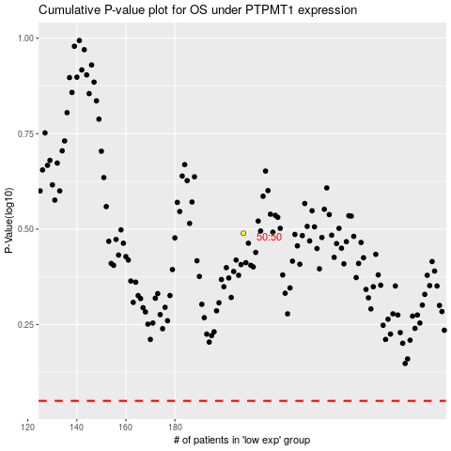

 |  |  |  |  |  | cases_OS | p_OS | rank | exp
 |  |  |  |  |  |  | cases_RFS | p_RFS | rank | exp

