PTPN11 _multivariate
Reported by Tex Li-Hsing Chi. tex@gate.sinica.edu.tw 2019-08-16

Table 2. The clinicopathological features of HNSCC cohort and PTPN11 expression. (Chi square test)
Cutoff at 0.03 (50.0%)
 |  | PTPN11 expression |  | PTPN11 expression |  | (Optimised)
 | Features | Low | (%) | High | (%) | Case no | P-value | Remark | Matthews
Gender | Female | 155 | 37.3 | 151 | 36.4 | 415 | 0.6768 | 0 | 0
2 | Male | 52 | 12.5 | 57 | 13.7
Age at diagnosis | <=65y | 143 | 34.5 | 131 | 31.6 | 415 | 0.2269 | 0 | 0
4 | >65y | 64 | 15.4 | 77 | 18.6
Clinical T Status | T1+T2 | 72 | 17.3 | 77 | 18.6 | 415 | 0.7095 | 0 | 0
6 | T3+T4 | 135 | 32.5 | 131 | 31.6
Clinical N Status | N0 | 110 | 26.5 | 106 | 25.5 | 415 | 0.7294 | 0 | 0
8 | N1-3 | 97 | 23.4 | 102 | 24.6
Clinical M Status | M0 | 204 | 49.2 | 208 | 50.1 | 415 | 0.1232 | 0 | 0
10 | M1 | 3 | 0.7 | 0 | 0
Clinical Stage | Stage I+II | 48 | 11.6 | 54 | 13 | 415 | 0.5878 | 0 | 0
12 | Stage III+IV | 159 | 38.3 | 154 | 37.1
Surgical Margin status | Negative | 156 | 37.6 | 162 | 39 | 415 | 0.5636 | 0 | 0
14 | Positive | 51 | 12.3 | 46 | 11.1
Tobacco Exposure | Low | 82 | 19.8 | 79 | 19 | 415 | 0.763 | 0 | 0
16 | High | 125 | 30.1 | 129 | 31.1

Table 3. Univariate/Multivariate Cox's proportional hazards regression analyses on OS time of PTPN11 gene expression in HNSCC

 |  | Univariate |  |  |  | Multivariate
 | Features | HR | CI95%(L) | CI95%(H) | P-value | HR | CI95%(L) | CI95%(H) | P-value
1 | Female | 1 |  |  |  | 1
Gender | Male | 1.157 | 0.843 | 1.587 | 0.367 | 1.204 | 0.862 | 1.681 | 0.277
11 | <=65y | 1 |  |  |  | 1
Age at diagnosis | >65y | 1.329 | 0.99 | 1.784 | 0.058 | 1.383 | 1.017 | 1.882 | 0.039
12 | T1+T2 | 1 |  |  |  | 1
Clinical T Status | T3+T4 | 1.409 | 1.028 | 1.931 | 0.033 | 2.218 | 1.173 | 4.195 | 0.014
13 | N0 | 1 |  |  |  | 1
Clinical N Status | N1-3 | 1.185 | 0.89 | 1.577 | 0.246 | 1.235 | 0.865 | 1.763 | 0.245
14 | M0 | 1 |  |  |  | 1
Clinical M Status | M1 | 4.097 | 1.009 | 16.644 | 0.049 | 10.234 | 2.211 | 47.358 | 0.003
15 | Stage I+II | 1 |  |  |  | 1
Clinical Stage | Stage III+IV | 1.245 | 0.882 | 1.759 | 0.213 | 0.5 | 0.233 | 1.074 | 0.076
16 | Negative | 1 |  |  |  | 1
Surgical Margin status | Positive | 1.591 | 1.155 | 2.191 | 0.004 | 1.696 | 1.226 | 2.346 | 0.001
17 | Low | 1 |  |  |  | 1
Tobacco Exposure | High | 1.364 | 1.008 | 1.844 | 0.044 | 1.454 | 1.056 | 2.003 | 0.022
18 | Low | 1 |  |  |  | 1
RNAseq(z-score) | High | 1.102 | 0.827 | 1.469 | 0.506 | 1.157 | 0.866 | 1.547 | 0.324

Table 4. Univariate/Multivariate Cox's proportional hazards regression analyses on RFS time of PTPN11 gene expression in HNSCC

 |  | Univariate |  |  |  | Multivariate
 | Features | HR | CI95%(L) | CI95%(H) | P-value | HR | CI95%(L) | CI95%(H) | P-value
1 | Female | 1 |  |  |  | 1
Gender | Male | 1.157 | 0.843 | 1.587 | 0.367 | 1.204 | 0.862 | 1.681 | 0.277
11 | <=65y | 1 |  |  |  | 1
Age at diagnosis | >65y | 1.329 | 0.99 | 1.784 | 0.058 | 1.383 | 1.017 | 1.882 | 0.039
12 | T1+T2 | 1 |  |  |  | 1
Clinical T Status | T3+T4 | 1.409 | 1.028 | 1.931 | 0.033 | 2.218 | 1.173 | 4.195 | 0.014
13 | N0 | 1 |  |  |  | 1
Clinical N Status | N1-3 | 1.185 | 0.89 | 1.577 | 0.246 | 1.235 | 0.865 | 1.763 | 0.245
14 | M0 | 1 |  |  |  | 1
Clinical M Status | M1 | 4.097 | 1.009 | 16.644 | 0.049 | 10.234 | 2.211 | 47.358 | 0.003
15 | Stage I+II | 1 |  |  |  | 1
Clinical Stage | Stage III+IV | 1.245 | 0.882 | 1.759 | 0.213 | 0.5 | 0.233 | 1.074 | 0.076
16 | Negative | 1 |  |  |  | 1
Surgical Margin status | Positive | 1.591 | 1.155 | 2.191 | 0.004 | 1.696 | 1.226 | 2.346 | 0.001
17 | Low | 1 |  |  |  | 1
Tobacco Exposure | High | 1.364 | 1.008 | 1.844 | 0.044 | 1.454 | 1.056 | 2.003 | 0.022
18 | Low | 1 |  |  |  | 1
RNAseq(z-score) | High | 1.102 | 0.827 | 1.469 | 0.506 | 1.157 | 0.866 | 1.547 | 0.324

Kaplan-Meier survival estimate: Cutoff at 0.03 (50.0%)



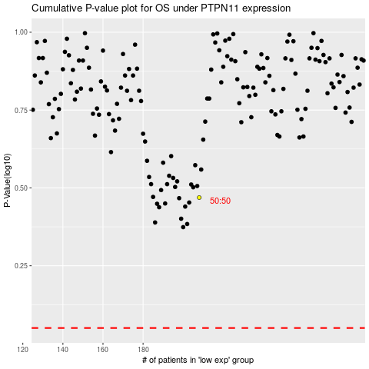

 |  |  |  |  |  | cases_OS | p_OS | rank | exp
 |  |  |  |  |  |  | cases_RFS | p_RFS | rank | exp

