PTPN21 _multivariate
Reported by Tex Li-Hsing Chi. tex@gate.sinica.edu.tw 2019-08-16

Table 2. The clinicopathological features of HNSCC cohort and PTPN21 expression. (Chi square test)
Cutoff at -0.129 (50.0%)
 |  | PTPN21 expression |  | PTPN21 expression |  | (Optimised)
 | Features | Low | (%) | High | (%) | Case no | P-value | Remark | Matthews
Gender | Female | 166 | 40 | 140 | 33.7 | 415 | 0.0041 | 1 | 0
2 | Male | 41 | 9.9 | 68 | 16.4
Age at diagnosis | <=65y | 137 | 33 | 137 | 33 | 415 | 1 | 0 | 0
4 | >65y | 70 | 16.9 | 71 | 17.1
Clinical T Status | T1+T2 | 68 | 16.4 | 81 | 19.5 | 415 | 0.2336 | 0 | 0
6 | T3+T4 | 139 | 33.5 | 127 | 30.6
Clinical N Status | N0 | 92 | 22.2 | 124 | 29.9 | 415 | 0.0027 | 1 | 0
8 | N1-3 | 115 | 27.7 | 84 | 20.2
Clinical M Status | M0 | 205 | 49.4 | 207 | 49.9 | 415 | 0.6232 | 0 | 0
10 | M1 | 2 | 0.5 | 1 | 0.2
Clinical Stage | Stage I+II | 40 | 9.6 | 62 | 14.9 | 415 | 0.018 | 1 | 0
12 | Stage III+IV | 167 | 40.2 | 146 | 35.2
Surgical Margin status | Negative | 154 | 37.1 | 164 | 39.5 | 415 | 0.2984 | 0 | 0
14 | Positive | 53 | 12.8 | 44 | 10.6
Tobacco Exposure | Low | 66 | 15.9 | 95 | 22.9 | 415 | 0.0048 | 1 | 0
16 | High | 141 | 34 | 113 | 27.2

Table 3. Univariate/Multivariate Cox's proportional hazards regression analyses on OS time of PTPN21 gene expression in HNSCC

 |  | Univariate |  |  |  | Multivariate
 | Features | HR | CI95%(L) | CI95%(H) | P-value | HR | CI95%(L) | CI95%(H) | P-value
1 | Female | 1 |  |  |  | 1
Gender | Male | 1.157 | 0.843 | 1.587 | 0.367 | 1.214 | 0.867 | 1.699 | 0.26
11 | <=65y | 1 |  |  |  | 1
Age at diagnosis | >65y | 1.329 | 0.99 | 1.784 | 0.058 | 1.393 | 1.025 | 1.894 | 0.034
12 | T1+T2 | 1 |  |  |  | 1
Clinical T Status | T3+T4 | 1.409 | 1.028 | 1.931 | 0.033 | 2.191 | 1.159 | 4.144 | 0.016
13 | N0 | 1 |  |  |  | 1
Clinical N Status | N1-3 | 1.185 | 0.89 | 1.577 | 0.246 | 1.219 | 0.849 | 1.749 | 0.283
14 | M0 | 1 |  |  |  | 1
Clinical M Status | M1 | 4.097 | 1.009 | 16.644 | 0.049 | 9.368 | 2.044 | 42.94 | 0.004
15 | Stage I+II | 1 |  |  |  | 1
Clinical Stage | Stage III+IV | 1.245 | 0.882 | 1.759 | 0.213 | 0.508 | 0.237 | 1.091 | 0.082
16 | Negative | 1 |  |  |  | 1
Surgical Margin status | Positive | 1.591 | 1.155 | 2.191 | 0.004 | 1.659 | 1.199 | 2.294 | 0.002
17 | Low | 1 |  |  |  | 1
Tobacco Exposure | High | 1.364 | 1.008 | 1.844 | 0.044 | 1.44 | 1.044 | 1.987 | 0.026
18 | Low | 1 |  |  |  | 1
RNAseq(z-score) | High | 0.856 | 0.642 | 1.14 | 0.287 | 0.921 | 0.683 | 1.243 | 0.591

Table 4. Univariate/Multivariate Cox's proportional hazards regression analyses on RFS time of PTPN21 gene expression in HNSCC

 |  | Univariate |  |  |  | Multivariate
 | Features | HR | CI95%(L) | CI95%(H) | P-value | HR | CI95%(L) | CI95%(H) | P-value
1 | Female | 1 |  |  |  | 1
Gender | Male | 1.157 | 0.843 | 1.587 | 0.367 | 1.214 | 0.867 | 1.699 | 0.26
11 | <=65y | 1 |  |  |  | 1
Age at diagnosis | >65y | 1.329 | 0.99 | 1.784 | 0.058 | 1.393 | 1.025 | 1.894 | 0.034
12 | T1+T2 | 1 |  |  |  | 1
Clinical T Status | T3+T4 | 1.409 | 1.028 | 1.931 | 0.033 | 2.191 | 1.159 | 4.144 | 0.016
13 | N0 | 1 |  |  |  | 1
Clinical N Status | N1-3 | 1.185 | 0.89 | 1.577 | 0.246 | 1.219 | 0.849 | 1.749 | 0.283
14 | M0 | 1 |  |  |  | 1
Clinical M Status | M1 | 4.097 | 1.009 | 16.644 | 0.049 | 9.368 | 2.044 | 42.94 | 0.004
15 | Stage I+II | 1 |  |  |  | 1
Clinical Stage | Stage III+IV | 1.245 | 0.882 | 1.759 | 0.213 | 0.508 | 0.237 | 1.091 | 0.082
16 | Negative | 1 |  |  |  | 1
Surgical Margin status | Positive | 1.591 | 1.155 | 2.191 | 0.004 | 1.659 | 1.199 | 2.294 | 0.002
17 | Low | 1 |  |  |  | 1
Tobacco Exposure | High | 1.364 | 1.008 | 1.844 | 0.044 | 1.44 | 1.044 | 1.987 | 0.026
18 | Low | 1 |  |  |  | 1
RNAseq(z-score) | High | 0.856 | 0.642 | 1.14 | 0.287 | 0.921 | 0.683 | 1.243 | 0.591

Kaplan-Meier survival estimate: Cutoff at -0.129 (50.0%)



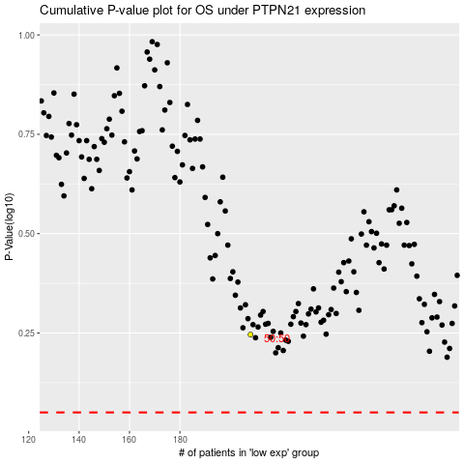

 |  |  |  |  |  | cases_OS | p_OS | rank | exp
 |  |  |  |  |  |  | cases_RFS | p_RFS | rank | exp

