PTPRA _multivariate
Reported by Tex Li-Hsing Chi. tex@gate.sinica.edu.tw 2019-08-16

Table 2. The clinicopathological features of HNSCC cohort and PTPRA expression. (Chi square test)
Cutoff at -0.165 (50.0%)
 |  | PTPRA expression |  | PTPRA expression |  | (Optimised)
 | Features | Low | (%) | High | (%) | Case no | P-value | Remark | Matthews
Gender | Female | 156 | 37.6 | 150 | 36.1 | 415 | 0.5222 | 0 | 0
2 | Male | 51 | 12.3 | 58 | 14
Age at diagnosis | <=65y | 127 | 30.6 | 147 | 35.4 | 415 | 0.0573 | 0 | 0
4 | >65y | 80 | 19.3 | 61 | 14.7
Clinical T Status | T1+T2 | 82 | 19.8 | 67 | 16.1 | 415 | 0.1417 | 0 | 0
6 | T3+T4 | 125 | 30.1 | 141 | 34
Clinical N Status | N0 | 97 | 23.4 | 119 | 28.7 | 415 | 0.0442 | 1 | 0
8 | N1-3 | 110 | 26.5 | 89 | 21.4
Clinical M Status | M0 | 206 | 49.6 | 206 | 49.6 | 415 | 1 | 0 | 0
10 | M1 | 1 | 0.2 | 2 | 0.5
Clinical Stage | Stage I+II | 51 | 12.3 | 51 | 12.3 | 415 | 1 | 0 | 0
12 | Stage III+IV | 156 | 37.6 | 157 | 37.8
Surgical Margin status | Negative | 155 | 37.3 | 163 | 39.3 | 415 | 0.4187 | 0 | 0
14 | Positive | 52 | 12.5 | 45 | 10.8
Tobacco Exposure | Low | 74 | 17.8 | 87 | 21 | 415 | 0.227 | 0 | 0
16 | High | 133 | 32 | 121 | 29.2

Table 3. Univariate/Multivariate Cox's proportional hazards regression analyses on OS time of PTPRA gene expression in HNSCC

 |  | Univariate |  |  |  | Multivariate
 | Features | HR | CI95%(L) | CI95%(H) | P-value | HR | CI95%(L) | CI95%(H) | P-value
1 | Female | 1 |  |  |  | 1
Gender | Male | 1.157 | 0.843 | 1.587 | 0.367 | 1.189 | 0.851 | 1.662 | 0.311
11 | <=65y | 1 |  |  |  | 1
Age at diagnosis | >65y | 1.329 | 0.99 | 1.784 | 0.058 | 1.427 | 1.046 | 1.948 | 0.025
12 | T1+T2 | 1 |  |  |  | 1
Clinical T Status | T3+T4 | 1.409 | 1.028 | 1.931 | 0.033 | 2.173 | 1.149 | 4.113 | 0.017
13 | N0 | 1 |  |  |  | 1
Clinical N Status | N1-3 | 1.185 | 0.89 | 1.577 | 0.246 | 1.278 | 0.891 | 1.833 | 0.182
14 | M0 | 1 |  |  |  | 1
Clinical M Status | M1 | 4.097 | 1.009 | 16.644 | 0.049 | 8.822 | 1.913 | 40.669 | 0.005
15 | Stage I+II | 1 |  |  |  | 1
Clinical Stage | Stage III+IV | 1.245 | 0.882 | 1.759 | 0.213 | 0.502 | 0.234 | 1.077 | 0.077
16 | Negative | 1 |  |  |  | 1
Surgical Margin status | Positive | 1.591 | 1.155 | 2.191 | 0.004 | 1.68 | 1.215 | 2.322 | 0.002
17 | Low | 1 |  |  |  | 1
Tobacco Exposure | High | 1.364 | 1.008 | 1.844 | 0.044 | 1.468 | 1.065 | 2.022 | 0.019
18 | Low | 1 |  |  |  | 1
RNAseq(z-score) | High | 1.088 | 0.816 | 1.451 | 0.565 | 1.156 | 0.859 | 1.556 | 0.339

Table 4. Univariate/Multivariate Cox's proportional hazards regression analyses on RFS time of PTPRA gene expression in HNSCC

 |  | Univariate |  |  |  | Multivariate
 | Features | HR | CI95%(L) | CI95%(H) | P-value | HR | CI95%(L) | CI95%(H) | P-value
1 | Female | 1 |  |  |  | 1
Gender | Male | 1.157 | 0.843 | 1.587 | 0.367 | 1.189 | 0.851 | 1.662 | 0.311
11 | <=65y | 1 |  |  |  | 1
Age at diagnosis | >65y | 1.329 | 0.99 | 1.784 | 0.058 | 1.427 | 1.046 | 1.948 | 0.025
12 | T1+T2 | 1 |  |  |  | 1
Clinical T Status | T3+T4 | 1.409 | 1.028 | 1.931 | 0.033 | 2.173 | 1.149 | 4.113 | 0.017
13 | N0 | 1 |  |  |  | 1
Clinical N Status | N1-3 | 1.185 | 0.89 | 1.577 | 0.246 | 1.278 | 0.891 | 1.833 | 0.182
14 | M0 | 1 |  |  |  | 1
Clinical M Status | M1 | 4.097 | 1.009 | 16.644 | 0.049 | 8.822 | 1.913 | 40.669 | 0.005
15 | Stage I+II | 1 |  |  |  | 1
Clinical Stage | Stage III+IV | 1.245 | 0.882 | 1.759 | 0.213 | 0.502 | 0.234 | 1.077 | 0.077
16 | Negative | 1 |  |  |  | 1
Surgical Margin status | Positive | 1.591 | 1.155 | 2.191 | 0.004 | 1.68 | 1.215 | 2.322 | 0.002
17 | Low | 1 |  |  |  | 1
Tobacco Exposure | High | 1.364 | 1.008 | 1.844 | 0.044 | 1.468 | 1.065 | 2.022 | 0.019
18 | Low | 1 |  |  |  | 1
RNAseq(z-score) | High | 1.088 | 0.816 | 1.451 | 0.565 | 1.156 | 0.859 | 1.556 | 0.339

Kaplan-Meier survival estimate: Cutoff at -0.165 (50.0%)



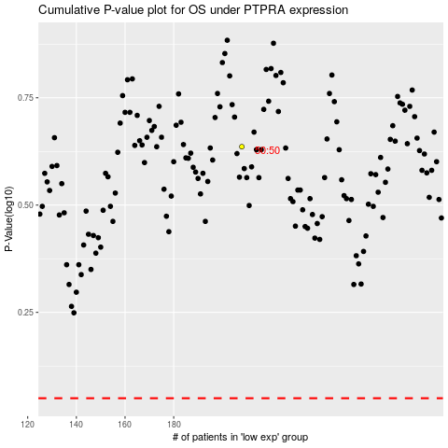

 |  |  |  |  |  | cases_OS | p_OS | rank | exp
 |  |  |  |  |  |  | cases_RFS | p_RFS | rank | exp

