PTPRE _multivariate
Reported by Tex Li-Hsing Chi. tex@gate.sinica.edu.tw 2019-08-16

Table 2. The clinicopathological features of HNSCC cohort and PTPRE expression. (Chi square test)
Cutoff at -0.095 (50.0%)
 |  | PTPRE expression |  | PTPRE expression |  | (Optimised)
 | Features | Low | (%) | High | (%) | Case no | P-value | Remark | Matthews
Gender | Female | 161 | 38.8 | 145 | 34.9 | 415 | 0.0792 | 0 | 0
2 | Male | 46 | 11.1 | 63 | 15.2
Age at diagnosis | <=65y | 144 | 34.7 | 130 | 31.3 | 415 | 0.1568 | 0 | 0
4 | >65y | 63 | 15.2 | 78 | 18.8
Clinical T Status | T1+T2 | 73 | 17.6 | 76 | 18.3 | 415 | 0.8666 | 0 | 0
6 | T3+T4 | 134 | 32.3 | 132 | 31.8
Clinical N Status | N0 | 105 | 25.3 | 111 | 26.7 | 415 | 0.6598 | 0 | 0
8 | N1-3 | 102 | 24.6 | 97 | 23.4
Clinical M Status | M0 | 205 | 49.4 | 207 | 49.9 | 415 | 0.6232 | 0 | 0
10 | M1 | 2 | 0.5 | 1 | 0.2
Clinical Stage | Stage I+II | 43 | 10.4 | 59 | 14.2 | 415 | 0.0925 | 0 | 0
12 | Stage III+IV | 164 | 39.5 | 149 | 35.9
Surgical Margin status | Negative | 153 | 36.9 | 165 | 39.8 | 415 | 0.2036 | 0 | 0
14 | Positive | 54 | 13 | 43 | 10.4
Tobacco Exposure | Low | 71 | 17.1 | 90 | 21.7 | 415 | 0.0698 | 0 | 0
16 | High | 136 | 32.8 | 118 | 28.4

Table 3. Univariate/Multivariate Cox's proportional hazards regression analyses on OS time of PTPRE gene expression in HNSCC

 |  | Univariate |  |  |  | Multivariate
 | Features | HR | CI95%(L) | CI95%(H) | P-value | HR | CI95%(L) | CI95%(H) | P-value
1 | Female | 1 |  |  |  | 1
Gender | Male | 1.157 | 0.843 | 1.587 | 0.367 | 1.183 | 0.846 | 1.654 | 0.326
11 | <=65y | 1 |  |  |  | 1
Age at diagnosis | >65y | 1.329 | 0.99 | 1.784 | 0.058 | 1.379 | 1.013 | 1.877 | 0.041
12 | T1+T2 | 1 |  |  |  | 1
Clinical T Status | T3+T4 | 1.409 | 1.028 | 1.931 | 0.033 | 2.184 | 1.155 | 4.129 | 0.016
13 | N0 | 1 |  |  |  | 1
Clinical N Status | N1-3 | 1.185 | 0.89 | 1.577 | 0.246 | 1.249 | 0.875 | 1.782 | 0.22
14 | M0 | 1 |  |  |  | 1
Clinical M Status | M1 | 4.097 | 1.009 | 16.644 | 0.049 | 9.43 | 2.057 | 43.226 | 0.004
15 | Stage I+II | 1 |  |  |  | 1
Clinical Stage | Stage III+IV | 1.245 | 0.882 | 1.759 | 0.213 | 0.523 | 0.243 | 1.125 | 0.097
16 | Negative | 1 |  |  |  | 1
Surgical Margin status | Positive | 1.591 | 1.155 | 2.191 | 0.004 | 1.703 | 1.231 | 2.355 | 0.001
17 | Low | 1 |  |  |  | 1
Tobacco Exposure | High | 1.364 | 1.008 | 1.844 | 0.044 | 1.467 | 1.064 | 2.022 | 0.019
18 | Low | 1 |  |  |  | 1
RNAseq(z-score) | High | 1.155 | 0.867 | 1.539 | 0.324 | 1.215 | 0.905 | 1.63 | 0.195

Table 4. Univariate/Multivariate Cox's proportional hazards regression analyses on RFS time of PTPRE gene expression in HNSCC

 |  | Univariate |  |  |  | Multivariate
 | Features | HR | CI95%(L) | CI95%(H) | P-value | HR | CI95%(L) | CI95%(H) | P-value
1 | Female | 1 |  |  |  | 1
Gender | Male | 1.157 | 0.843 | 1.587 | 0.367 | 1.183 | 0.846 | 1.654 | 0.326
11 | <=65y | 1 |  |  |  | 1
Age at diagnosis | >65y | 1.329 | 0.99 | 1.784 | 0.058 | 1.379 | 1.013 | 1.877 | 0.041
12 | T1+T2 | 1 |  |  |  | 1
Clinical T Status | T3+T4 | 1.409 | 1.028 | 1.931 | 0.033 | 2.184 | 1.155 | 4.129 | 0.016
13 | N0 | 1 |  |  |  | 1
Clinical N Status | N1-3 | 1.185 | 0.89 | 1.577 | 0.246 | 1.249 | 0.875 | 1.782 | 0.22
14 | M0 | 1 |  |  |  | 1
Clinical M Status | M1 | 4.097 | 1.009 | 16.644 | 0.049 | 9.43 | 2.057 | 43.226 | 0.004
15 | Stage I+II | 1 |  |  |  | 1
Clinical Stage | Stage III+IV | 1.245 | 0.882 | 1.759 | 0.213 | 0.523 | 0.243 | 1.125 | 0.097
16 | Negative | 1 |  |  |  | 1
Surgical Margin status | Positive | 1.591 | 1.155 | 2.191 | 0.004 | 1.703 | 1.231 | 2.355 | 0.001
17 | Low | 1 |  |  |  | 1
Tobacco Exposure | High | 1.364 | 1.008 | 1.844 | 0.044 | 1.467 | 1.064 | 2.022 | 0.019
18 | Low | 1 |  |  |  | 1
RNAseq(z-score) | High | 1.155 | 0.867 | 1.539 | 0.324 | 1.215 | 0.905 | 1.63 | 0.195

Kaplan-Meier survival estimate: Cutoff at -0.095 (50.0%)



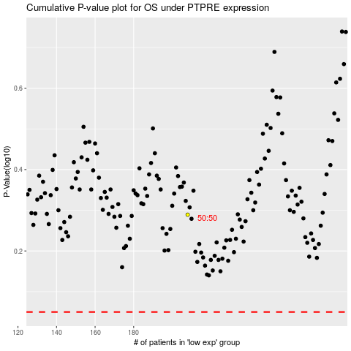

 |  |  |  |  |  | cases_OS | p_OS | rank | exp
 |  |  |  |  |  |  | cases_RFS | p_RFS | rank | exp

