PTPRM _multivariate
Reported by Tex Li-Hsing Chi. tex@gate.sinica.edu.tw 2019-08-16

Table 2. The clinicopathological features of HNSCC cohort and PTPRM expression. (Chi square test)
Cutoff at -0.295 (49.8%)
 |  | PTPRM expression |  | PTPRM expression |  | (Optimised)
 | Features | Low | (%) | High | (%) | Case no | P-value | Remark | Matthews
Gender | Female | 148 | 35.7 | 158 | 38.1 | 415 | 0.3567 | 0 | 0
2 | Male | 59 | 14.2 | 50 | 12
Age at diagnosis | <=65y | 139 | 33.5 | 135 | 32.5 | 415 | 0.7044 | 0 | 0
4 | >65y | 68 | 16.4 | 73 | 17.6
Clinical T Status | T1+T2 | 65 | 15.7 | 84 | 20.2 | 415 | 0.0711 | 0 | 0
6 | T3+T4 | 142 | 34.2 | 124 | 29.9
Clinical N Status | N0 | 108 | 26 | 108 | 26 | 415 | 1 | 0 | 0
8 | N1-3 | 99 | 23.9 | 100 | 24.1
Clinical M Status | M0 | 204 | 49.2 | 208 | 50.1 | 415 | 0.1232 | 0 | 0
10 | M1 | 3 | 0.7 | 0 | 0
Clinical Stage | Stage I+II | 42 | 10.1 | 60 | 14.5 | 415 | 0.0561 | 0 | 0
12 | Stage III+IV | 165 | 39.8 | 148 | 35.7
Surgical Margin status | Negative | 156 | 37.6 | 162 | 39 | 415 | 0.5636 | 0 | 0
14 | Positive | 51 | 12.3 | 46 | 11.1
Tobacco Exposure | Low | 80 | 19.3 | 81 | 19.5 | 415 | 1 | 0 | 0
16 | High | 127 | 30.6 | 127 | 30.6

Table 3. Univariate/Multivariate Cox's proportional hazards regression analyses on OS time of PTPRM gene expression in HNSCC

 |  | Univariate |  |  |  | Multivariate
 | Features | HR | CI95%(L) | CI95%(H) | P-value | HR | CI95%(L) | CI95%(H) | P-value
1 | Female | 1 |  |  |  | 1
Gender | Male | 1.157 | 0.843 | 1.587 | 0.367 | 1.2 | 0.857 | 1.681 | 0.288
11 | <=65y | 1 |  |  |  | 1
Age at diagnosis | >65y | 1.329 | 0.99 | 1.784 | 0.058 | 1.393 | 1.024 | 1.894 | 0.035
12 | T1+T2 | 1 |  |  |  | 1
Clinical T Status | T3+T4 | 1.409 | 1.028 | 1.931 | 0.033 | 2.2 | 1.162 | 4.164 | 0.016
13 | N0 | 1 |  |  |  | 1
Clinical N Status | N1-3 | 1.185 | 0.89 | 1.577 | 0.246 | 1.241 | 0.87 | 1.771 | 0.234
14 | M0 | 1 |  |  |  | 1
Clinical M Status | M1 | 4.097 | 1.009 | 16.644 | 0.049 | 9.351 | 2.016 | 43.371 | 0.004
15 | Stage I+II | 1 |  |  |  | 1
Clinical Stage | Stage III+IV | 1.245 | 0.882 | 1.759 | 0.213 | 0.505 | 0.235 | 1.083 | 0.079
16 | Negative | 1 |  |  |  | 1
Surgical Margin status | Positive | 1.591 | 1.155 | 2.191 | 0.004 | 1.67 | 1.208 | 2.31 | 0.002
17 | Low | 1 |  |  |  | 1
Tobacco Exposure | High | 1.364 | 1.008 | 1.844 | 0.044 | 1.453 | 1.054 | 2.002 | 0.022
18 | Low | 1 |  |  |  | 1
RNAseq(z-score) | High | 0.923 | 0.693 | 1.23 | 0.585 | 0.991 | 0.74 | 1.328 | 0.951

Table 4. Univariate/Multivariate Cox's proportional hazards regression analyses on RFS time of PTPRM gene expression in HNSCC

 |  | Univariate |  |  |  | Multivariate
 | Features | HR | CI95%(L) | CI95%(H) | P-value | HR | CI95%(L) | CI95%(H) | P-value
1 | Female | 1 |  |  |  | 1
Gender | Male | 1.157 | 0.843 | 1.587 | 0.367 | 1.2 | 0.857 | 1.681 | 0.288
11 | <=65y | 1 |  |  |  | 1
Age at diagnosis | >65y | 1.329 | 0.99 | 1.784 | 0.058 | 1.393 | 1.024 | 1.894 | 0.035
12 | T1+T2 | 1 |  |  |  | 1
Clinical T Status | T3+T4 | 1.409 | 1.028 | 1.931 | 0.033 | 2.2 | 1.162 | 4.164 | 0.016
13 | N0 | 1 |  |  |  | 1
Clinical N Status | N1-3 | 1.185 | 0.89 | 1.577 | 0.246 | 1.241 | 0.87 | 1.771 | 0.234
14 | M0 | 1 |  |  |  | 1
Clinical M Status | M1 | 4.097 | 1.009 | 16.644 | 0.049 | 9.351 | 2.016 | 43.371 | 0.004
15 | Stage I+II | 1 |  |  |  | 1
Clinical Stage | Stage III+IV | 1.245 | 0.882 | 1.759 | 0.213 | 0.505 | 0.235 | 1.083 | 0.079
16 | Negative | 1 |  |  |  | 1
Surgical Margin status | Positive | 1.591 | 1.155 | 2.191 | 0.004 | 1.67 | 1.208 | 2.31 | 0.002
17 | Low | 1 |  |  |  | 1
Tobacco Exposure | High | 1.364 | 1.008 | 1.844 | 0.044 | 1.453 | 1.054 | 2.002 | 0.022
18 | Low | 1 |  |  |  | 1
RNAseq(z-score) | High | 0.923 | 0.693 | 1.23 | 0.585 | 0.991 | 0.74 | 1.328 | 0.951

Kaplan-Meier survival estimate: Cutoff at -0.295 (49.8%)

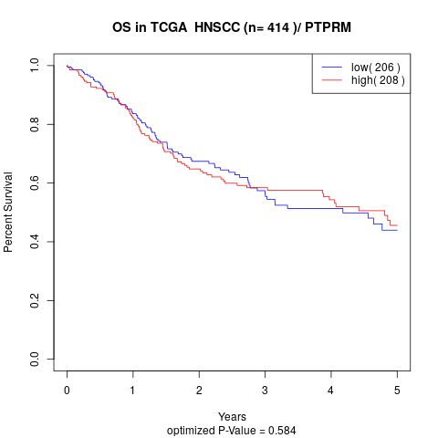

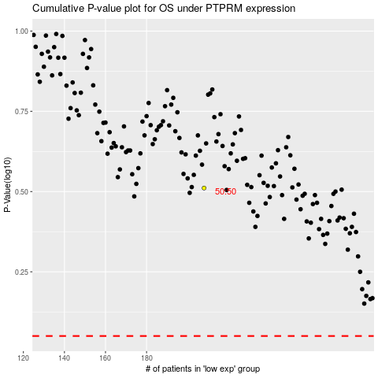

 |  |  |  |  |  | cases_OS | p_OS | rank | exp
 |  |  |  |  |  |  | cases_RFS | p_RFS | rank | exp

