PTPRN _multivariate
Reported by Tex Li-Hsing Chi. tex@gate.sinica.edu.tw 2019-08-16

Table 2. The clinicopathological features of HNSCC cohort and PTPRN expression. (Chi square test)
Cutoff at -0.173 (49.8%)
 |  | PTPRN expression |  | PTPRN expression |  | (Optimised)
 | Features | Low | (%) | High | (%) | Case no | P-value | Remark | Matthews
Gender | Female | 150 | 36.1 | 156 | 37.6 | 415 | 0.6344 | 0 | 0
2 | Male | 57 | 13.7 | 52 | 12.5
Age at diagnosis | <=65y | 132 | 31.8 | 142 | 34.2 | 415 | 0.3874 | 0 | 0
4 | >65y | 75 | 18.1 | 66 | 15.9
Clinical T Status | T1+T2 | 75 | 18.1 | 74 | 17.8 | 415 | 0.9707 | 0 | 0
6 | T3+T4 | 132 | 31.8 | 134 | 32.3
Clinical N Status | N0 | 108 | 26 | 108 | 26 | 415 | 1 | 0 | 0
8 | N1-3 | 99 | 23.9 | 100 | 24.1
Clinical M Status | M0 | 206 | 49.6 | 206 | 49.6 | 415 | 1 | 0 | 0
10 | M1 | 1 | 0.2 | 2 | 0.5
Clinical Stage | Stage I+II | 48 | 11.6 | 54 | 13 | 415 | 0.5878 | 0 | 0
12 | Stage III+IV | 159 | 38.3 | 154 | 37.1
Surgical Margin status | Negative | 149 | 35.9 | 169 | 40.7 | 415 | 0.0278 | 1 | 0
14 | Positive | 58 | 14 | 39 | 9.4
Tobacco Exposure | Low | 82 | 19.8 | 79 | 19 | 415 | 0.763 | 0 | 0
16 | High | 125 | 30.1 | 129 | 31.1

Table 3. Univariate/Multivariate Cox's proportional hazards regression analyses on OS time of PTPRN gene expression in HNSCC

 |  | Univariate |  |  |  | Multivariate
 | Features | HR | CI95%(L) | CI95%(H) | P-value | HR | CI95%(L) | CI95%(H) | P-value
1 | Female | 1 |  |  |  | 1
Gender | Male | 1.157 | 0.843 | 1.587 | 0.367 | 1.205 | 0.863 | 1.685 | 0.274
11 | <=65y | 1 |  |  |  | 1
Age at diagnosis | >65y | 1.329 | 0.99 | 1.784 | 0.058 | 1.398 | 1.027 | 1.902 | 0.033
12 | T1+T2 | 1 |  |  |  | 1
Clinical T Status | T3+T4 | 1.409 | 1.028 | 1.931 | 0.033 | 2.19 | 1.157 | 4.144 | 0.016
13 | N0 | 1 |  |  |  | 1
Clinical N Status | N1-3 | 1.185 | 0.89 | 1.577 | 0.246 | 1.237 | 0.866 | 1.766 | 0.242
14 | M0 | 1 |  |  |  | 1
Clinical M Status | M1 | 4.097 | 1.009 | 16.644 | 0.049 | 9.257 | 2.013 | 42.567 | 0.004
15 | Stage I+II | 1 |  |  |  | 1
Clinical Stage | Stage III+IV | 1.245 | 0.882 | 1.759 | 0.213 | 0.508 | 0.236 | 1.092 | 0.083
16 | Negative | 1 |  |  |  | 1
Surgical Margin status | Positive | 1.591 | 1.155 | 2.191 | 0.004 | 1.683 | 1.215 | 2.332 | 0.002
17 | Low | 1 |  |  |  | 1
Tobacco Exposure | High | 1.364 | 1.008 | 1.844 | 0.044 | 1.452 | 1.054 | 2.001 | 0.022
18 | Low | 1 |  |  |  | 1
RNAseq(z-score) | High | 1.001 | 0.751 | 1.332 | 0.997 | 1.048 | 0.783 | 1.405 | 0.751

Table 4. Univariate/Multivariate Cox's proportional hazards regression analyses on RFS time of PTPRN gene expression in HNSCC

 |  | Univariate |  |  |  | Multivariate
 | Features | HR | CI95%(L) | CI95%(H) | P-value | HR | CI95%(L) | CI95%(H) | P-value
1 | Female | 1 |  |  |  | 1
Gender | Male | 1.157 | 0.843 | 1.587 | 0.367 | 1.205 | 0.863 | 1.685 | 0.274
11 | <=65y | 1 |  |  |  | 1
Age at diagnosis | >65y | 1.329 | 0.99 | 1.784 | 0.058 | 1.398 | 1.027 | 1.902 | 0.033
12 | T1+T2 | 1 |  |  |  | 1
Clinical T Status | T3+T4 | 1.409 | 1.028 | 1.931 | 0.033 | 2.19 | 1.157 | 4.144 | 0.016
13 | N0 | 1 |  |  |  | 1
Clinical N Status | N1-3 | 1.185 | 0.89 | 1.577 | 0.246 | 1.237 | 0.866 | 1.766 | 0.242
14 | M0 | 1 |  |  |  | 1
Clinical M Status | M1 | 4.097 | 1.009 | 16.644 | 0.049 | 9.257 | 2.013 | 42.567 | 0.004
15 | Stage I+II | 1 |  |  |  | 1
Clinical Stage | Stage III+IV | 1.245 | 0.882 | 1.759 | 0.213 | 0.508 | 0.236 | 1.092 | 0.083
16 | Negative | 1 |  |  |  | 1
Surgical Margin status | Positive | 1.591 | 1.155 | 2.191 | 0.004 | 1.683 | 1.215 | 2.332 | 0.002
17 | Low | 1 |  |  |  | 1
Tobacco Exposure | High | 1.364 | 1.008 | 1.844 | 0.044 | 1.452 | 1.054 | 2.001 | 0.022
18 | Low | 1 |  |  |  | 1
RNAseq(z-score) | High | 1.001 | 0.751 | 1.332 | 0.997 | 1.048 | 0.783 | 1.405 | 0.751

Kaplan-Meier survival estimate: Cutoff at -0.173 (49.8%)



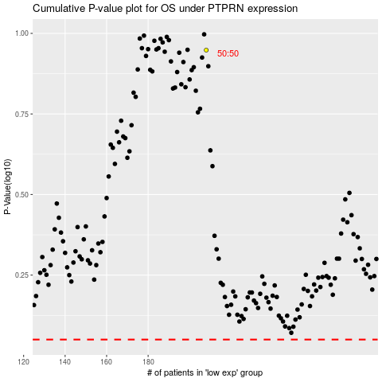

 |  |  |  |  |  | cases_OS | p_OS | rank | exp
 |  |  |  |  |  |  | cases_RFS | p_RFS | rank | exp

