PTPRO _multivariate
Reported by Tex Li-Hsing Chi. tex@gate.sinica.edu.tw 2019-08-16

Table 2. The clinicopathological features of HNSCC cohort and PTPRO expression. (Chi square test)
Cutoff at -0.163 (49.8%)
 |  | PTPRO expression |  | PTPRO expression |  | (Optimised)
 | Features | Low | (%) | High | (%) | Case no | P-value | Remark | Matthews
Gender | Female | 160 | 38.6 | 146 | 35.2 | 415 | 0.1254 | 0 | 0
2 | Male | 47 | 11.3 | 62 | 14.9
Age at diagnosis | <=65y | 142 | 34.2 | 132 | 31.8 | 415 | 0.3167 | 0 | 0
4 | >65y | 65 | 15.7 | 76 | 18.3
Clinical T Status | T1+T2 | 69 | 16.6 | 80 | 19.3 | 415 | 0.3239 | 0 | 0
6 | T3+T4 | 138 | 33.3 | 128 | 30.8
Clinical N Status | N0 | 113 | 27.2 | 103 | 24.8 | 415 | 0.3495 | 1 | 0
8 | N1-3 | 94 | 22.7 | 105 | 25.3
Clinical M Status | M0 | 206 | 49.6 | 206 | 49.6 | 415 | 1 | 0 | 0
10 | M1 | 1 | 0.2 | 2 | 0.5
Clinical Stage | Stage I+II | 46 | 11.1 | 56 | 13.5 | 415 | 0.3182 | 0 | 0
12 | Stage III+IV | 161 | 38.8 | 152 | 36.6
Surgical Margin status | Negative | 157 | 37.8 | 161 | 38.8 | 415 | 0.729 | 0 | 0
14 | Positive | 50 | 12 | 47 | 11.3
Tobacco Exposure | Low | 75 | 18.1 | 86 | 20.7 | 415 | 0.3141 | 0 | 0
16 | High | 132 | 31.8 | 122 | 29.4

Table 3. Univariate/Multivariate Cox's proportional hazards regression analyses on OS time of PTPRO gene expression in HNSCC

 |  | Univariate |  |  |  | Multivariate
 | Features | HR | CI95%(L) | CI95%(H) | P-value | HR | CI95%(L) | CI95%(H) | P-value
1 | Female | 1 |  |  |  | 1
Gender | Male | 1.157 | 0.843 | 1.587 | 0.367 | 1.195 | 0.855 | 1.669 | 0.298
11 | <=65y | 1 |  |  |  | 1
Age at diagnosis | >65y | 1.329 | 0.99 | 1.784 | 0.058 | 1.393 | 1.024 | 1.894 | 0.035
12 | T1+T2 | 1 |  |  |  | 1
Clinical T Status | T3+T4 | 1.409 | 1.028 | 1.931 | 0.033 | 2.204 | 1.166 | 4.168 | 0.015
13 | N0 | 1 |  |  |  | 1
Clinical N Status | N1-3 | 1.185 | 0.89 | 1.577 | 0.246 | 1.228 | 0.859 | 1.755 | 0.259
14 | M0 | 1 |  |  |  | 1
Clinical M Status | M1 | 4.097 | 1.009 | 16.644 | 0.049 | 9.176 | 1.997 | 42.16 | 0.004
15 | Stage I+II | 1 |  |  |  | 1
Clinical Stage | Stage III+IV | 1.245 | 0.882 | 1.759 | 0.213 | 0.512 | 0.238 | 1.101 | 0.087
16 | Negative | 1 |  |  |  | 1
Surgical Margin status | Positive | 1.591 | 1.155 | 2.191 | 0.004 | 1.673 | 1.211 | 2.311 | 0.002
17 | Low | 1 |  |  |  | 1
Tobacco Exposure | High | 1.364 | 1.008 | 1.844 | 0.044 | 1.466 | 1.063 | 2.022 | 0.02
18 | Low | 1 |  |  |  | 1
RNAseq(z-score) | High | 1.081 | 0.811 | 1.439 | 0.596 | 1.093 | 0.815 | 1.464 | 0.553

Table 4. Univariate/Multivariate Cox's proportional hazards regression analyses on RFS time of PTPRO gene expression in HNSCC

 |  | Univariate |  |  |  | Multivariate
 | Features | HR | CI95%(L) | CI95%(H) | P-value | HR | CI95%(L) | CI95%(H) | P-value
1 | Female | 1 |  |  |  | 1
Gender | Male | 1.157 | 0.843 | 1.587 | 0.367 | 1.195 | 0.855 | 1.669 | 0.298
11 | <=65y | 1 |  |  |  | 1
Age at diagnosis | >65y | 1.329 | 0.99 | 1.784 | 0.058 | 1.393 | 1.024 | 1.894 | 0.035
12 | T1+T2 | 1 |  |  |  | 1
Clinical T Status | T3+T4 | 1.409 | 1.028 | 1.931 | 0.033 | 2.204 | 1.166 | 4.168 | 0.015
13 | N0 | 1 |  |  |  | 1
Clinical N Status | N1-3 | 1.185 | 0.89 | 1.577 | 0.246 | 1.228 | 0.859 | 1.755 | 0.259
14 | M0 | 1 |  |  |  | 1
Clinical M Status | M1 | 4.097 | 1.009 | 16.644 | 0.049 | 9.176 | 1.997 | 42.16 | 0.004
15 | Stage I+II | 1 |  |  |  | 1
Clinical Stage | Stage III+IV | 1.245 | 0.882 | 1.759 | 0.213 | 0.512 | 0.238 | 1.101 | 0.087
16 | Negative | 1 |  |  |  | 1
Surgical Margin status | Positive | 1.591 | 1.155 | 2.191 | 0.004 | 1.673 | 1.211 | 2.311 | 0.002
17 | Low | 1 |  |  |  | 1
Tobacco Exposure | High | 1.364 | 1.008 | 1.844 | 0.044 | 1.466 | 1.063 | 2.022 | 0.02
18 | Low | 1 |  |  |  | 1
RNAseq(z-score) | High | 1.081 | 0.811 | 1.439 | 0.596 | 1.093 | 0.815 | 1.464 | 0.553

Kaplan-Meier survival estimate: Cutoff at -0.163 (49.8%)



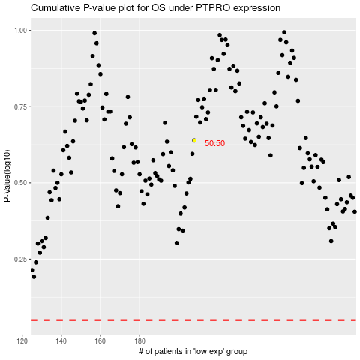

 |  |  |  |  |  | cases_OS | p_OS | rank | exp
 |  |  |  |  |  |  | cases_RFS | p_RFS | rank | exp

