PTPRS _multivariate
Reported by Tex Li-Hsing Chi. tex@gate.sinica.edu.tw 2019-08-16

Table 2. The clinicopathological features of HNSCC cohort and PTPRS expression. (Chi square test)
Cutoff at -0.287 (49.8%)
 |  | PTPRS expression |  | PTPRS expression |  | (Optimised)
 | Features | Low | (%) | High | (%) | Case no | P-value | Remark | Matthews
Gender | Female | 139 | 33.5 | 167 | 40.2 | 415 | 0.0034 | 1 | 0
2 | Male | 68 | 16.4 | 41 | 9.9
Age at diagnosis | <=65y | 129 | 31.1 | 145 | 34.9 | 415 | 0.1372 | 0 | 0
4 | >65y | 78 | 18.8 | 63 | 15.2
Clinical T Status | T1+T2 | 77 | 18.6 | 72 | 17.3 | 415 | 0.6556 | 0 | 0
6 | T3+T4 | 130 | 31.3 | 136 | 32.8
Clinical N Status | N0 | 108 | 26 | 108 | 26 | 415 | 1 | 0 | 0
8 | N1-3 | 99 | 23.9 | 100 | 24.1
Clinical M Status | M0 | 205 | 49.4 | 207 | 49.9 | 415 | 0.6232 | 0 | 0
10 | M1 | 2 | 0.5 | 1 | 0.2
Clinical Stage | Stage I+II | 55 | 13.3 | 47 | 11.3 | 415 | 0.4087 | 0 | 0
12 | Stage III+IV | 152 | 36.6 | 161 | 38.8
Surgical Margin status | Negative | 160 | 38.6 | 158 | 38.1 | 415 | 0.8167 | 0 | 0
14 | Positive | 47 | 11.3 | 50 | 12
Tobacco Exposure | Low | 102 | 24.6 | 59 | 14.2 | 415 | 0 | 1 | 0
16 | High | 105 | 25.3 | 149 | 35.9

Table 3. Univariate/Multivariate Cox's proportional hazards regression analyses on OS time of PTPRS gene expression in HNSCC

 |  | Univariate |  |  |  | Multivariate
 | Features | HR | CI95%(L) | CI95%(H) | P-value | HR | CI95%(L) | CI95%(H) | P-value
1 | Female | 1 |  |  |  | 1
Gender | Male | 1.157 | 0.843 | 1.587 | 0.367 | 1.15 | 0.822 | 1.61 | 0.414
11 | <=65y | 1 |  |  |  | 1
Age at diagnosis | >65y | 1.329 | 0.99 | 1.784 | 0.058 | 1.39 | 1.023 | 1.889 | 0.035
12 | T1+T2 | 1 |  |  |  | 1
Clinical T Status | T3+T4 | 1.409 | 1.028 | 1.931 | 0.033 | 2.183 | 1.154 | 4.126 | 0.016
13 | N0 | 1 |  |  |  | 1
Clinical N Status | N1-3 | 1.185 | 0.89 | 1.577 | 0.246 | 1.235 | 0.867 | 1.759 | 0.242
14 | M0 | 1 |  |  |  | 1
Clinical M Status | M1 | 4.097 | 1.009 | 16.644 | 0.049 | 8.31 | 1.806 | 38.236 | 0.007
15 | Stage I+II | 1 |  |  |  | 1
Clinical Stage | Stage III+IV | 1.245 | 0.882 | 1.759 | 0.213 | 0.521 | 0.243 | 1.117 | 0.094
16 | Negative | 1 |  |  |  | 1
Surgical Margin status | Positive | 1.591 | 1.155 | 2.191 | 0.004 | 1.692 | 1.225 | 2.337 | 0.001
17 | Low | 1 |  |  |  | 1
Tobacco Exposure | High | 1.364 | 1.008 | 1.844 | 0.044 | 1.568 | 1.13 | 2.176 | 0.007
18 | Low | 1 |  |  |  | 1
RNAseq(z-score) | High | 0.745 | 0.557 | 0.995 | 0.046 | 0.697 | 0.515 | 0.942 | 0.019

Table 4. Univariate/Multivariate Cox's proportional hazards regression analyses on RFS time of PTPRS gene expression in HNSCC

 |  | Univariate |  |  |  | Multivariate
 | Features | HR | CI95%(L) | CI95%(H) | P-value | HR | CI95%(L) | CI95%(H) | P-value
1 | Female | 1 |  |  |  | 1
Gender | Male | 1.157 | 0.843 | 1.587 | 0.367 | 1.15 | 0.822 | 1.61 | 0.414
11 | <=65y | 1 |  |  |  | 1
Age at diagnosis | >65y | 1.329 | 0.99 | 1.784 | 0.058 | 1.39 | 1.023 | 1.889 | 0.035
12 | T1+T2 | 1 |  |  |  | 1
Clinical T Status | T3+T4 | 1.409 | 1.028 | 1.931 | 0.033 | 2.183 | 1.154 | 4.126 | 0.016
13 | N0 | 1 |  |  |  | 1
Clinical N Status | N1-3 | 1.185 | 0.89 | 1.577 | 0.246 | 1.235 | 0.867 | 1.759 | 0.242
14 | M0 | 1 |  |  |  | 1
Clinical M Status | M1 | 4.097 | 1.009 | 16.644 | 0.049 | 8.31 | 1.806 | 38.236 | 0.007
15 | Stage I+II | 1 |  |  |  | 1
Clinical Stage | Stage III+IV | 1.245 | 0.882 | 1.759 | 0.213 | 0.521 | 0.243 | 1.117 | 0.094
16 | Negative | 1 |  |  |  | 1
Surgical Margin status | Positive | 1.591 | 1.155 | 2.191 | 0.004 | 1.692 | 1.225 | 2.337 | 0.001
17 | Low | 1 |  |  |  | 1
Tobacco Exposure | High | 1.364 | 1.008 | 1.844 | 0.044 | 1.568 | 1.13 | 2.176 | 0.007
18 | Low | 1 |  |  |  | 1
RNAseq(z-score) | High | 0.745 | 0.557 | 0.995 | 0.046 | 0.697 | 0.515 | 0.942 | 0.019

Kaplan-Meier survival estimate: Cutoff at -0.287 (49.8%)



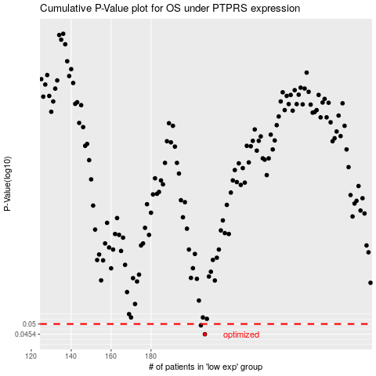

 |  |  |  |  |  | cases_OS | p_OS | rank | exp
 |  |  |  |  |  | 207 | 0.0454 | 5 | -0.28684995372
 |  |  |  |  |  | 205 | 0.0494 | 380 | -0.31758936874
 |  |  |  |  |  |  | cases_RFS | p_RFS | rank | exp
 |  |  |  |  |  |  | 206 | 0.0454 | 48 | -0.29557408094
 |  |  |  |  |  |  | 204 | 0.0494 | 176 | -0.32902923707

