PTPRZ1 _multivariate
Reported by Tex Li-Hsing Chi. tex@gate.sinica.edu.tw 2019-08-16

Table 2. The clinicopathological features of HNSCC cohort and PTPRZ1 expression. (Chi square test)
Cutoff at -0.061 (49.8%)
 |  | PTPRZ1 expression |  | PTPRZ1 expression |  | (Optimised)
 | Features | Low | (%) | High | (%) | Case no | P-value | Remark | Matthews
Gender | Female | 154 | 37.1 | 152 | 36.6 | 415 | 0.8463 | 0 | 0
2 | Male | 53 | 12.8 | 56 | 13.5
Age at diagnosis | <=65y | 138 | 33.3 | 136 | 32.8 | 415 | 0.8634 | 0 | 0
4 | >65y | 69 | 16.6 | 72 | 17.3
Clinical T Status | T1+T2 | 76 | 18.3 | 73 | 17.6 | 415 | 0.8092 | 0 | 0
6 | T3+T4 | 131 | 31.6 | 135 | 32.5
Clinical N Status | N0 | 101 | 24.3 | 115 | 27.7 | 415 | 0.2201 | 0 | 0
8 | N1-3 | 106 | 25.5 | 93 | 22.4
Clinical M Status | M0 | 205 | 49.4 | 207 | 49.9 | 415 | 0.6232 | 0 | 0
10 | M1 | 2 | 0.5 | 1 | 0.2
Clinical Stage | Stage I+II | 49 | 11.8 | 53 | 12.8 | 415 | 0.7535 | 0 | 0
12 | Stage III+IV | 158 | 38.1 | 155 | 37.3
Surgical Margin status | Negative | 151 | 36.4 | 167 | 40.2 | 415 | 0.0828 | 0 | 0
14 | Positive | 56 | 13.5 | 41 | 9.9
Tobacco Exposure | Low | 87 | 21 | 74 | 17.8 | 415 | 0.1911 | 0 | 0
16 | High | 120 | 28.9 | 134 | 32.3

Table 3. Univariate/Multivariate Cox's proportional hazards regression analyses on OS time of PTPRZ1 gene expression in HNSCC

 |  | Univariate |  |  |  | Multivariate
 | Features | HR | CI95%(L) | CI95%(H) | P-value | HR | CI95%(L) | CI95%(H) | P-value
1 | Female | 1 |  |  |  | 1
Gender | Male | 1.157 | 0.843 | 1.587 | 0.367 | 1.202 | 0.861 | 1.678 | 0.279
11 | <=65y | 1 |  |  |  | 1
Age at diagnosis | >65y | 1.329 | 0.99 | 1.784 | 0.058 | 1.402 | 1.031 | 1.907 | 0.031
12 | T1+T2 | 1 |  |  |  | 1
Clinical T Status | T3+T4 | 1.409 | 1.028 | 1.931 | 0.033 | 2.221 | 1.174 | 4.201 | 0.014
13 | N0 | 1 |  |  |  | 1
Clinical N Status | N1-3 | 1.185 | 0.89 | 1.577 | 0.246 | 1.239 | 0.868 | 1.769 | 0.238
14 | M0 | 1 |  |  |  | 1
Clinical M Status | M1 | 4.097 | 1.009 | 16.644 | 0.049 | 9.296 | 2.027 | 42.629 | 0.004
15 | Stage I+II | 1 |  |  |  | 1
Clinical Stage | Stage III+IV | 1.245 | 0.882 | 1.759 | 0.213 | 0.499 | 0.232 | 1.071 | 0.074
16 | Negative | 1 |  |  |  | 1
Surgical Margin status | Positive | 1.591 | 1.155 | 2.191 | 0.004 | 1.642 | 1.187 | 2.272 | 0.003
17 | Low | 1 |  |  |  | 1
Tobacco Exposure | High | 1.364 | 1.008 | 1.844 | 0.044 | 1.485 | 1.076 | 2.049 | 0.016
18 | Low | 1 |  |  |  | 1
RNAseq(z-score) | High | 0.865 | 0.65 | 1.153 | 0.323 | 0.844 | 0.631 | 1.129 | 0.254

Table 4. Univariate/Multivariate Cox's proportional hazards regression analyses on RFS time of PTPRZ1 gene expression in HNSCC

 |  | Univariate |  |  |  | Multivariate
 | Features | HR | CI95%(L) | CI95%(H) | P-value | HR | CI95%(L) | CI95%(H) | P-value
1 | Female | 1 |  |  |  | 1
Gender | Male | 1.157 | 0.843 | 1.587 | 0.367 | 1.202 | 0.861 | 1.678 | 0.279
11 | <=65y | 1 |  |  |  | 1
Age at diagnosis | >65y | 1.329 | 0.99 | 1.784 | 0.058 | 1.402 | 1.031 | 1.907 | 0.031
12 | T1+T2 | 1 |  |  |  | 1
Clinical T Status | T3+T4 | 1.409 | 1.028 | 1.931 | 0.033 | 2.221 | 1.174 | 4.201 | 0.014
13 | N0 | 1 |  |  |  | 1
Clinical N Status | N1-3 | 1.185 | 0.89 | 1.577 | 0.246 | 1.239 | 0.868 | 1.769 | 0.238
14 | M0 | 1 |  |  |  | 1
Clinical M Status | M1 | 4.097 | 1.009 | 16.644 | 0.049 | 9.296 | 2.027 | 42.629 | 0.004
15 | Stage I+II | 1 |  |  |  | 1
Clinical Stage | Stage III+IV | 1.245 | 0.882 | 1.759 | 0.213 | 0.499 | 0.232 | 1.071 | 0.074
16 | Negative | 1 |  |  |  | 1
Surgical Margin status | Positive | 1.591 | 1.155 | 2.191 | 0.004 | 1.642 | 1.187 | 2.272 | 0.003
17 | Low | 1 |  |  |  | 1
Tobacco Exposure | High | 1.364 | 1.008 | 1.844 | 0.044 | 1.485 | 1.076 | 2.049 | 0.016
18 | Low | 1 |  |  |  | 1
RNAseq(z-score) | High | 0.865 | 0.65 | 1.153 | 0.323 | 0.844 | 0.631 | 1.129 | 0.254

Kaplan-Meier survival estimate: Cutoff at -0.061 (49.8%)



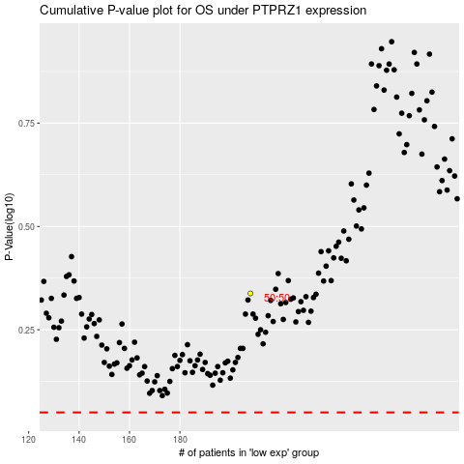

 |  |  |  |  |  | cases_OS | p_OS | rank | exp
 |  |  |  |  |  |  | cases_RFS | p_RFS | rank | exp

