PTRH2 _multivariate
Reported by Tex Li-Hsing Chi. tex@gate.sinica.edu.tw 2019-08-16

Table 2. The clinicopathological features of HNSCC cohort and PTRH2 expression. (Chi square test)
Cutoff at -0.08 (55.6%)
 |  | PTRH2 expression |  | PTRH2 expression |  | (Optimised)
 | Features | Low | (%) | High | (%) | Case no | P-value | Remark | Matthews
Gender | Female | 166 | 40 | 140 | 33.7 | 415 | 0.3901 | 0 | 0
2 | Male | 65 | 15.7 | 44 | 10.6
Age at diagnosis | <=65y | 155 | 37.3 | 119 | 28.7 | 415 | 0.6789 | 0 | 0
4 | >65y | 76 | 18.3 | 65 | 15.7
Clinical T Status | T1+T2 | 91 | 21.9 | 58 | 14 | 415 | 0.1193 | 0 | 0
6 | T3+T4 | 140 | 33.7 | 126 | 30.4
Clinical N Status | N0 | 119 | 28.7 | 97 | 23.4 | 415 | 0.885 | 0 | 0
8 | N1-3 | 112 | 27 | 87 | 21
Clinical M Status | M0 | 231 | 55.7 | 181 | 43.6 | 415 | 0.0864 | 0 | 0
10 | M1 | 0 | 0 | 3 | 0.7
Clinical Stage | Stage I+II | 62 | 14.9 | 40 | 9.6 | 415 | 0.2783 | 0 | 0
12 | Stage III+IV | 169 | 40.7 | 144 | 34.7
Surgical Margin status | Negative | 189 | 45.5 | 129 | 31.1 | 415 | 0.0071 | 1 | 0
14 | Positive | 42 | 10.1 | 55 | 13.3
Tobacco Exposure | Low | 99 | 23.9 | 62 | 14.9 | 415 | 0.0679 | 0 | 0
16 | High | 132 | 31.8 | 122 | 29.4

Table 3. Univariate/Multivariate Cox's proportional hazards regression analyses on OS time of PTRH2 gene expression in HNSCC

 |  | Univariate |  |  |  | Multivariate
 | Features | HR | CI95%(L) | CI95%(H) | P-value | HR | CI95%(L) | CI95%(H) | P-value
1 | Female | 1 |  |  |  | 1
Gender | Male | 1.157 | 0.843 | 1.587 | 0.367 | 1.196 | 0.855 | 1.672 | 0.296
11 | <=65y | 1 |  |  |  | 1
Age at diagnosis | >65y | 1.329 | 0.99 | 1.784 | 0.058 | 1.376 | 1.011 | 1.873 | 0.042
12 | T1+T2 | 1 |  |  |  | 1
Clinical T Status | T3+T4 | 1.409 | 1.028 | 1.931 | 0.033 | 2.159 | 1.14 | 4.089 | 0.018
13 | N0 | 1 |  |  |  | 1
Clinical N Status | N1-3 | 1.185 | 0.89 | 1.577 | 0.246 | 1.246 | 0.874 | 1.779 | 0.224
14 | M0 | 1 |  |  |  | 1
Clinical M Status | M1 | 4.097 | 1.009 | 16.644 | 0.049 | 8.594 | 1.846 | 40.008 | 0.006
15 | Stage I+II | 1 |  |  |  | 1
Clinical Stage | Stage III+IV | 1.245 | 0.882 | 1.759 | 0.213 | 0.512 | 0.238 | 1.099 | 0.086
16 | Negative | 1 |  |  |  | 1
Surgical Margin status | Positive | 1.591 | 1.155 | 2.191 | 0.004 | 1.63 | 1.173 | 2.265 | 0.004
17 | Low | 1 |  |  |  | 1
Tobacco Exposure | High | 1.364 | 1.008 | 1.844 | 0.044 | 1.431 | 1.036 | 1.977 | 0.03
18 | Low | 1 |  |  |  | 1
RNAseq(z-score) | High | 1.344 | 1.007 | 1.793 | 0.045 | 1.129 | 0.837 | 1.523 | 0.426

Table 4. Univariate/Multivariate Cox's proportional hazards regression analyses on RFS time of PTRH2 gene expression in HNSCC

 |  | Univariate |  |  |  | Multivariate
 | Features | HR | CI95%(L) | CI95%(H) | P-value | HR | CI95%(L) | CI95%(H) | P-value
1 | Female | 1 |  |  |  | 1
Gender | Male | 1.157 | 0.843 | 1.587 | 0.367 | 1.196 | 0.855 | 1.672 | 0.296
11 | <=65y | 1 |  |  |  | 1
Age at diagnosis | >65y | 1.329 | 0.99 | 1.784 | 0.058 | 1.376 | 1.011 | 1.873 | 0.042
12 | T1+T2 | 1 |  |  |  | 1
Clinical T Status | T3+T4 | 1.409 | 1.028 | 1.931 | 0.033 | 2.159 | 1.14 | 4.089 | 0.018
13 | N0 | 1 |  |  |  | 1
Clinical N Status | N1-3 | 1.185 | 0.89 | 1.577 | 0.246 | 1.246 | 0.874 | 1.779 | 0.224
14 | M0 | 1 |  |  |  | 1
Clinical M Status | M1 | 4.097 | 1.009 | 16.644 | 0.049 | 8.594 | 1.846 | 40.008 | 0.006
15 | Stage I+II | 1 |  |  |  | 1
Clinical Stage | Stage III+IV | 1.245 | 0.882 | 1.759 | 0.213 | 0.512 | 0.238 | 1.099 | 0.086
16 | Negative | 1 |  |  |  | 1
Surgical Margin status | Positive | 1.591 | 1.155 | 2.191 | 0.004 | 1.63 | 1.173 | 2.265 | 0.004
17 | Low | 1 |  |  |  | 1
Tobacco Exposure | High | 1.364 | 1.008 | 1.844 | 0.044 | 1.431 | 1.036 | 1.977 | 0.03
18 | Low | 1 |  |  |  | 1
RNAseq(z-score) | High | 1.344 | 1.007 | 1.793 | 0.045 | 1.129 | 0.837 | 1.523 | 0.426

Kaplan-Meier survival estimate: Cutoff at -0.08 (55.6%)



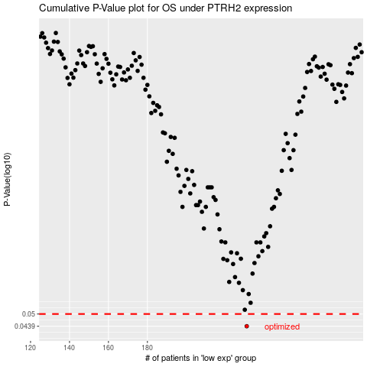

 |  |  |  |  |  | cases_OS | p_OS | rank | exp
 |  |  |  |  |  | 231 | 0.0439 | 370 | -0.079849729632
 |  |  |  |  |  |  | cases_RFS | p_RFS | rank | exp
 |  |  |  |  |  |  | 230 | 0.0439 | 157 | -0.080422523447

