PTS _multivariate
Reported by Tex Li-Hsing Chi. tex@gate.sinica.edu.tw 2019-08-16

Table 2. The clinicopathological features of HNSCC cohort and PTS expression. (Chi square test)
Cutoff at -0.185 (50.0%)
 |  | PTS expression |  | PTS expression |  | (Optimised)
 | Features | Low | (%) | High | (%) | Case no | P-value | Remark | Matthews
Gender | Female | 164 | 39.5 | 142 | 34.2 | 415 | 0.0153 | 1 | 0
2 | Male | 43 | 10.4 | 66 | 15.9
Age at diagnosis | <=65y | 139 | 33.5 | 135 | 32.5 | 415 | 0.7044 | 0 | 0
4 | >65y | 68 | 16.4 | 73 | 17.6
Clinical T Status | T1+T2 | 82 | 19.8 | 67 | 16.1 | 415 | 0.1417 | 0 | 0
6 | T3+T4 | 125 | 30.1 | 141 | 34
Clinical N Status | N0 | 96 | 23.1 | 120 | 28.9 | 415 | 0.0272 | 1 | 0
8 | N1-3 | 111 | 26.7 | 88 | 21.2
Clinical M Status | M0 | 206 | 49.6 | 206 | 49.6 | 415 | 1 | 0 | 0
10 | M1 | 1 | 0.2 | 2 | 0.5
Clinical Stage | Stage I+II | 52 | 12.5 | 50 | 12 | 415 | 0.8871 | 0 | 0
12 | Stage III+IV | 155 | 37.3 | 158 | 38.1
Surgical Margin status | Negative | 164 | 39.5 | 154 | 37.1 | 415 | 0.2462 | 0 | 0
14 | Positive | 43 | 10.4 | 54 | 13
Tobacco Exposure | Low | 78 | 18.8 | 83 | 20 | 415 | 0.6873 | 0 | 0
16 | High | 129 | 31.1 | 125 | 30.1

Table 3. Univariate/Multivariate Cox's proportional hazards regression analyses on OS time of PTS gene expression in HNSCC

 |  | Univariate |  |  |  | Multivariate
 | Features | HR | CI95%(L) | CI95%(H) | P-value | HR | CI95%(L) | CI95%(H) | P-value
1 | Female | 1 |  |  |  | 1
Gender | Male | 1.157 | 0.843 | 1.587 | 0.367 | 1.184 | 0.843 | 1.664 | 0.329
11 | <=65y | 1 |  |  |  | 1
Age at diagnosis | >65y | 1.329 | 0.99 | 1.784 | 0.058 | 1.395 | 1.026 | 1.896 | 0.034
12 | T1+T2 | 1 |  |  |  | 1
Clinical T Status | T3+T4 | 1.409 | 1.028 | 1.931 | 0.033 | 2.188 | 1.156 | 4.14 | 0.016
13 | N0 | 1 |  |  |  | 1
Clinical N Status | N1-3 | 1.185 | 0.89 | 1.577 | 0.246 | 1.254 | 0.876 | 1.793 | 0.216
14 | M0 | 1 |  |  |  | 1
Clinical M Status | M1 | 4.097 | 1.009 | 16.644 | 0.049 | 9.098 | 1.971 | 41.996 | 0.005
15 | Stage I+II | 1 |  |  |  | 1
Clinical Stage | Stage III+IV | 1.245 | 0.882 | 1.759 | 0.213 | 0.505 | 0.235 | 1.083 | 0.079
16 | Negative | 1 |  |  |  | 1
Surgical Margin status | Positive | 1.591 | 1.155 | 2.191 | 0.004 | 1.661 | 1.2 | 2.298 | 0.002
17 | Low | 1 |  |  |  | 1
Tobacco Exposure | High | 1.364 | 1.008 | 1.844 | 0.044 | 1.45 | 1.052 | 1.998 | 0.023
18 | Low | 1 |  |  |  | 1
RNAseq(z-score) | High | 1.143 | 0.858 | 1.522 | 0.361 | 1.07 | 0.796 | 1.439 | 0.655

Table 4. Univariate/Multivariate Cox's proportional hazards regression analyses on RFS time of PTS gene expression in HNSCC

 |  | Univariate |  |  |  | Multivariate
 | Features | HR | CI95%(L) | CI95%(H) | P-value | HR | CI95%(L) | CI95%(H) | P-value
1 | Female | 1 |  |  |  | 1
Gender | Male | 1.157 | 0.843 | 1.587 | 0.367 | 1.184 | 0.843 | 1.664 | 0.329
11 | <=65y | 1 |  |  |  | 1
Age at diagnosis | >65y | 1.329 | 0.99 | 1.784 | 0.058 | 1.395 | 1.026 | 1.896 | 0.034
12 | T1+T2 | 1 |  |  |  | 1
Clinical T Status | T3+T4 | 1.409 | 1.028 | 1.931 | 0.033 | 2.188 | 1.156 | 4.14 | 0.016
13 | N0 | 1 |  |  |  | 1
Clinical N Status | N1-3 | 1.185 | 0.89 | 1.577 | 0.246 | 1.254 | 0.876 | 1.793 | 0.216
14 | M0 | 1 |  |  |  | 1
Clinical M Status | M1 | 4.097 | 1.009 | 16.644 | 0.049 | 9.098 | 1.971 | 41.996 | 0.005
15 | Stage I+II | 1 |  |  |  | 1
Clinical Stage | Stage III+IV | 1.245 | 0.882 | 1.759 | 0.213 | 0.505 | 0.235 | 1.083 | 0.079
16 | Negative | 1 |  |  |  | 1
Surgical Margin status | Positive | 1.591 | 1.155 | 2.191 | 0.004 | 1.661 | 1.2 | 2.298 | 0.002
17 | Low | 1 |  |  |  | 1
Tobacco Exposure | High | 1.364 | 1.008 | 1.844 | 0.044 | 1.45 | 1.052 | 1.998 | 0.023
18 | Low | 1 |  |  |  | 1
RNAseq(z-score) | High | 1.143 | 0.858 | 1.522 | 0.361 | 1.07 | 0.796 | 1.439 | 0.655

Kaplan-Meier survival estimate: Cutoff at -0.185 (50.0%)



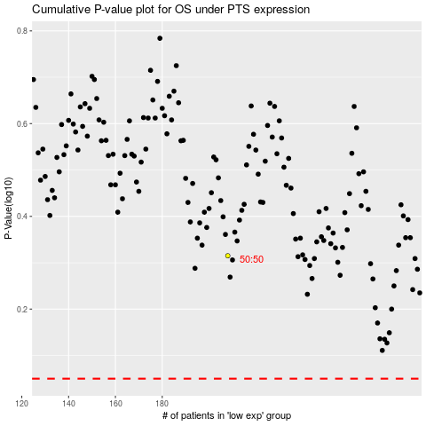

 |  |  |  |  |  | cases_OS | p_OS | rank | exp
 |  |  |  |  |  |  | cases_RFS | p_RFS | rank | exp

