PTTG1 _multivariate
Reported by Tex Li-Hsing Chi. tex@gate.sinica.edu.tw 2019-08-16

Table 2. The clinicopathological features of HNSCC cohort and PTTG1 expression. (Chi square test)
Cutoff at -0.295 (49.8%)
 |  | PTTG1 expression |  | PTTG1 expression |  | (Optimised)
 | Features | Low | (%) | High | (%) | Case no | P-value | Remark | Matthews
Gender | Female | 153 | 36.9 | 153 | 36.9 | 415 | 1 | 0 | 0
2 | Male | 54 | 13 | 55 | 13.3
Age at diagnosis | <=65y | 137 | 33 | 137 | 33 | 415 | 1 | 0 | 0
4 | >65y | 70 | 16.9 | 71 | 17.1
Clinical T Status | T1+T2 | 65 | 15.7 | 84 | 20.2 | 415 | 0.0711 | 0 | 0
6 | T3+T4 | 142 | 34.2 | 124 | 29.9
Clinical N Status | N0 | 108 | 26 | 108 | 26 | 415 | 1 | 0 | 0
8 | N1-3 | 99 | 23.9 | 100 | 24.1
Clinical M Status | M0 | 207 | 49.9 | 205 | 49.4 | 415 | 0.2482 | 0 | 0
10 | M1 | 0 | 0 | 3 | 0.7
Clinical Stage | Stage I+II | 47 | 11.3 | 55 | 13.3 | 415 | 0.4413 | 0 | 0
12 | Stage III+IV | 160 | 38.6 | 153 | 36.9
Surgical Margin status | Negative | 168 | 40.5 | 150 | 36.1 | 415 | 0.0366 | 1 | 0
14 | Positive | 39 | 9.4 | 58 | 14
Tobacco Exposure | Low | 78 | 18.8 | 83 | 20 | 415 | 0.6873 | 0 | 0
16 | High | 129 | 31.1 | 125 | 30.1

Table 3. Univariate/Multivariate Cox's proportional hazards regression analyses on OS time of PTTG1 gene expression in HNSCC

 |  | Univariate |  |  |  | Multivariate
 | Features | HR | CI95%(L) | CI95%(H) | P-value | HR | CI95%(L) | CI95%(H) | P-value
1 | Female | 1 |  |  |  | 1
Gender | Male | 1.157 | 0.843 | 1.587 | 0.367 | 1.194 | 0.854 | 1.669 | 0.299
11 | <=65y | 1 |  |  |  | 1
Age at diagnosis | >65y | 1.329 | 0.99 | 1.784 | 0.058 | 1.384 | 1.018 | 1.881 | 0.038
12 | T1+T2 | 1 |  |  |  | 1
Clinical T Status | T3+T4 | 1.409 | 1.028 | 1.931 | 0.033 | 2.228 | 1.177 | 4.216 | 0.014
13 | N0 | 1 |  |  |  | 1
Clinical N Status | N1-3 | 1.185 | 0.89 | 1.577 | 0.246 | 1.23 | 0.862 | 1.756 | 0.253
14 | M0 | 1 |  |  |  | 1
Clinical M Status | M1 | 4.097 | 1.009 | 16.644 | 0.049 | 9.001 | 1.954 | 41.452 | 0.005
15 | Stage I+II | 1 |  |  |  | 1
Clinical Stage | Stage III+IV | 1.245 | 0.882 | 1.759 | 0.213 | 0.506 | 0.236 | 1.085 | 0.08
16 | Negative | 1 |  |  |  | 1
Surgical Margin status | Positive | 1.591 | 1.155 | 2.191 | 0.004 | 1.646 | 1.188 | 2.28 | 0.003
17 | Low | 1 |  |  |  | 1
Tobacco Exposure | High | 1.364 | 1.008 | 1.844 | 0.044 | 1.454 | 1.055 | 2.003 | 0.022
18 | Low | 1 |  |  |  | 1
RNAseq(z-score) | High | 1.17 | 0.878 | 1.559 | 0.285 | 1.111 | 0.828 | 1.492 | 0.482

Table 4. Univariate/Multivariate Cox's proportional hazards regression analyses on RFS time of PTTG1 gene expression in HNSCC

 |  | Univariate |  |  |  | Multivariate
 | Features | HR | CI95%(L) | CI95%(H) | P-value | HR | CI95%(L) | CI95%(H) | P-value
1 | Female | 1 |  |  |  | 1
Gender | Male | 1.157 | 0.843 | 1.587 | 0.367 | 1.194 | 0.854 | 1.669 | 0.299
11 | <=65y | 1 |  |  |  | 1
Age at diagnosis | >65y | 1.329 | 0.99 | 1.784 | 0.058 | 1.384 | 1.018 | 1.881 | 0.038
12 | T1+T2 | 1 |  |  |  | 1
Clinical T Status | T3+T4 | 1.409 | 1.028 | 1.931 | 0.033 | 2.228 | 1.177 | 4.216 | 0.014
13 | N0 | 1 |  |  |  | 1
Clinical N Status | N1-3 | 1.185 | 0.89 | 1.577 | 0.246 | 1.23 | 0.862 | 1.756 | 0.253
14 | M0 | 1 |  |  |  | 1
Clinical M Status | M1 | 4.097 | 1.009 | 16.644 | 0.049 | 9.001 | 1.954 | 41.452 | 0.005
15 | Stage I+II | 1 |  |  |  | 1
Clinical Stage | Stage III+IV | 1.245 | 0.882 | 1.759 | 0.213 | 0.506 | 0.236 | 1.085 | 0.08
16 | Negative | 1 |  |  |  | 1
Surgical Margin status | Positive | 1.591 | 1.155 | 2.191 | 0.004 | 1.646 | 1.188 | 2.28 | 0.003
17 | Low | 1 |  |  |  | 1
Tobacco Exposure | High | 1.364 | 1.008 | 1.844 | 0.044 | 1.454 | 1.055 | 2.003 | 0.022
18 | Low | 1 |  |  |  | 1
RNAseq(z-score) | High | 1.17 | 0.878 | 1.559 | 0.285 | 1.111 | 0.828 | 1.492 | 0.482

Kaplan-Meier survival estimate: Cutoff at -0.295 (49.8%)



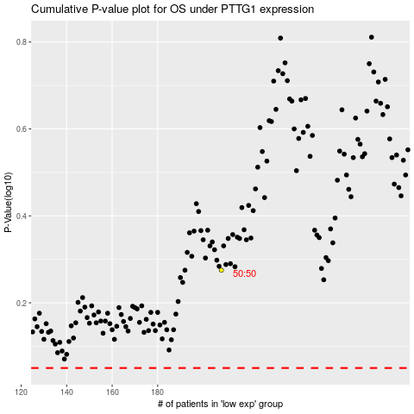

 |  |  |  |  |  | cases_OS | p_OS | rank | exp
 |  |  |  |  |  |  | cases_RFS | p_RFS | rank | exp

