PTTG1IP _multivariate
Reported by Tex Li-Hsing Chi. tex@gate.sinica.edu.tw 2019-08-16

Table 2. The clinicopathological features of HNSCC cohort and PTTG1IP expression. (Chi square test)
Cutoff at -0.186 (50.0%)
 |  | PTTG1IP expression |  | PTTG1IP expression |  | (Optimised)
 | Features | Low | (%) | High | (%) | Case no | P-value | Remark | Matthews
Gender | Female | 158 | 38.1 | 148 | 35.7 | 415 | 0.2774 | 0 | 0
2 | Male | 49 | 11.8 | 60 | 14.5
Age at diagnosis | <=65y | 128 | 30.8 | 146 | 35.2 | 415 | 0.0904 | 0 | 0
4 | >65y | 79 | 19 | 62 | 14.9
Clinical T Status | T1+T2 | 80 | 19.3 | 69 | 16.6 | 415 | 0.2891 | 0 | 0
6 | T3+T4 | 127 | 30.6 | 139 | 33.5
Clinical N Status | N0 | 117 | 28.2 | 99 | 23.9 | 415 | 0.0852 | 1 | 0
8 | N1-3 | 90 | 21.7 | 109 | 26.3
Clinical M Status | M0 | 205 | 49.4 | 207 | 49.9 | 415 | 0.6232 | 0 | 0
10 | M1 | 2 | 0.5 | 1 | 0.2
Clinical Stage | Stage I+II | 55 | 13.3 | 47 | 11.3 | 415 | 0.4087 | 0 | 0
12 | Stage III+IV | 152 | 36.6 | 161 | 38.8
Surgical Margin status | Negative | 154 | 37.1 | 164 | 39.5 | 415 | 0.2984 | 0 | 0
14 | Positive | 53 | 12.8 | 44 | 10.6
Tobacco Exposure | Low | 82 | 19.8 | 79 | 19 | 415 | 0.763 | 0 | 0
16 | High | 125 | 30.1 | 129 | 31.1

Table 3. Univariate/Multivariate Cox's proportional hazards regression analyses on OS time of PTTG1IP gene expression in HNSCC

 |  | Univariate |  |  |  | Multivariate
 | Features | HR | CI95%(L) | CI95%(H) | P-value | HR | CI95%(L) | CI95%(H) | P-value
1 | Female | 1 |  |  |  | 1
Gender | Male | 1.157 | 0.843 | 1.587 | 0.367 | 1.194 | 0.855 | 1.669 | 0.299
11 | <=65y | 1 |  |  |  | 1
Age at diagnosis | >65y | 1.329 | 0.99 | 1.784 | 0.058 | 1.413 | 1.035 | 1.929 | 0.029
12 | T1+T2 | 1 |  |  |  | 1
Clinical T Status | T3+T4 | 1.409 | 1.028 | 1.931 | 0.033 | 2.175 | 1.149 | 4.119 | 0.017
13 | N0 | 1 |  |  |  | 1
Clinical N Status | N1-3 | 1.185 | 0.89 | 1.577 | 0.246 | 1.228 | 0.86 | 1.755 | 0.259
14 | M0 | 1 |  |  |  | 1
Clinical M Status | M1 | 4.097 | 1.009 | 16.644 | 0.049 | 9.448 | 2.061 | 43.314 | 0.004
15 | Stage I+II | 1 |  |  |  | 1
Clinical Stage | Stage III+IV | 1.245 | 0.882 | 1.759 | 0.213 | 0.508 | 0.237 | 1.092 | 0.083
16 | Negative | 1 |  |  |  | 1
Surgical Margin status | Positive | 1.591 | 1.155 | 2.191 | 0.004 | 1.691 | 1.221 | 2.341 | 0.002
17 | Low | 1 |  |  |  | 1
Tobacco Exposure | High | 1.364 | 1.008 | 1.844 | 0.044 | 1.453 | 1.055 | 2.002 | 0.022
18 | Low | 1 |  |  |  | 1
RNAseq(z-score) | High | 1.06 | 0.795 | 1.413 | 0.692 | 1.098 | 0.817 | 1.477 | 0.534

Table 4. Univariate/Multivariate Cox's proportional hazards regression analyses on RFS time of PTTG1IP gene expression in HNSCC

 |  | Univariate |  |  |  | Multivariate
 | Features | HR | CI95%(L) | CI95%(H) | P-value | HR | CI95%(L) | CI95%(H) | P-value
1 | Female | 1 |  |  |  | 1
Gender | Male | 1.157 | 0.843 | 1.587 | 0.367 | 1.194 | 0.855 | 1.669 | 0.299
11 | <=65y | 1 |  |  |  | 1
Age at diagnosis | >65y | 1.329 | 0.99 | 1.784 | 0.058 | 1.413 | 1.035 | 1.929 | 0.029
12 | T1+T2 | 1 |  |  |  | 1
Clinical T Status | T3+T4 | 1.409 | 1.028 | 1.931 | 0.033 | 2.175 | 1.149 | 4.119 | 0.017
13 | N0 | 1 |  |  |  | 1
Clinical N Status | N1-3 | 1.185 | 0.89 | 1.577 | 0.246 | 1.228 | 0.86 | 1.755 | 0.259
14 | M0 | 1 |  |  |  | 1
Clinical M Status | M1 | 4.097 | 1.009 | 16.644 | 0.049 | 9.448 | 2.061 | 43.314 | 0.004
15 | Stage I+II | 1 |  |  |  | 1
Clinical Stage | Stage III+IV | 1.245 | 0.882 | 1.759 | 0.213 | 0.508 | 0.237 | 1.092 | 0.083
16 | Negative | 1 |  |  |  | 1
Surgical Margin status | Positive | 1.591 | 1.155 | 2.191 | 0.004 | 1.691 | 1.221 | 2.341 | 0.002
17 | Low | 1 |  |  |  | 1
Tobacco Exposure | High | 1.364 | 1.008 | 1.844 | 0.044 | 1.453 | 1.055 | 2.002 | 0.022
18 | Low | 1 |  |  |  | 1
RNAseq(z-score) | High | 1.06 | 0.795 | 1.413 | 0.692 | 1.098 | 0.817 | 1.477 | 0.534

Kaplan-Meier survival estimate: Cutoff at -0.186 (50.0%)



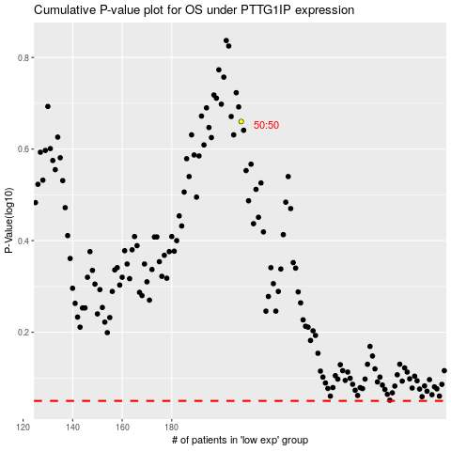

 |  |  |  |  |  | cases_OS | p_OS | rank | exp
 |  |  |  |  |  |  | cases_RFS | p_RFS | rank | exp

