PUM2 _multivariate
Reported by Tex Li-Hsing Chi. tex@gate.sinica.edu.tw 2019-08-16

Table 2. The clinicopathological features of HNSCC cohort and PUM2 expression. (Chi square test)
Cutoff at -0.13 (50.0%)
 |  | PUM2 expression |  | PUM2 expression |  | (Optimised)
 | Features | Low | (%) | High | (%) | Case no | P-value | Remark | Matthews
Gender | Female | 146 | 35.2 | 160 | 38.6 | 415 | 0.1714 | 0 | 0
2 | Male | 61 | 14.7 | 48 | 11.6
Age at diagnosis | <=65y | 137 | 33 | 137 | 33 | 415 | 1 | 0 | 0
4 | >65y | 70 | 16.9 | 71 | 17.1
Clinical T Status | T1+T2 | 80 | 19.3 | 69 | 16.6 | 415 | 0.2891 | 0 | 0
6 | T3+T4 | 127 | 30.6 | 139 | 33.5
Clinical N Status | N0 | 106 | 25.5 | 110 | 26.5 | 415 | 0.8075 | 0 | 0
8 | N1-3 | 101 | 24.3 | 98 | 23.6
Clinical M Status | M0 | 204 | 49.2 | 208 | 50.1 | 415 | 0.1232 | 0 | 0
10 | M1 | 3 | 0.7 | 0 | 0
Clinical Stage | Stage I+II | 55 | 13.3 | 47 | 11.3 | 415 | 0.4087 | 0 | 0
12 | Stage III+IV | 152 | 36.6 | 161 | 38.8
Surgical Margin status | Negative | 156 | 37.6 | 162 | 39 | 415 | 0.5636 | 0 | 0
14 | Positive | 51 | 12.3 | 46 | 11.1
Tobacco Exposure | Low | 82 | 19.8 | 79 | 19 | 415 | 0.763 | 0 | 0
16 | High | 125 | 30.1 | 129 | 31.1

Table 3. Univariate/Multivariate Cox's proportional hazards regression analyses on OS time of PUM2 gene expression in HNSCC

 |  | Univariate |  |  |  | Multivariate
 | Features | HR | CI95%(L) | CI95%(H) | P-value | HR | CI95%(L) | CI95%(H) | P-value
1 | Female | 1 |  |  |  | 1
Gender | Male | 1.157 | 0.843 | 1.587 | 0.367 | 1.197 | 0.856 | 1.675 | 0.293
11 | <=65y | 1 |  |  |  | 1
Age at diagnosis | >65y | 1.329 | 0.99 | 1.784 | 0.058 | 1.39 | 1.022 | 1.889 | 0.036
12 | T1+T2 | 1 |  |  |  | 1
Clinical T Status | T3+T4 | 1.409 | 1.028 | 1.931 | 0.033 | 2.197 | 1.162 | 4.155 | 0.015
13 | N0 | 1 |  |  |  | 1
Clinical N Status | N1-3 | 1.185 | 0.89 | 1.577 | 0.246 | 1.241 | 0.87 | 1.77 | 0.234
14 | M0 | 1 |  |  |  | 1
Clinical M Status | M1 | 4.097 | 1.009 | 16.644 | 0.049 | 9.176 | 1.982 | 42.487 | 0.005
15 | Stage I+II | 1 |  |  |  | 1
Clinical Stage | Stage III+IV | 1.245 | 0.882 | 1.759 | 0.213 | 0.508 | 0.236 | 1.092 | 0.083
16 | Negative | 1 |  |  |  | 1
Surgical Margin status | Positive | 1.591 | 1.155 | 2.191 | 0.004 | 1.669 | 1.208 | 2.307 | 0.002
17 | Low | 1 |  |  |  | 1
Tobacco Exposure | High | 1.364 | 1.008 | 1.844 | 0.044 | 1.45 | 1.051 | 1.999 | 0.023
18 | Low | 1 |  |  |  | 1
RNAseq(z-score) | High | 0.911 | 0.683 | 1.214 | 0.523 | 0.96 | 0.716 | 1.286 | 0.784

Table 4. Univariate/Multivariate Cox's proportional hazards regression analyses on RFS time of PUM2 gene expression in HNSCC

 |  | Univariate |  |  |  | Multivariate
 | Features | HR | CI95%(L) | CI95%(H) | P-value | HR | CI95%(L) | CI95%(H) | P-value
1 | Female | 1 |  |  |  | 1
Gender | Male | 1.157 | 0.843 | 1.587 | 0.367 | 1.197 | 0.856 | 1.675 | 0.293
11 | <=65y | 1 |  |  |  | 1
Age at diagnosis | >65y | 1.329 | 0.99 | 1.784 | 0.058 | 1.39 | 1.022 | 1.889 | 0.036
12 | T1+T2 | 1 |  |  |  | 1
Clinical T Status | T3+T4 | 1.409 | 1.028 | 1.931 | 0.033 | 2.197 | 1.162 | 4.155 | 0.015
13 | N0 | 1 |  |  |  | 1
Clinical N Status | N1-3 | 1.185 | 0.89 | 1.577 | 0.246 | 1.241 | 0.87 | 1.77 | 0.234
14 | M0 | 1 |  |  |  | 1
Clinical M Status | M1 | 4.097 | 1.009 | 16.644 | 0.049 | 9.176 | 1.982 | 42.487 | 0.005
15 | Stage I+II | 1 |  |  |  | 1
Clinical Stage | Stage III+IV | 1.245 | 0.882 | 1.759 | 0.213 | 0.508 | 0.236 | 1.092 | 0.083
16 | Negative | 1 |  |  |  | 1
Surgical Margin status | Positive | 1.591 | 1.155 | 2.191 | 0.004 | 1.669 | 1.208 | 2.307 | 0.002
17 | Low | 1 |  |  |  | 1
Tobacco Exposure | High | 1.364 | 1.008 | 1.844 | 0.044 | 1.45 | 1.051 | 1.999 | 0.023
18 | Low | 1 |  |  |  | 1
RNAseq(z-score) | High | 0.911 | 0.683 | 1.214 | 0.523 | 0.96 | 0.716 | 1.286 | 0.784

Kaplan-Meier survival estimate: Cutoff at -0.13 (50.0%)



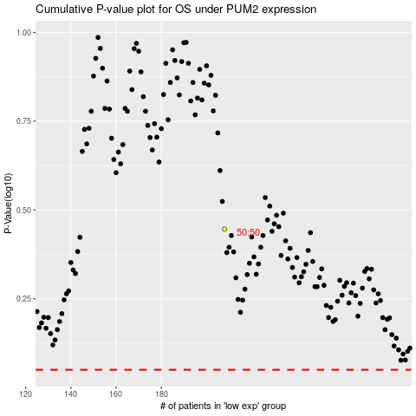

 |  |  |  |  |  | cases_OS | p_OS | rank | exp
 |  |  |  |  |  |  | cases_RFS | p_RFS | rank | exp

